MCC SAN switch_47TB
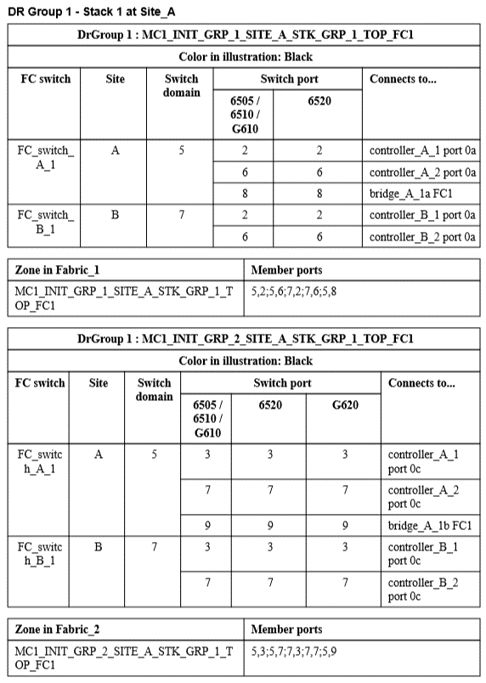
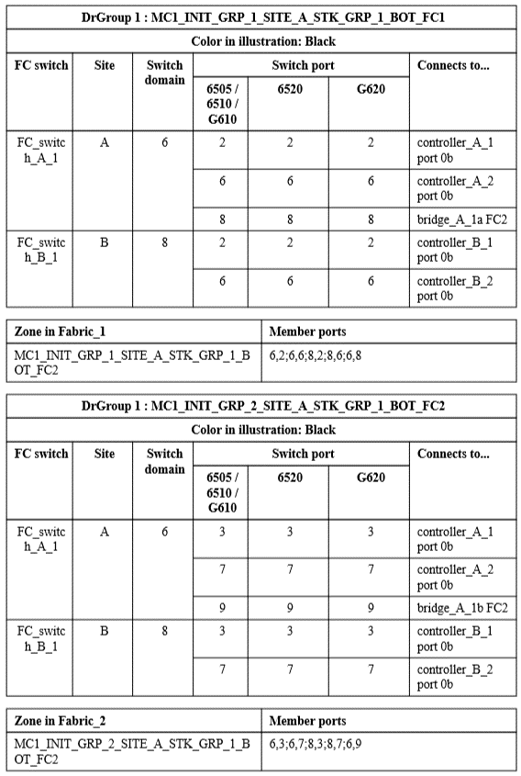
 | Site A (16라인)
BLD_FAB_1_SW1_D5 (Top)
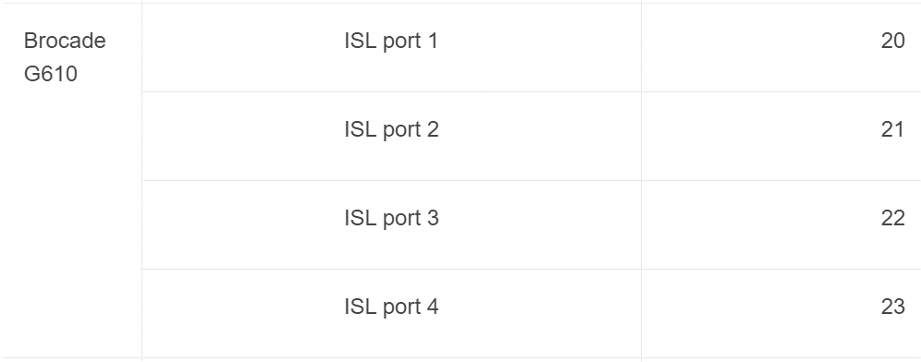
 | 0 | 1 | 2 | 3 | 8 | 9 | 10 | 11 | 16 | 17 | 18 | 19
 | N1_FI_VI_A | N2_FI_VI_A | N1_init_1a | N1_init_1c | bridge_A_1a_FC1 | bridge_A_1b_FC1
 | 4 | 5 | 6 | 7 | 12 | 13 | 14 | 15 | 20 | 21 | 22 | 23
 |  |  | N2_init_1a | N2_init_1c |  |  |  |  |  |  | I S L | I S L

BLD_FAB_2_SW2_D6 (Bot)

 | 0 | 1 | 2 | 3 | 8 | 9 | 10 | 11 | 16 | 17 | 18 | 19
 | N1_FI_VI_B | N2_FI_VI_B | N1_init_1b | N1_init_1d | bridge_A_1a_FC2 | bridge_A_1b_FC2
 | 4 | 5 | 6 | 7 | 12 | 13 | 14 | 15 | 20 | 21 | 22 | 23
 |  |  | N2_init_1b | N2_init_1d |  |  |  |  |  |  | I S L | I S L

 | Site B (DSR 5F)
BLD_FAB_1_SW1_D7 (Top)

 | 0 | 1 | 2 | 3 | 8 | 9 | 10 | 11 | 16 | 17 | 18 | 19
 | N3_FI_VI_A | N4_FI_VI_A | N3_init_1a | N3_init_1c | bridge_B_1a_FC1 | bridge_B_1b_FC1
 | 4 | 5 | 6 | 7 | 12 | 13 | 14 | 15 | 20 | 21 | 22 | 23
 |  |  | N4_init_1a | N4_init_1c |  |  |  |  |  |  | I S L | I S L

BLD_FAB_2_SW2_D8 (Bot)

 | 0 | 1 | 2 | 3 | 8 | 9 | 10 | 11 | 16 | 17 | 18 | 19
 | N3_FI_VI_B | N4_FI_VI_B | N3_init_1b | N3_init_1d | bridge_B_1a_FC2 | bridge_B_1b_FC2
 | 4 | 5 | 6 | 7 | 12 | 13 | 14 | 15 | 20 | 21 | 22 | 23
 |  |  | N4_init_1b | N4_init_1d |  |  |  |  |  |  | I S L | I S L

 | AFF A400 and FAS8300 storage systems use ports 2a and 2b for FC-VI connectivity.

 | FC_switch_A_1:admin> portcfglongdistance 21 LE 1

