F_side
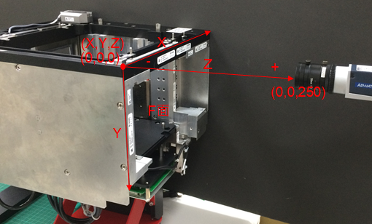
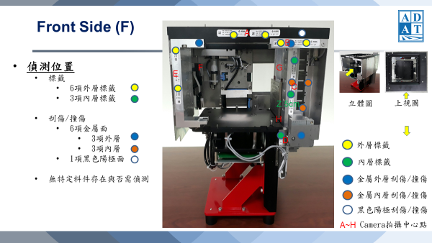
Index | X | Y | Z | Y1 | Side | Theta | Exposure | Gain | WhiteBalance
Defect | 0, 40, 80, 120, 160, 200, 240, 280, 320 | 0, 40, 80, 120, 160, 200 | 250 | -1 | f | 0 | 1000, 2000, 5000, 10000, 20000, 50000 | 1 | 11
A-Label | 135 | 11 | 250 | -1 | f | 0 | 1000, 2000, 5000, 10000, 20000, 50000 | 2 | 12
B-Label | 230 | 23 | 250 | -1 | f | 0 | 1000, 2000, 5000, 10000, 20000, 50000 | 3 | 13
C-Label | 245 | 89 | 200 | -1 | f | 0 | 1000, 2000, 5000, 10000, 20000, 50000 | 4 | 14
D-Label | 225 | 190 | 215 | -1 | f | 0 | 1000, 2000, 5000, 10000, 20000, 50000 | 5 | 15
E-Label | 13 | 81 | 250 | -1 | f | 0 | 1000, 2000, 5000, 10000, 20000, 50000 | 6 | 16

R_side
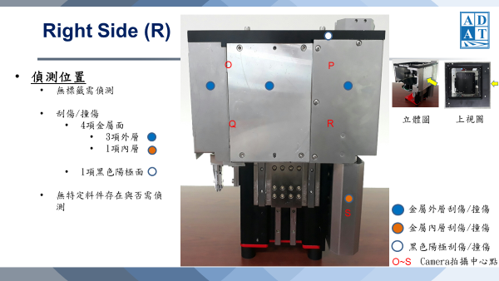
Index | X | Y | Z | Y1 | Side | Theta | Exposure | Gain | WhiteBalance
Defect | 0, 40, 80, 120, 160, 200, 240, 280, 320 | 0, 40, 80, 120, 160, 200 | 250 | -1 | r | 90 | 1000, 2000, 5000, 10000, 20000, 50000 | 1 | 11
Defect | 280 | 240, 280, 320, 360 | 250 | -1 | r | 90 | 1000, 2000, 5000, 10000, 20000, 50000 | 2 | 12
O-Defect | 80 | 60 | 250 | -1 | r | 90 | 1000, 2000, 5000, 10000, 20000, 50000 | 3 | 13
P-Defect | 225 | 60 | 250 | -1 | r | 90 | 1000, 2000, 5000, 10000, 20000, 50000 | 4 | 14
Q-Defect | 80 | 180 | 250 | -1 | r | 90 | 1000, 2000, 5000, 10000, 20000, 50000 | 5 | 15
R-Defect | 225 | 180 | 250 | -1 | r | 90 | 1000, 2000, 5000, 10000, 20000, 50000 | 6 | 16
S-Defect | 265 | 270 | 250 | -1 | r | 90 | 1000, 2000, 5000, 10000, 20000, 50000 | 7 | 17

B_side
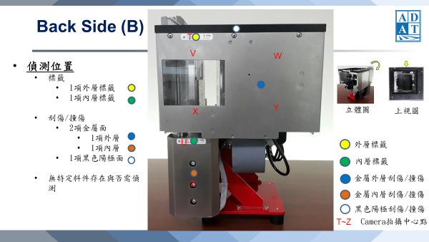
Index | X | Y | Z | Y1 | Side | Theta | Exposure | Gain | WhiteBalance
Defect | 0, 40, 80, 120, 160, 200, 240, 280, 320 | 0, 40, 80, 120, 160, 200 | 250 | -1 | b | 180 | 1000, 2000, 5000, 10000, 20000, 50000 | 1 | 11
Defect | 45, 85 | 200, 240, 280, 320, 360 | 250 | -1 | b | 180 | 1000, 2000, 5000, 10000, 20000, 50000 | 2 | 12
T-Label | 81 | 22 | 250 | -1 | b | 180 | 1000, 2000, 5000, 10000, 20000, 50000 | 3 | 13
U-Label | 57 | 250 | 250 | -1 | b | 180 | 1000, 2000, 5000, 10000, 20000, 50000 | 4 | 14

L_side
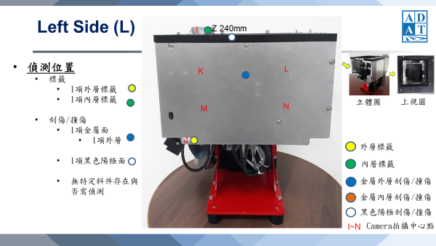
Index | X | Y | Z | Y1 | Side | Theta | Exposure | Gain | WhiteBalance
Defect | 0, 40, 80, 120, 160, 200, 240, 280, 320 | 0, 40, 80, 120, 160, 200 | 250 | -1 | l | 270 | 1000, 2000, 5000, 10000, 20000, 50000 | 1 | 11
I-Label | 53 | 185 | 250 | -1 | l | 270 | 1000, 2000, 5000, 10000, 20000, 50000 | 2 | 12
J-Label | 43 | -6 | 5 | -1 | l | 270 | 1000, 2000, 5000, 10000, 20000, 50000 | 3 | 13

T_side
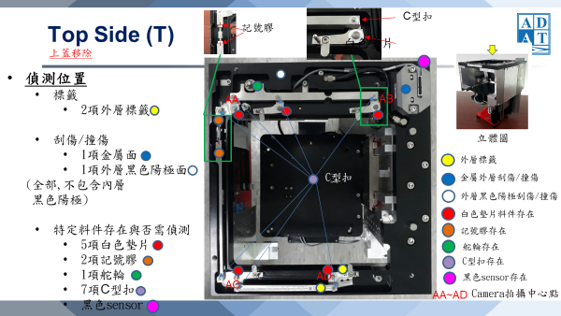
Index | X | Y | Z | Y1 | Side | Theta | Exposure | Gain | WhiteBalance
Defect | 0 | 0, 40, 80, 120, 160, 200, 240, 280, 320 | 250 | -1 | t | 0 | 1000, 2000, 5000, 10000, 20000, 50000 | 1 | 11
Defect | 275 | 0, 40, 80, 120, 160, 200, 240, 280, 320 | 250 | -1 | t | 0 | 1000, 2000, 5000, 10000, 20000, 50000 | 2 | 12
Defect | 0, 40, 80, 120, 160, 200, 240, 280, 320 | 0 | 250 | -1 | t | 0 | 1000, 2000, 5000, 10000, 20000, 50000 | 3 | 13
LeftUp | 22, 27, 32, 37, 42, 47, 52, 57, 62, 67, 72, 77, 82 | 55, 60, 65, 70, 75 | 250 | -1 | t | 0 | 1000, 2000, 5000, 10000, 20000, 50000 | 4 | 14
RightUp | 206, 211, 216, 221, 226, 231, 236, 241, 246, 251, 256 | 17, 22, 27, 32, 37, 42, 47, 52, 57, 62 | 250 | -1 | t | 0 | 1000, 2000, 5000, 10000, 20000, 50000 | 5 | 15
LeftDown | 46, 41, 36, 31, 26, 21, 16, 11, 6, 1, -4 | 242, 247, 252, 257, 262, 267, 272, 277, 282, 287, 292, 297, 302, 307, 312, 317 | 250 | -1 | t | 0 | 1000, 2000, 5000, 10000, 20000, 50000 | 6 | 16
RightDown | 156, 161, 166, 171, 176, 181, 186, 191, 196, 201, 206 | 241, 246, 251, 256, 261, 266, 271, 276, 281, 286, 291, 296, 301, 306 | 250 | -1 | t | 0 | 1000, 2000, 5000, 10000, 20000, 50000 | 7 | 17

