F_side
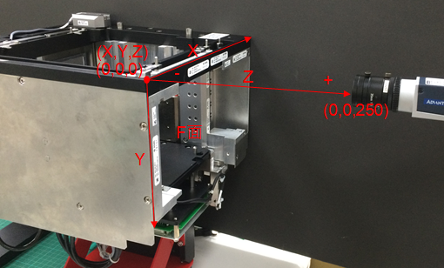
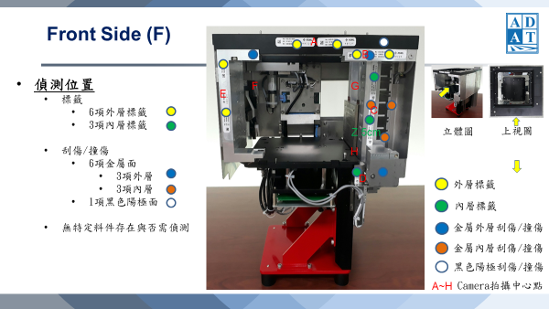
Index | X | Y | Z | Y1 | Side | Theta | Exposure | Gain | Illumination
Defect | 0, 40, 80, 120, 160, 200, 240, 280, 320 | 0, 40, 80, 120, 160, 200 | 250 | -1 | f | 0 | 1000, 2000, 5000, 10000, 20000, 50000 | 50 | 11
A-Label | 135 | 11 | 250 | -1 | f | 0 | 1000, 2000, 5000, 10000, 20000, 50000 | 60 | 22
B-Label | 230 | 23 | 250 | -1 | f | 0 | 1000, 2000, 5000, 10000, 20000, 50000 | 70 | 33
C-Label | 245 | 89 | 200 | -1 | f | 0 | 1000, 2000, 5000, 10000, 20000, 50000 | 50 | 11
D-Label | 225 | 190 | 215 | -1 | f | 0 | 1000, 2000, 5000, 10000, 20000, 50000 | 60 | 22
E-Label | 13 | 81 | 250 | -1 | f | 0 | 1000, 2000, 5000, 10000, 20000, 50000 | 70 | 33

R_side
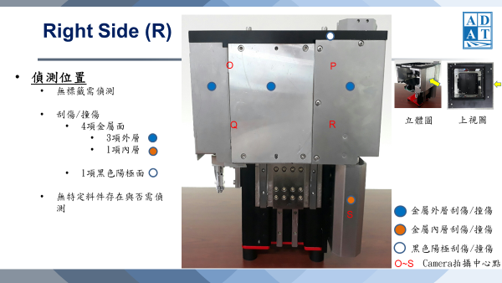
Index | X | Y | Z | Y1 | Side | Theta | Exposure | Gain | Illumination
Defect | 0, 40, 80, 120, 160, 200, 240, 280, 320 | 0, 40, 80, 120, 160, 200 | 250 | -1 | r | 90 | 1000, 2000, 5000, 10000, 20000, 50000 | 50 | 11
Defect | 280 | 240, 280, 320, 360 | 250 | -1 | r | 90 | 1000, 2000, 5000, 10000, 20000, 50000 | 60 | 22
O-Defect | 80 | 60 | 250 | -1 | r | 90 | 1000, 2000, 5000, 10000, 20000, 50000 | 70 | 33
P-Defect | 225 | 60 | 250 | -1 | r | 90 | 1000, 2000, 5000, 10000, 20000, 50000 | 50 | 11
Q-Defect | 80 | 180 | 250 | -1 | r | 90 | 1000, 2000, 5000, 10000, 20000, 50000 | 60 | 22
R-Defect | 225 | 180 | 250 | -1 | r | 90 | 1000, 2000, 5000, 10000, 20000, 50000 | 70 | 33
S-Defect | 265 | 270 | 250 | -1 | r | 90 | 1000, 2000, 5000, 10000, 20000, 50000 | 50 | 11

B_side
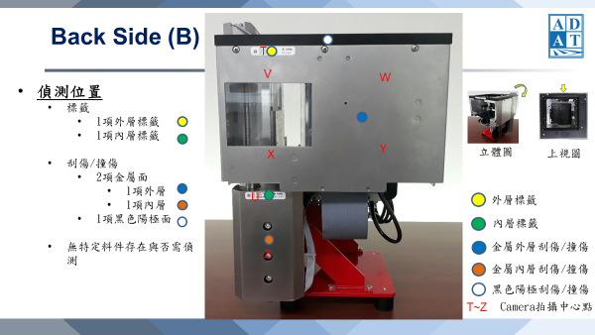
Index | X | Y | Z | Y1 | Side | Theta | Exposure | Gain | Illumination
Defect | 0, 40, 80, 120, 160, 200, 240, 280, 320 | 0, 40, 80, 120, 160, 200 | 250 | -1 | b | 180 | 1000, 2000, 5000, 10000, 20000, 50000 | 50 | 11
Defect | 45, 85 | 200, 240, 280, 320, 360 | 250 | -1 | b | 180 | 1000, 2000, 5000, 10000, 20000, 50000 | 60 | 22
T-Label | 81 | 22 | 250 | -1 | b | 180 | 1000, 2000, 5000, 10000, 20000, 50000 | 70 | 33
U-Label | 57 | 250 | 250 | -1 | b | 180 | 1000, 2000, 5000, 10000, 20000, 50000 | 50 | 11

L_side
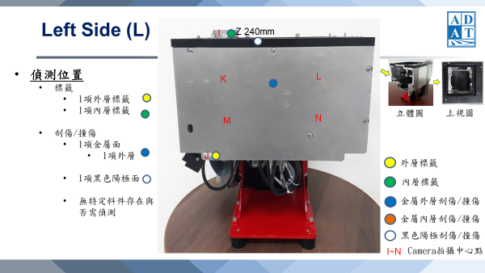
Index | X | Y | Z | Y1 | Side | Theta | Exposure | Gain | Illumination
Defect | 0, 40, 80, 120, 160, 200, 240, 280, 320 | 0, 40, 80, 120, 160, 200 | 250 | -1 | l | 270 | 1000, 2000, 5000, 10000, 20000, 50000 | 50 | 11
I-Label | 53 | 185 | 250 | -1 | l | 270 | 1000, 2000, 5000, 10000, 20000, 50000 | 60 | 22
J-Label | 43 | -6 | 5 | -1 | l | 270 | 1000, 2000, 5000, 10000, 20000, 50000 | 70 | 33

T_side
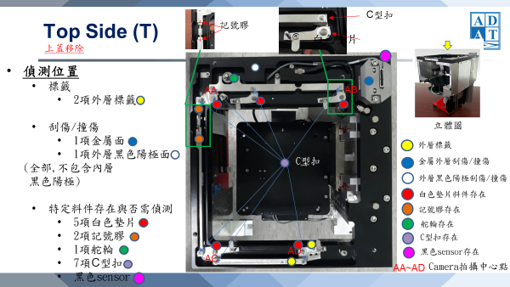
Index | X | Y | Z | Y1 | Side | Theta | Exposure | Gain | Illumination
Defect | 0 | 0, 40, 80, 120, 160, 200, 240, 280, 320 | 250 | -1 | t | 0 | 1000, 2000, 5000, 10000, 20000, 50000 | 50 | 11
Defect | 275 | 0, 40, 80, 120, 160, 200, 240, 280, 320 | 250 | -1 | t | 0 | 1000, 2000, 5000, 10000, 20000, 50000 | 60 | 22
Defect | 0, 40, 80, 120, 160, 200, 240, 280, 320 | 0 | 250 | -1 | t | 0 | 1000, 2000, 5000, 10000, 20000, 50000 | 70 | 33
AA-Object | 60 | 60 | 250 | -1 | t | 0 | 1000, 2000, 5000, 10000, 20000, 50000 | 50 | 11
AB-Object | 240 | 45 | 250 | -1 | t | 0 | 1000, 2000, 5000, 10000, 20000, 50000 | 60 | 22
AC-Object | 20 | 290 | 250 | -1 | t | 0 | 1000, 2000, 5000, 10000, 20000, 50000 | 70 | 33
AD-Object | 175 | 290 | 250 | -1 | t | 0 | 1000, 2000, 5000, 10000, 20000, 50000 | 50 | 11

