B_side
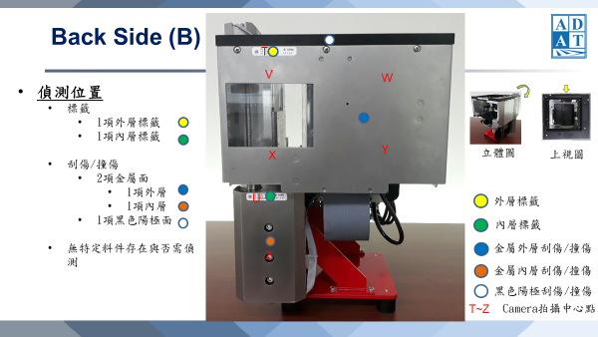
Index | X | Z | Y | Y1 | Side | Theta | Exposure | Gain | Illumination
Defect1 | 0.0,15.0,30.0,45.0,60.0,75.0,90.0,105.0,120.0,135.0,150.0,165.0,180.0,195.0,210.0,225.0,240.0,255.0,270.0,285.0,300.0 | 0.0,15.0,30.0,45.0,60.0,75.0,90.0,105.0,120.0,135.0,150.0,165.0,180.0,195.0,200.0 | 0 | -1 | b | 89.4 | 500, 2000, 5000, 20000 | 60 | 800
Defect2 | 45.0,60.0,75.0,85.0 | 200.0,215.0,230.0,245.0,260.0,275.0,290.0,305.0,320.0,335.0,350.0,360.0 | 0 | -1 | b | 89.4 | 500, 2000, 5000, 20000 | 60 | 800
T-Label | 81 | 22 | 0 | -1 | b | 89.4 | 500, 2000, 5000, 20000 | 60 | 800
U-Label | 57 | 250 | 0 | -1 | b | 89.4 | 500, 2000, 5000, 20000 | 60 | 800

L_side
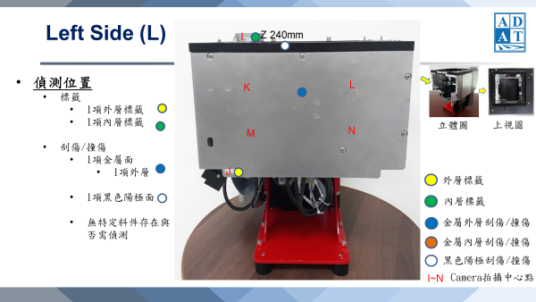
Index | X | Z | Y | Y1 | Side | Theta | Exposure | Gain | Illumination
Defect | 0.0,15.0,30.0,45.0,60.0,75.0,90.0,105.0,120.0,135.0,150.0,165.0,180.0,195.0,210.0,225.0,240.0,255.0,270.0,285.0,300.0,315.0,320.0 | 0.0,15.0,30.0,45.0,60.0,75.0,90.0,105.0,120.0,135.0,150.0,165.0,180.0,195.0,200.0 | 0 | -1 | l | 179.4 | 500, 2000, 5000, 20000 | 60 | 800
I-Label | 53 | 185 | 10 | -1 | l | 179.4 | 500, 2000, 5000, 20000 | 60 | 800
J-Label | 43 | -6 | 245 | -1 | l | 179.4 | 500, 2000, 5000, 20000 | 60 | 800

F_side
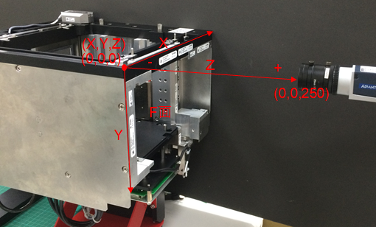
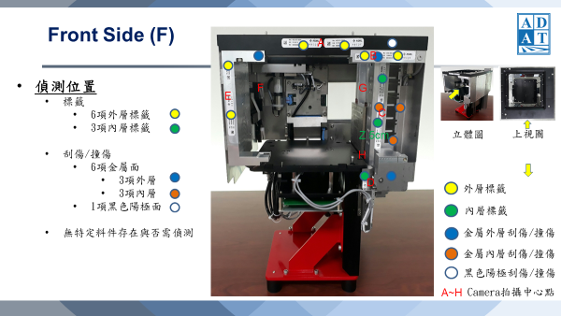
Index | X | Z | Y | Y1 | Side | Theta | Exposure | Gain | Illumination
Defect1 | 5 | 0.0,10.0,20.0,30.0,40.0,50.0,60.0,70.0,80.0,90.0,100.0,110.0,120.0,130.0,140.0,150.0,160.0,170.0,180.0,190.0,200.0 | 0 | -1 | f | 269.4 | 500, 2000, 5000, 20000 | 60 | 800
Defect2 | 0.0,15.0,30.0,45.0,60.0,75.0,90.0,105.0,120.0,135.0,150.0,165.0,180.0,195.0,210.0,225.0,240.0,255.0,270.0,285.0,292.0 | 0.0,15.0,30.0 | 0 | -1 | f | 269.4 | 500, 2000, 5000, 20000 | 60 | 800
Defect3 | 234.0,249.0,264.0,279.0,292.0 | 30.0,45.0,60.0,75.0,90.0,105.0,120.0,135.0,145.0 | 50 | -1 | f | 269.4 | 500, 2000, 5000, 20000 | 60 | 800
Defect4 | 234.0,249.0,264.0,279.0,292.0 | 145.0,160.0,175.0,190.0,200.0 | 0 | -1 | f | 269.4 | 500, 2000, 5000, 20000 | 60 | 800
A-Label | 135 | 11 | 0 | -1 | f | 269.4 | 500, 2000, 5000, 20000 | 60 | 800
B-Label | 230 | 23 | 0 | -1 | f | 269.4 | 500, 2000, 5000, 20000 | 60 | 800
C-Label | 245 | 89 | 50 | -1 | f | 269.4 | 500, 2000, 5000, 20000 | 60 | 800
D-Label | 225 | 190 | 35 | -1 | f | 269.4 | 500, 2000, 5000, 20000 | 60 | 800
E-Label | 13 | 81 | 0 | -1 | f | 269.4 | 500, 2000, 5000, 20000 | 60 | 800

R_side
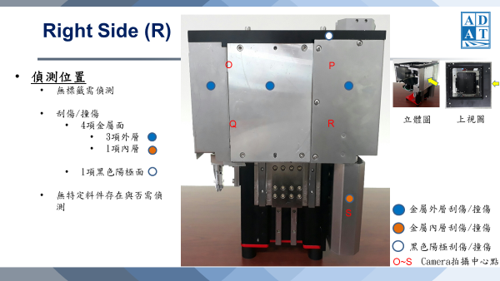
Index | X | Z | Y | Y1 | Side | Theta | Exposure | Gain | Illumination
Defect1 | 0.0,15.0,30.0,45.0,60.0,75.0,90.0,105.0,120.0,135.0,150.0,165.0,180.0,195.0,210.0,225.0,240.0,255.0,270.0,285.0,300.0,315.0,320.0 | 0.0,15.0,30.0,45.0,60.0,75.0,90.0,105.0,120.0,135.0,150.0,165.0,180.0,195.0,200.0 | 0 | -1 | r | 359.4 | 500, 2000, 5000, 20000 | 60 | 800
Defect2 | 280 | 240.0,255.0,270.0,285.0,300.0,315.0,330.0,345.0,360.0 | 0 | -1 | r | 359.4 | 500, 2000, 5000, 20000 | 60 | 800
O-Defect | 80 | 60 | 0 | -1 | r | 359.4 | 500, 2000, 5000, 20000 | 60 | 800
P-Defect | 225 | 60 | 0 | -1 | r | 359.4 | 500, 2000, 5000, 20000 | 60 | 800
Q-Defect | 80 | 180 | 0 | -1 | r | 359.4 | 500, 2000, 5000, 20000 | 60 | 800
R-Defect | 225 | 180 | 0 | -1 | r | 359.4 | 500, 2000, 5000, 20000 | 60 | 800
S-Defect | 265 | 270 | 0 | -1 | r | 359.4 | 500, 2000, 5000, 20000 | 60 | 800

T_side
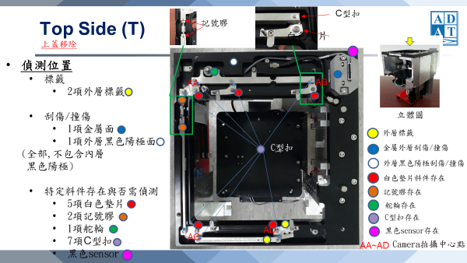
Index | X | Y | Z | Y1 | Side | Theta | Exposure | Gain | Illumination
Defect1 | 0 | 0,20.0,40.0,60.0,80.0,100.0,120.0,140.0,160.0,180.0,200.0,220.0,240.0,260.0,280.0,300.0,320.0 | 0 | -1 | t | 0 | 500, 2000, 5000, 20000 | 60 | 800
Defect2 | 260,275,290 | 0,20.0,40.0,60.0,80.0,100.0,120.0,140.0,160.0,180.0,200.0,220.0,240.0,260.0,280.0,300.0,320.0 | 0 | -1 | t | 0 | 500, 2000, 5000, 20000 | 60 | 800
Defect3 | 0,20.0,40.0,60.0,80.0,100.0,120.0,140.0,160.0,180.0,200.0,220.0,240.0,260.0,280.0,300.0,320.0 | 0,15.0,30.0 | 0 | -1 | t | 0 | 500, 2000, 5000, 20000 | 60 | 800
AA-Object | 60 | 60 | 0 | -1 | t | 0 | 500, 2000, 5000, 20000 | 60 | 800
AB-Object | 240 | 45 | 0 | -1 | t | 0 | 500, 2000, 5000, 20000 | 60 | 800
AC-Object | 20 | 290 | 0 | -1 | t | 0 | 500, 2000, 5000, 20000 | 60 | 800
AD-Object | 175 | 290 | 0 | -1 | t | 0 | 500, 2000, 5000, 20000 | 60 | 800

