2G
Test sequence | Test purpose | How to test | Test result | Note
1 | Test setup | Description of the test setup | None | 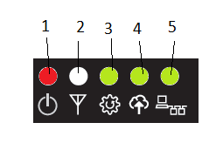
2 | TTL port test | 1. press the button on GME 2. power on the GME 3. verify the power on led n.1 4. release the button on GME 5. upload the FW, while till the end | 3. power led n.1 will light on 5. at the end of the file transfer no errors are reported | This is and indirect test if you are able to upload the FW for sure the TTL port it work right
3 | Led Test | 1. power off the GME 2. power on again, now wait some time (TBD capire se è crittato o no se servono due passate) 3. verify the leds | 3. the led n.1 is red ON the led n.2 blink the ledn.3/4/5 will on/off in sequence This test indirectly verify if R21 is mounted properly
4 | Test connections between M95 and ESP32 | 1. the GME output the IMEI through the TTL serial port | 1. the serial output is "IMEI=xxxxxxxxxxxxxxx" This test indirectly that these circuits works fine - Q107 - Q6 - Q201 - Q5
5 | Test SIM installed | 1. verify the led n.2 | 1. if the led n.2 blink the SIM card is installed properly (TBV)
6 | RS485 port test | 1. set the ModSim to generate HR address 1 number 1234 2. the GME start to read Holding Register n.1 through the RS485 port | 1. the serial output report the value readed value HR=1234

 | Test END

