Sheet1
Prerequisites

Python version :- Python 3.7.1
Libraries :- |  | pywin32
 |  | docx2txt
 |  | python-pptx
 |  | pandas
 |  | spacy
 |  | en_core_web_sm
 |  | matplotlib
All the CVs should have unique names. There should not be cv1.pdf and cv1.docx or cv1.doc together in the same folder

Steps to execute

1. Run the file :- TestUi.py
2. New dialogue box will open.

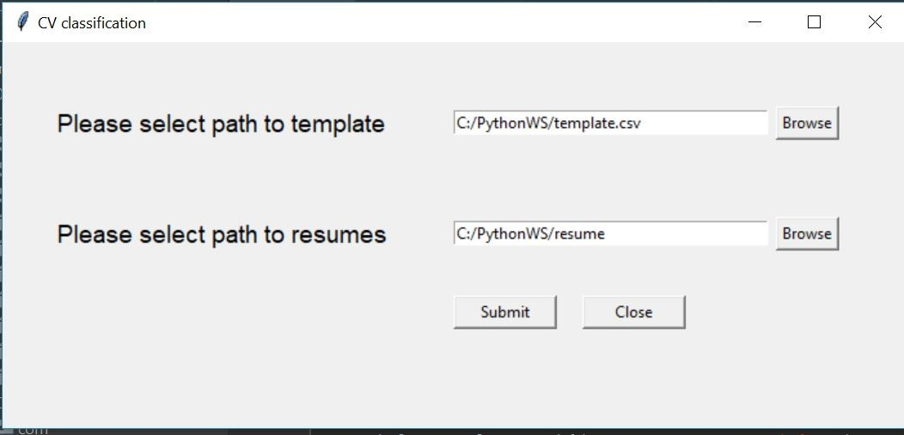

 | (1) Provide the path of template.csv in the first input box.
 | (2) Provide the path of CVs in the next input box.
 | (3) Press the submit button.
3. Output will be generated in the below format.
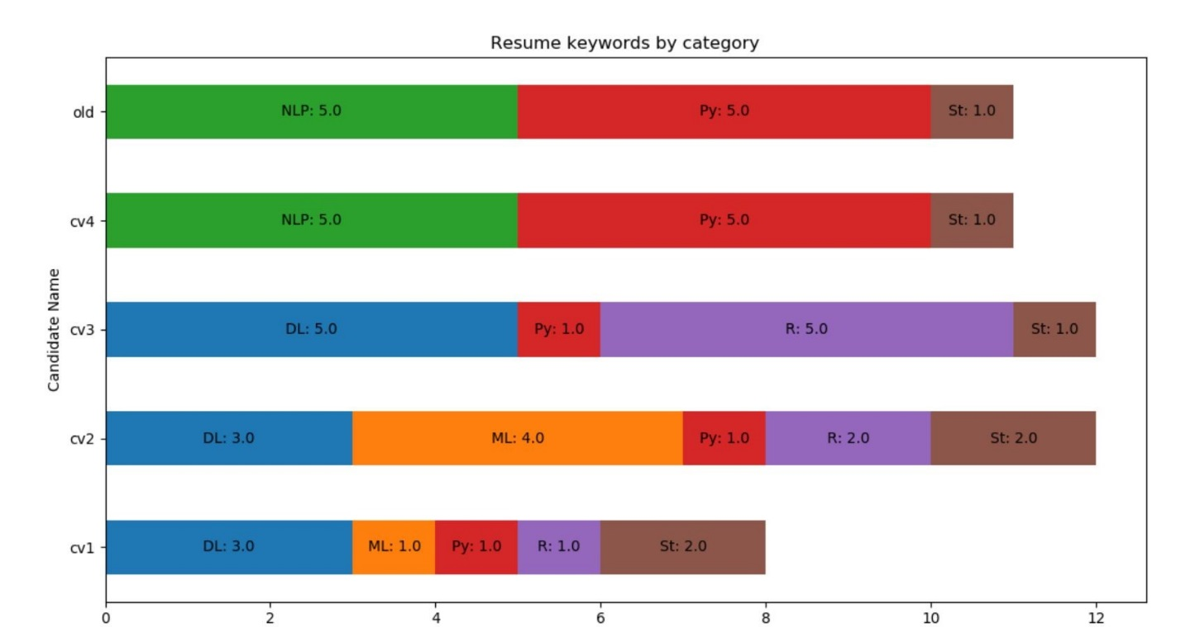

4. Same output in csv file will also be created.

