Sheet1
model | traindata | evaldata | input_hxw | dropout | batchsize | sec/step | IoU | augmentation | comment | trained steps | tensorboard
rfcn_resnet101_coco_2018_01_28 | bird-windmill: 3k |  |  |  | 1 | 2.0 |  | rdm horiz flip
rfcn_resnet101_coco_2018_01_28 | bird-windmill: 10k |  |  |  | 1 | 2.2 |  | rdm horiz flip
rfcn_resnet101_coco_2018_01_28 | bird-windmill: 10k |  |  |  | 1 | 2.2 |  | too much |  | 200000
ssdlite_mobilenet_v2_coco_2018_05_09 | bird-windmill: 10k |  | 300x300 |  | 4 | 1.1 |  | none |  | 450 | 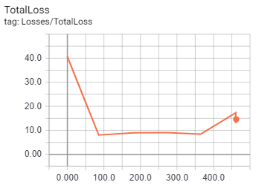
ssdlite_mobilenet_v2_coco_2018_05_09 | bird-windmill: 10k |  | 5616x5616 |  | 4 |  |  | none | could not load model | 0
ssdlite_mobilenet_v2_coco_2018_05_09 | bird-windmill: 10k |  | 600x600 |  | 4 | 4.0 |  | none |  | 190 | 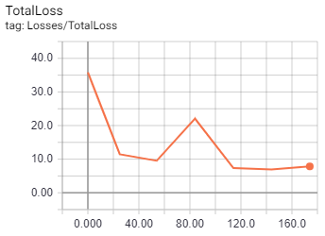
ssdlite_mobilenet_v2_coco_2018_05_09 | bird-windmill: 10k |  | 600x600 |  | 4.0 | 1.4 |  | none |  | 354 | 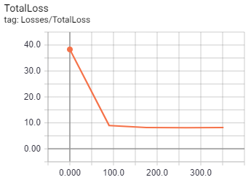
ssdlite_mobilenet_v2_coco_2018_05_09 | bird-windmill: 10k |  | 1122x748 |  | 4 | 10.0 |  | none | resize cpu | 10 | 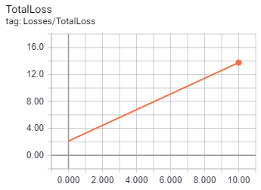
ssdlite_mobilenet_v2_coco_2018_05_09 | bird-windmill: 10k |  | 748x1122 |  | 4 | 1.1 |  | none | much faster | 2529 | 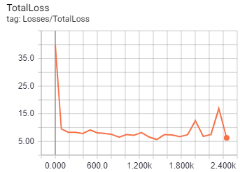
ssdlite_mobilenet_v2_coco_2018_05_09 | bird-windmill: 10k |  | 1872x2808 |  | 4 | 69.0 |  | none | slow | 50 | 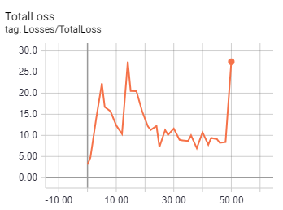
faster_rcnn_resnet50_coco_2018_01_28 | bird-windmill: 10k |  | org |  | 1 | 2.1 |  |  |  |  | 