Overview
Considering doing "Quantization-aware training", we need to convert the models of Caffe, Keras and PyTorch into Tensorflow's model structure.
This is because "Quantization-aware training" requires model training in Tensorflow.

Caffe

[.h5] Model structure and weight in HDF5 format
[.prototxt] Model Structure
[.caffemodel] Protocol buffer format binary
[.pt .pth] Model structure and weight

- Convert each framework model to a format handled by TensorFlow.
-> Understand the model structure of each framework and write the model in TensorFlow.
- In case of trained model, parameters are also moved to TensorFlow.
-> As an example of the method,
1. Save parameters in binary, pickle, etc format in each framework.
2. Set the above parameters when initializing the tensorflow model.
3. Save model without learning after initialization (create checkpoint and pb files).

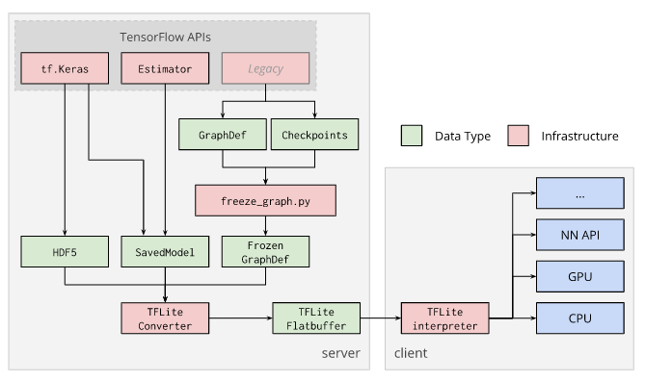

★This is a very difficult and time consuming point

- Run Quantization-aware training.
- Create a frozen graph that will be the input for the TensorFlow Lite toolchain.

- Run the TensorFlow Lite Optimization Converter (TOCO) to get a fully quantized
TensorFlow Lite model.
- Finally, get the quantized tflite model file.

