Sheet2
contrastive2D(pooled_output)
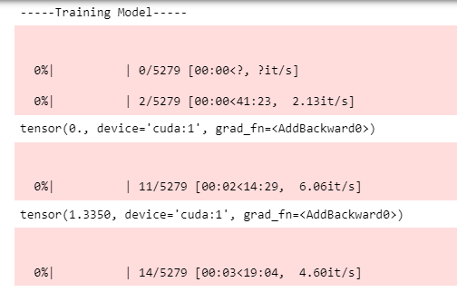

contrastive2D(norm(vision_output)) | contrastive2D(norm(visual_output))+contrastive2D(pooled_output)
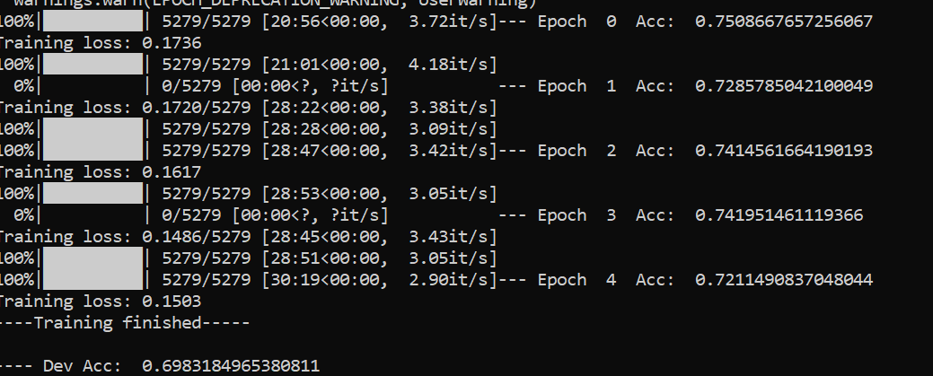
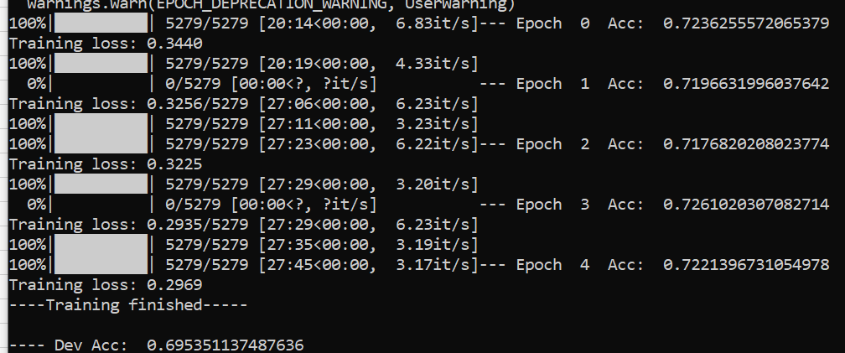

contrastive3D(norm(vision_output))+contrastive2D(norm(pooled_output)) |  | contrastive2D(norm(vision_output))+contrastive2D(norm(pooled_output))

contrastive2D(norm(pooled_output))

Extended Dataset (positives)
contrastive3D(norm(vision_output))

