Sheet1
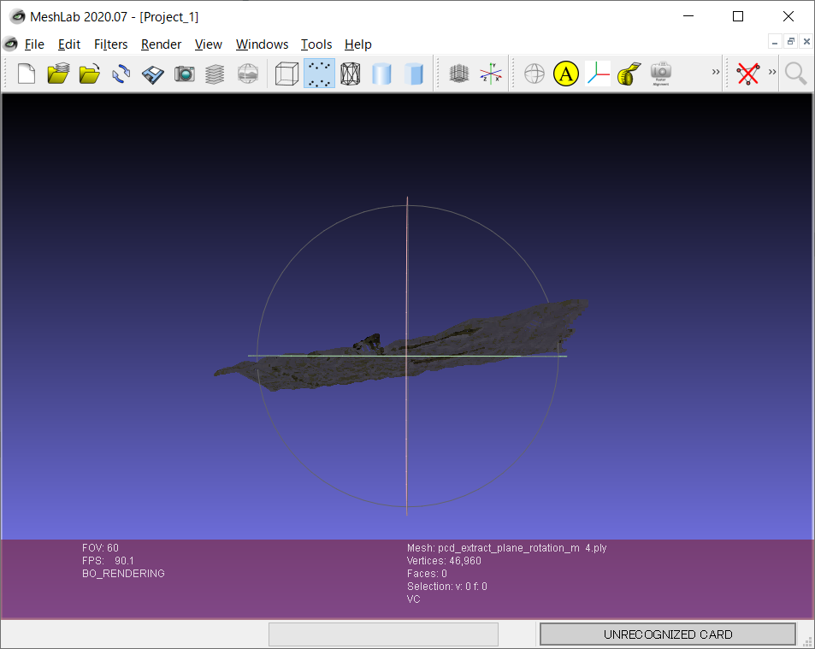
rotation_m= [
[1,0.1,0.1],
[0,1,0],
[0,0.1,1]]

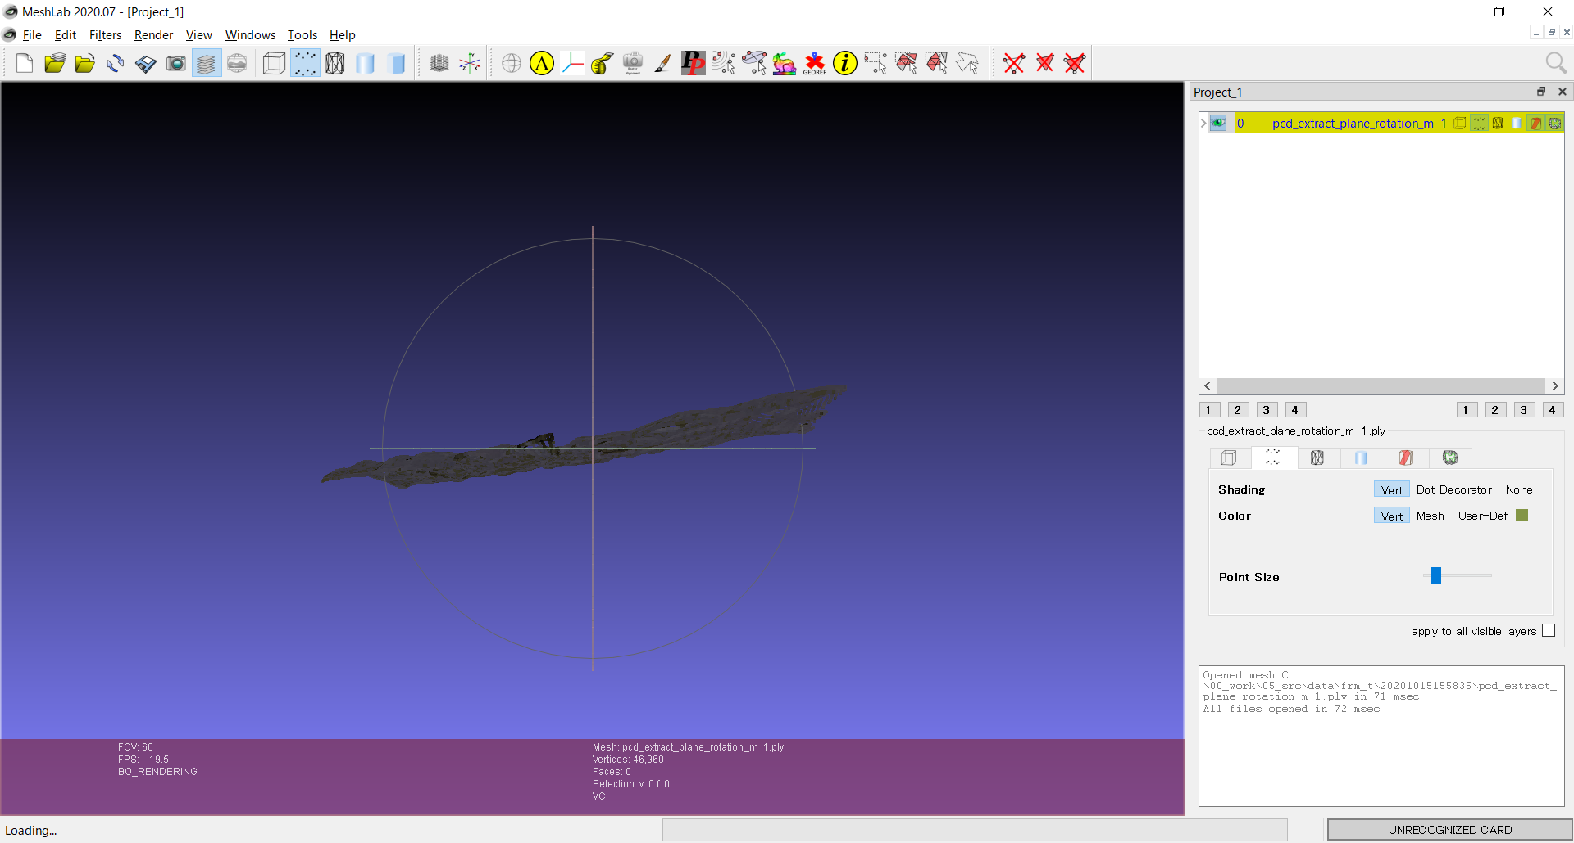

rotation_m= [
[1,0.1,0.1],
[0,1,0.2],
[0,0.2,1]]

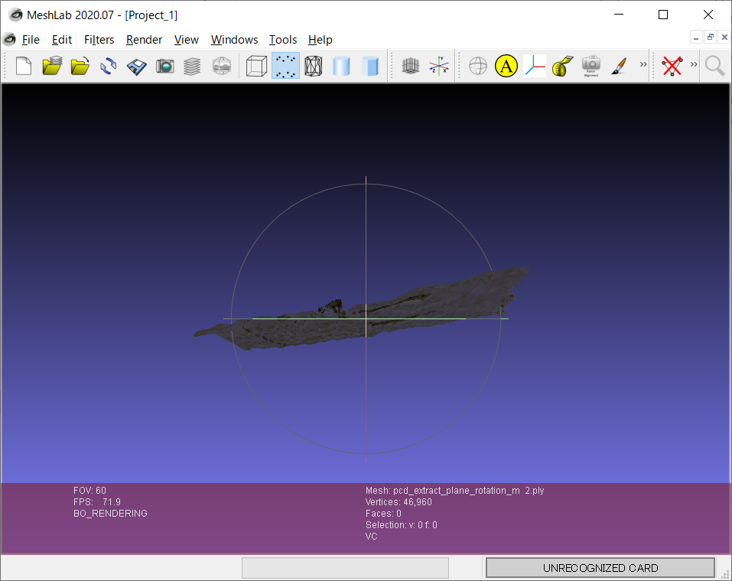

rotation_m= [
[1,0.1,0.1],
[0,1,-0.2],
[0,0.2,1]]

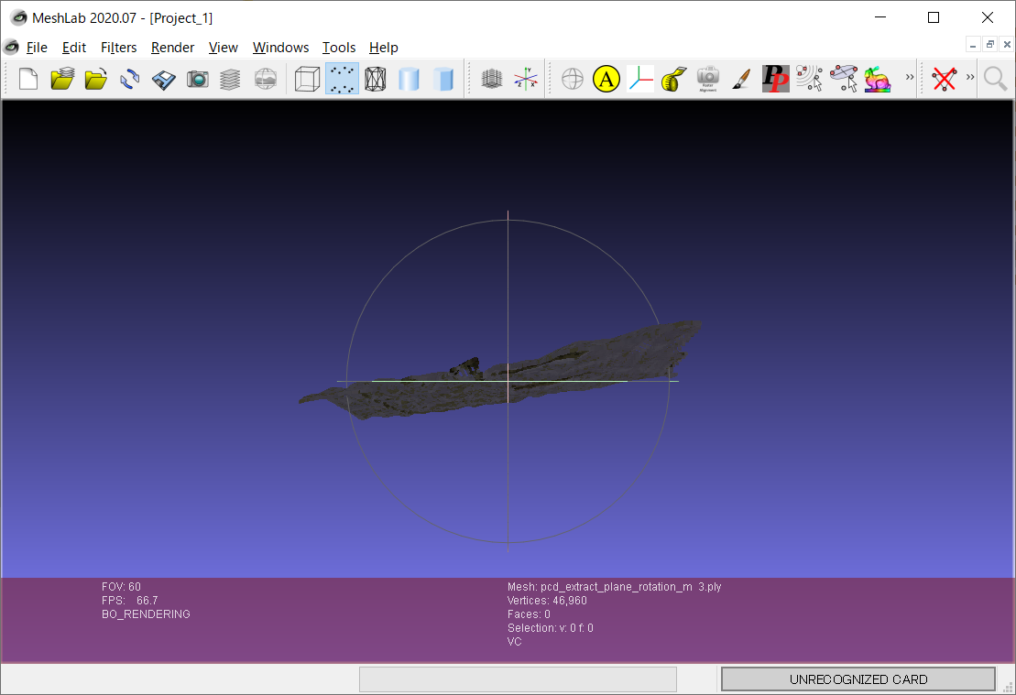

rotation_m= [
[1,0.1,0.1],
[0,1,0],
[0,0.2,1]]

