Outcome Based on Launch Date
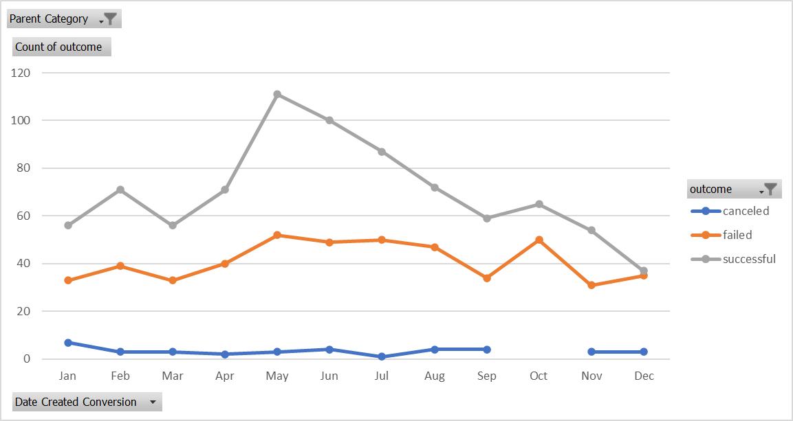
Parent Category | theater

Count of outcome | Column Labels
Row Labels | canceled | failed | successful | Grand Total
Jan | 7 | 33 | 56 | 96
Feb | 3 | 39 | 71 | 113
Mar | 3 | 33 | 56 | 92
Apr | 2 | 40 | 71 | 113
May | 3 | 52 | 111 | 166
Jun | 4 | 49 | 100 | 153
Jul | 1 | 50 | 87 | 138
Aug | 4 | 47 | 72 | 123
Sep | 4 | 34 | 59 | 97
Oct |  | 50 | 65 | 115
Nov | 3 | 31 | 54 | 88
Dec | 3 | 35 | 37 | 75
Grand Total | 37 | 493 | 839 | 1369

 | canceled | failed | successful
Jan | 7 | 33 | 56
Feb | 3 | 39 | 71
Mar | 3 | 33 | 56
Apr | 2 | 40 | 71
May | 3 | 52 | 111
Jun | 4 | 49 | 100
Jul | 1 | 50 | 87
Aug | 4 | 47 | 72
Sep | 4 | 34 | 59
Oct |  | 50 | 65
Nov | 3 | 31 | 54
Dec | 3 | 35 | 37

Outcomes Based on Goals
Goal | Number Successful | Number Failed | Number Canceled | Total Projects | Percentage Successful | Percentage Failed | Percentage Canceled
Less than 1000 | 322 | 113 | 18 | 453 | 71.08% | 24.94% | 3.97%
1000 to 4999 | 815 | 357 | 52 | 1224 | 66.58% | 29.17% | 4.25%
5000 to 9999 | 230 | 160 | 27 | 417 | 55.16% | 38.37% | 6.47%
10000 to 14999 | 65 | 59 | 12 | 136 | 47.79% | 43.38% | 8.82%
15000 to 19999 | 38 | 32 | 4 | 74 | 51.35% | 43.24% | 5.41%
20000 to 24999 | 18 | 16 | 1 | 35 | 51.43% | 45.71% | 2.86%
25000 to 29999 | 8 | 15 | 1 | 24 | 33.33% | 62.50% | 4.17%
30000 to 34999 | 6 | 6 | 1 | 13 | 46.15% | 46.15% | 7.69%
35000 to 39999 | 4 | 8 | 2 | 14 | 28.57% | 57.14% | 14.29%
40000 to 44999 | 5 | 3 | 0 | 8 | 62.50% | 37.50% | 0.00%
45000 to 49999 | 3 | 5 | 2 | 10 | 30.00% | 50.00% | 20.00%
Greater than 50000 | 55 | 198 | 83 | 336 | 16.37% | 58.93% | 24.70%

Outcome Based on Goal

Pivot
country | (All)
Parent Category | (All)

Row Labels | Count of outcome
canceled | 349
failed | 1530
live | 50
successful | 2185
Grand Total | 4114
Parent Category Outcomes

SubCat Stats
 | canceled | failed | live | successful
animation |  | 100
art books | 20
audio | 24
children's books |  | 40
classical music |  |  |  | 40
documentary |  |  |  | 180
drama |  | 80
electronic music |  |  |  | 40
faith |  | 40 | 20
fiction |  | 40
food trucks | 20 | 120
gadgets |  | 20
hardware |  |  |  | 140
indie rock |  | 20 |  | 140
jazz |  | 60
makerspaces |  | 11 |  | 9
metal |  |  |  | 20
mobile games |  | 40
musical | 20 | 60 |  | 60
nature |  | 20
nonfiction |  |  |  | 60
people |  | 20
photobooks |  | 57 |  | 103
places |  | 20
plays |  | 353 | 19 | 694
pop |  |  |  | 40
radio & podcasts |  |  |  | 20
restaurants |  | 20
rock |  |  |  | 260
science fiction | 40
shorts |  |  |  | 60
small batch |  |  | 6 | 34
space exploration | 18 | 2 |  | 40
spaces | 17 | 80 | 5 | 85
tabletop games |  |  |  | 80
television |  |  |  | 60
translations | 10 | 47
video games |  | 100
wearables | 60 | 120 |  | 20
web | 100 | 60
world music | 20
country | (All)
Parent Category | (All)

Count of outcome | Column Labels
Row Labels | canceled | failed | live | successful | Grand Total
animation |  | 100 |  |  | 100
art books | 20 |  |  |  | 20
audio | 24 |  |  |  | 24
children's books |  | 40 |  |  | 40
classical music |  |  |  | 40 | 40
documentary |  |  |  | 180 | 180
drama |  | 80 |  |  | 80
electronic music |  |  |  | 40 | 40
faith |  | 40 | 20 |  | 60
fiction |  | 40 |  |  | 40
food trucks | 20 | 120 |  |  | 140
gadgets |  | 20 |  |  | 20
hardware |  |  |  | 140 | 140
indie rock |  | 20 |  | 140 | 160
jazz |  | 60 |  |  | 60
makerspaces |  | 11 |  | 9 | 20
metal |  |  |  | 20 | 20
mobile games |  | 40 |  |  | 40
musical | 20 | 60 |  | 60 | 140
nature |  | 20 |  |  | 20
nonfiction |  |  |  | 60 | 60
people |  | 20 |  |  | 20
photobooks |  | 57 |  | 103 | 160
places |  | 20 |  |  | 20
plays |  | 353 | 19 | 694 | 1066
pop |  |  |  | 40 | 40
radio & podcasts |  |  |  | 20 | 20
restaurants |  | 20 |  |  | 20
rock |  |  |  | 260 | 260
science fiction | 40 |  |  |  | 40
shorts |  |  |  | 60 | 60
small batch |  |  | 6 | 34 | 40
space exploration | 18 | 2 |  | 40 | 60
spaces | 17 | 80 | 5 | 85 | 187
tabletop games |  |  |  | 80 | 80
television |  |  |  | 60 | 60
translations | 10 | 47 |  |  | 57
video games |  | 100 |  |  | 100
wearables | 60 | 120 |  | 20 | 200
web | 100 | 60 |  |  | 160
world music | 20 |  |  |  | 20
Grand Total | 349 | 1530 | 50 | 2185 | 4114

Outcomes Based on Launch Date
Count of outcome | Column Labels
Row Labels | canceled | failed | live | successful | Grand Total
2009 | 1 | 4 |  | 9 | 14
2010 | 1 | 15 |  | 49 | 65
2011 | 7 | 28 |  | 136 | 171
2012 | 6 | 60 |  | 216 | 282
2013 | 7 | 67 |  | 200 | 274
2014 | 80 | 422 |  | 474 | 976
2015 | 131 | 527 |  | 567 | 1225
2016 | 99 | 376 |  | 475 | 950
2017 | 17 | 31 | 50 | 59 | 157
Grand Total | 349 | 1530 | 50 | 2185 | 4114

 | canceled | failed | live | successful
2009 | 1 | 4 |  | 9
2010 | 1 | 15 |  | 49
2011 | 7 | 28 |  | 136
2012 | 6 | 60 |  | 216
2013 | 7 | 67 |  | 200
2014 | 80 | 422 |  | 474
2015 | 131 | 527 |  | 567
2016 | 99 | 376 |  | 475
2017 | 17 | 31 | 50 | 59

