Front
 | Rashadian |  |  |  |  |  |  | 15 |  | Aasimar(P) |  |  |  |  | Male |  |  |  | LG
 | Character Name |  |  |  |  |  |  | Level |  | Race |  |  |  |  | Gender |  |  |  | Alignment |  |  |  |  |  | Diety
 | Medium |  |  | Black/Grey |  |  | Tempest Blue |  |  |  | 6' 5" |  |  | 240 |  |  | Soldier
 | Size |  |  | Hair |  |  | Eyes |  |  |  | Height |  |  | Weight |  |  | Background
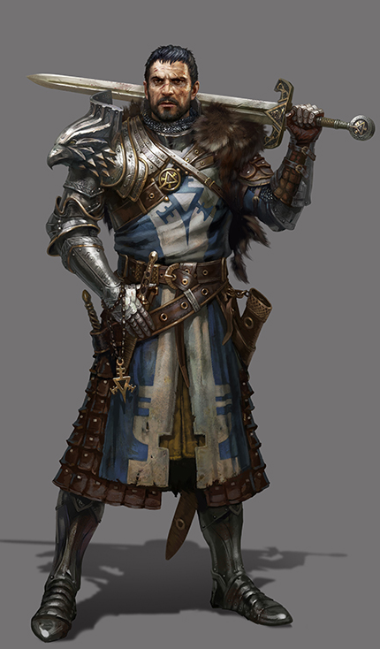
CORE INFORMATION

 | ABILITY SCORES |  |  |  |  | SAVING THROWS |  |  |  |  |  |  | CLASSES |  |  |  |  |  |  |  |  |  |  |  |  |  | Current XP
 | STR |  | 17 |  | +3 |  |  |  | STR |  | +3 |  | Name |  |  |  |  |  | Lvl |  | Hit Dice |  |  | HP | Con
 | DEX |  | 10 |  | +0 |  |  |  | DEX |  | +0 |  | Paladin (Vengance) |  |  |  |  |  | 13 |  | 1d10 |  |  | 150 | 13 |  |  |  |  |  |  | Portrait
 | CON |  | 12 |  | +1 | ● |  |  | CON |  | +6 |  | Warlock |  |  |  |  |  | 2 |  |  |  |  |  | 2
 | INT |  | 10 |  | +0 |  |  |  | INT |  | +0 |  |  |  |  |  |  |  |  |  |  |  |  |  |  |  | Move |  | Base
 | WIS |  | 13 |  | +1 | ● |  |  | WIS |  | +6 |  |  |  |  |  |  |  |  |  |  |  |  |  |  |  | 30 |  | 30
 | CHA |  | 18 |  | +4 | ● |  |  | CHA |  | +9 |  | Total: |  |  |  |  |  | 15 |  |  |  |  | 150 | 15
 |  |  |  |  |  | Prof |  |  |  |  | Mod

SKILLS |  |  |  |  |  |  |  |  |  |  | COMBAT

 | Roll | Skill |  |  |  | Prof |  | Adv |  |  |  | Hit Points |  |  |  | AC |  |  |  |  |  | Armor |  | Dex |  | Armor Worn |  |  |  |  | Type |  | AC | Dex | DA | Wt.
 | +0 | Acrobatics (Dex) |  |  |  |  |  |  |  |  |  | 165 |  |  |  | 37 |  |  |  | = |  | 21 |  | 0 |  | Armor of Retribution |  |  |  |  | H |  | 20 | 0 |  | 65
 | +1 | Animal Handling (Wis) |  |  |  |  |  |  |  |  |  |  |  |  |  |  |  |  |  |  |  | Misc 1 |  | Misc 2 |  | Cloak of Protection |  |  |  |  |  |  | 1
 | +0 | Arcana (Int) |  |  |  |  |  |  |  |  |  |  |  |  |  |  |  |  |  |  |  | +16 |  |  |  |  |  |  |  | Total: |  |  | 21 | 0 |  | 65
 | +8 | Athletics (Str) |  |  |  | ●
 | +4 | Deception (Cha) |  |  |  |  |  |  |  |  |  | Hit Dice |  |  |  | Death Saves |  |  |  |  |  |  |  | Inspiraton |  |  |  | Ammunition
 | +0 | History (Int) |  |  |  |  |  |  |  |  |  | 15d10 |  |  |  | Success |  |  |  |  |  |  |  |  |  |  |  | Arrows
 | +6 | Insight (Wis) |  |  |  | ● |  |  |  |  |  |  |  |  |  | Failure
 | +9 | Intimidation (Cha) |  |  |  | ●
 | +0 | Investigation (Int) |  |  |  |  |  |  |  |  |  | Weapon & Spells |  |  |  |  |  | Hit |  |  | #Atk |  | Damage |  |  |  | Rng |  | Type | Notes
 | +1 | Medicine (Wis) |  |  |  |  |  |  |  |  |  | GreatSword Frost Brand |  |  |  |  |  | +9 |  |  | 2 |  | 3d6+1d8+3 |  |  |  | 5ft |  | 2H | Res to fire/put out fires
 | +0 | Nature (Int)
 | +6 | Perception (Wis) |  |  |  | ●
 | +4 | Performance (Cha)
 | +9 | Persuasion (Cha) |  |  |  | ●
 | +0 | Religion (Int)
 | +0 | Sleight of Hand (Dex)
 | +0 | Stealth (Dex) |  |  |  |  |  |  |  |  |  | Special Attacks |  |  |  |  |  |  |  |  |  |  |  |  |  | Special Defenses
 | +1 | Survival (Wis) |  |  |  |  |  |  |  |  |  | Lay on Hands 60 |  |  |  |  |  |  |  |  |  |  |  |  |  | You have advantage on saving throws against Spells.
 |  |  |  |  |  |  |  |  |  |  |  | Divine Smite |  |  |  |  |  |  |  |  |  |  |  |  |  | Difficult terrain doesn't cost you extra Movement. In addition, magic can neither reduce your speed nor cause you to be Paralyzed or Restrained.
 | 16 | Passive Insight |  |  |  |  |  |  |  |  |  | Extra Attack
 | 16 | Passive Perception |  |  |  |  |  |  |  |  |  | Extra 1d8 to damage

 | +5 | Proficieny Bonus

PROFICIENCIES/LANGUAGES |  |  |  |  |  |  |  |  |  |  | FEATURES & ABILITIES

 | Common |  |  |  |  |  |  |  |  |  |  | Race / Background / Feats |  |  |  |  |  |  |  |  |  |  |  |  |  | Class
 | Celestial |  |  |  |  |  |  |  |  |  |  | Aasimar Features: Dark Vision/Resistance to Radiant and Necrotic/Heal any for Lv(15) HP Opd/Wings and extra dmg Lv(15) for 1 min Opd/
 | Abyssal |  |  |  |  |  |  |  |  |  |  | Paladin Features:
 |  |  |  |  |  |  |  |  |  |  |  | Oath Of Conquest
 |  |  |  |  |  |  |  |  |  |  |  | Soldier: Influnce within your Army

 |  |  |  |  |  |  |  |  |  |  |  | Great Weapon Master:-f attck roll +10 dmg and extra atk for crit or kill
 |  |  |  |  |  |  |  |  |  |  |  | Inspiring Leader:give 6 Lv + Cha Temp hit points
 |  |  |  |  |  |  |  |  |  |  |  | Resilient: (CON)

