Problemset 1
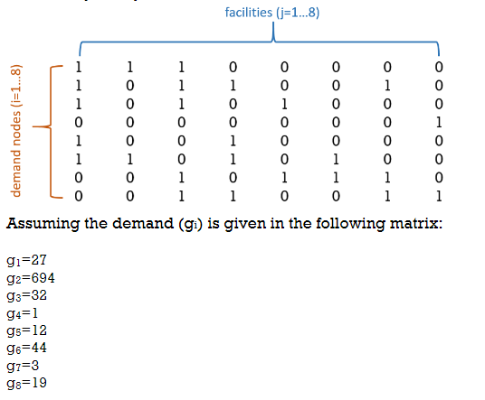
G-Value | Weight | P Value | Objective Function Value
G1 | 27 | 1 | 694
G2 | 694 | 2 | 738
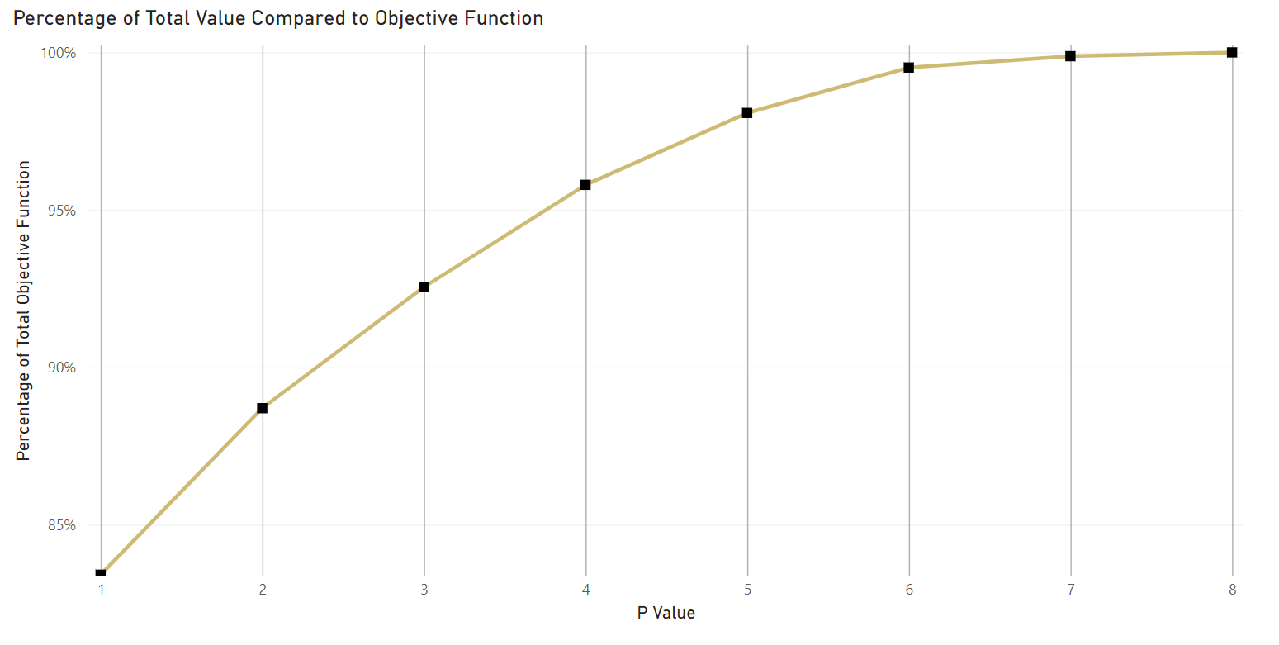
G3 | 32 | 3 | 770
G4 | 1 | 4 | 797
G5 | 12 | 5 | 816
G6 | 44 | 6 | 828
G7 | 3 | 7 | 831
G8 | 19 | 8 | 832

