DockerCommand
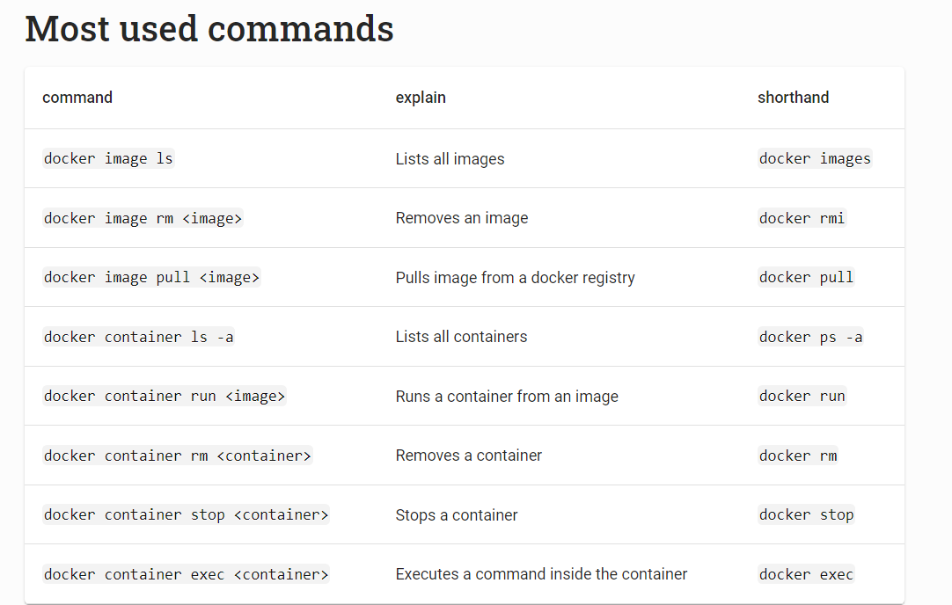
Docker Command

 | What is docker?

 | What is a container of docker?

 | Simply to understand, container is an instane of image. - same with class (docker) has an object (container)

 | 1. Container list

 |  | syntax: | docker container ls -a

 |  | Explanation | List all of docker container. This command will show container with id of them

 |  |  | Notice that containers have a CONTAINER ID and NAME.
 |  |  | The names are currently autogenerated. When we have a lot of different containers,
 |  |  | we can use grep (or another similar utility) to filter the list:
 |  |  |  |  |  | docker container ls -a | grep hello-world

 | 2. Docker run deamon
 |  | syntax: | sudo dockerd
 |  |  | dockerd is the daemon service for docker containers, because it is not running in background we're not able to take any actions related to the service, which needs be restarted.

 |  |  | This command should perform before practicing docker on wsl -> for starting docker deamon

 | 3. clear numerous of container |  | If you have hundreds of stopped containers and you wish to delete them all

 |  | syntax: |  | docker container prune

 | 4. clear everythings
 |  | Syntax: |  | docker system prune

 | 5. running docker
 |  | Syntax: |  | docker container run <NameOfImage> |  |  | # Running container from image
 |  |  |  | docker container run nginx |  |  | #

 | 6. Running docker in ubuntu

 |  | Syntax: |  | docker run -it ubuntu bash |  |  | # running docker on docker model

 | Image in Docker

 | 1. Download image without running

 |  | Syntax: | image pull <nameOfImage>

 |  | Example: | docker image pull hello-world

 | 2. Removing image

 |  | syntax: |  |  | docker image rm <nameOfimage>
 |  | explanation: |  |  | remove an image of docker
 |  |  |  | note | Before removing an image - we need to re move all the container
 |  |  |  |  | that belongs to image

 | 6. Summary

