Remediation and SO
Remediation and Services Orchestrator |  |  | Back to Cover Sheet

Introduction: Remediation is a very important phase of migration planning. This determines the data paths supported by GSC for migrations. The remediation report includes datapath qualification from Source array to the Target array along with all the components involved in the path between. Report also includes OS (level), maint. levels, HBA, HBA driver versions, SAN (Switches, Firmware) both FC and FCoE along with firmware levels of both Source and Target array and models. This reports provides which component has to be upgraded, if not an ISR has to be opened for any further support needed from GSC. Detailed process is described in the flowchart below.

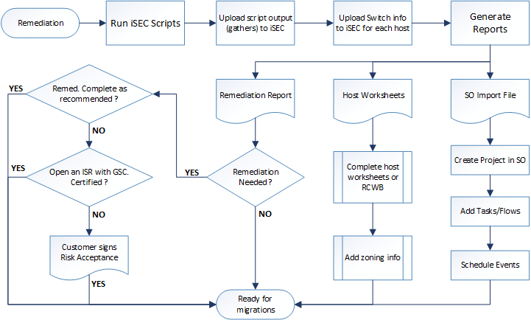

fig. 1.0 Flowchart displaying the stages of host remediation

Remediation
No. | Task/Steps
 | For a detailed document refer to the link on theLoop below:

1 | Create a new iSEC license or request for a new license from the sponsor.
 |  | URL to access iSEC: https://isec.hds.com/isec/
2 | From the Home page, go to Download section to download the iSEC Manual gather scripts.
3 | Upload to a common repository that all the Sys Admins can access or pass it on individually.
4 | Request to run iSEC host gathers as required.
5 | Upload the iSEC host gathers in iSEC web tool.
 |  | Note: Various Data Sources can be uploaded to iSEC for getting the reports.
 |  | For detailed explanation go to the attached Host Remediation pdf.
6 | Next update Switch information for all the hosts. (A switch matrix has to be provided with the required info by the customer).
7 | Once all the uploads are completed and info has been filled in, Generate Remediation reports from the Reports --> iSEC/SEC Reports section.
 |  | Note: For RIAT the path is Reports --> RIAT Reports section.
8 | Below are the list of reports possible to generate:
 | a | Host Inventory Report: Generates the list of hosts uploaded to the same license file
 | b | Host Remediation: Data path qualification for each OS flavor (in separate tabs) and ISR tab in the end.
 | c | Host Worksheet: Generates host worksheets for all the iSEC host gathers uploaded.
 | d | Services Orchestrator Import File: Can be used to create a project on SO (pass this to the PM to get the project created).
9 | To generate Remediation or Host worksheets, click on generate and select all the hosts you intend to be listed in the report and click Generate.
 |  | An email notification will be send when the report is complete. The amount of time the tool takes to generate is proportional to the number of hosts requested.
10 | For Host Inventory and SO Import File, just click generate and submit. Download when generated. (email notification will be sent when completed to download).
 |  | Note: If any of the reports run too long that expected, it is possible that the reports are stuck. Contact tdg.seconsole@hds.com.
11 | Read through the remediation reports and check for the columns Host Remediation, Switch Remediation and HBA Remediation for data path qualifications.
 |  | Note: There are 3 stages in the reports. If any of the prior stage(s) fails to pass, the following stage(s) are not validated.
12 | List all the upgrades needed and send to customer for upgrading.
13 | If both automated datapath qualification from iSEC reports fails and customer cannot upgrade the requested components, please submit an ISR (Interoperability Support Request).
 |  | ISR has to be submitted through Hitachi Sales. Please contact PTC, STC or a TC to help filling the ISR Sheet to submit to the Hitachi Account SE.
 |  | Please provide the ISR tab from remediation report and Switch Info (as requested by Hitachi) to Sales to Open an ISR.
 |  | HDS Interop --> https://support.hds.com/en_us/interoperability.html
 |  | This link lists interoperability matrices for each Hitachi feature/Storage System/Hardware and OS flavors. Download the appropriate OS file to qualify the host manually.

Services Orchestrator
No. | Task/Steps
1 | In the above section (step 8). A Services Orchestrator file can be generated for the same host list.
 | Once generated pass the file to the Hitachi PM to create a Project on SO.
 |  | Note: One has to have credentials created by the SO team. Contact SO team for credentials.
2 | URL to access SO: http://servicesorchestrator.hds.com/
3 | To create a project, click on "Create Project" button.
 |  | Fill in all the details as needed. Project Name, Start Date, End date, District, PM, EM, Lead TC and Customer with a brief description of the project.
4 | Once the project is created, go to the project, click on Hosts and "Import Hosts" to import the SO Import file.
5 | Add all the resources involved in the project.
6 | Schedule the hosts by events as planned.
7 | Also a template can be used (later can be edited) for the workflow for each host or for the whole project. A new Workflow can also be created if there are no templates matching the scenario.
 | For more detailed help with SO, go to Help and download the SO User's Guide.

UVM Overview
Overview of UVM and HTsM |  |  |  |  |  |  | Back to Cover Sheet
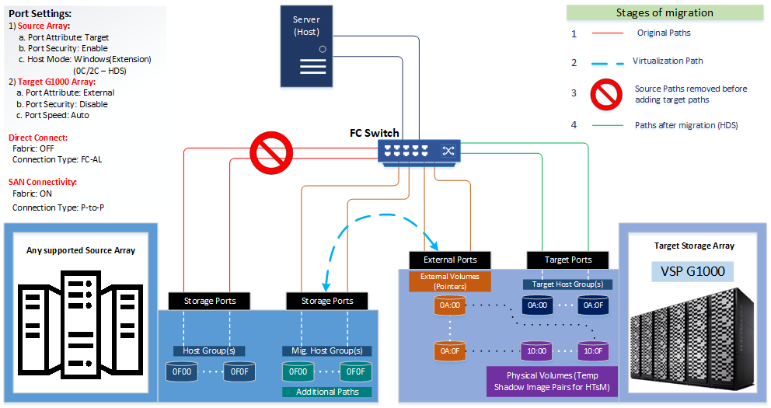

 |  | fig. 2.0 Overview of UVM and HTsM

Steps to Virtualize (UVM) Storage
No. | Task/Steps |  | Team | Resource(s) | Date/Duration | Status/Notes | Resources
1 | Refer to the completed Host Workbook / Host LUN Map for all the details needed for externalization. |  | Hitachi-TC | Storage |  |  | Customer
2 | On the SOURCE ARRAY - Present the LDEVS to be virtualized to G1000 for migrations onto the migration HSD/Host. |  | Hitachi-TC | Storage |  |  | Customer PM: | Cust_PM_TBD
 |  | For Hitachi, Copy paths to the alternate port. |  |  |  |  | Customer Storage Contact: | Cust_Storage_Lead_TBD
 |  | For EMC, map storage Group to the Migration Host or create a new Migration Host before mapping. |  |  |  |  | Cable Team Point of Contact:
3 | In case of clusters with Persistent Group Reserve (PGR), wait for the cluster to be shutdown to virtualize, for Hitachi Source use HMO 2 for MHSD (check microcode) |  | Hitachi-TC | Storage |  |  | Hitachi
4 | Login to HCS 8 and expand the drop down menu for the G1000. |  | Hitachi-TC | Storage |  |  | PM: | HitachiPM_TBD
5 | Create Host Groups on G1000 ports and configure LUN Security for each host. |  | Hitachi-TC | Storage |  |  | STC Oversight: | Hitachi_STC_TBD
6 | Select External Storage. |  | Hitachi-TC | Storage |  |  | TC Lead: | HitachiLeadTC_TBD
7 | Select System GUI on the top right of External Storage inner screen. (a window pops up, may have to give permission to proceed) |  | Hitachi-TC | Storage |  |  | TC 1: | HitachiTC1_TBD
8 | Select Add External Volumes |  | Hitachi-TC | Storage |  |  | TC 2: | HitachiTC2_TBD
9 | To create a new Path Group, select Create External Path Group. If a path group already exists select from the below listed existing path groups. |  | Hitachi-TC | Storage
10 | As the next window pops up, select Discover External Target Ports which shows all the ports with external attribute |  | Hitachi-TC | Storage
11 | Select External Ports under Available External Ports and Add them to the Selected External Ports list. |  | Hitachi-TC | Storage
12 | Click OK. |  | Hitachi-TC | Storage
13 | Select the right Source Array from the External Storage System drop down menu. |  | Hitachi-TC | Storage
 |  | Note: If you don’t see the source array, there may be as issue with the link setup (settings)
 |  | or the volumes may be not mapped on the source array to MHSD.
 |  | or the source volumes have PGR which can't be scanned until the host/cluster is shut down.
14 | Select the Available External Paths and Add them to the Selected External Paths list. |  | Hitachi-TC | Storage
15 | Adjust the Path Priority as needed. |  | Hitachi-TC | Storage
16 | Click OK. |  | Hitachi-TC | Storage
17 | When returned to Add External Volumes / External Path Group window click Next. |  | Hitachi-TC | Storage
18 | Select Discovered External Volumes. |  | Hitachi-TC | Storage
19 | Update Initial Parity Group ID, LDEV Name, Expand Options for Initial LDEV ID to input CU:LDEV IDs planned in the report card. |  | Hitachi-TC | Storage
20 | Click Add to move them to Selected External Volumes (and click Finish, if no HSD exists to map) |  | Hitachi-TC | Storage
21 | If HSD has been created as per step 5, click Next (to include any existing LDEVs to map to the same HSDs) |  | Hitachi-TC | Storage
22 | Click Next (if no additional LUNs to be selected) |  | Hitachi-TC | Storage
23 | In the following window select the Host Groups you wish to map these LUNs and Add them to Selected Host Groups section and click Next. |  | Hitachi-TC | Storage
24 | Validate the info as required in the following windows and click Apply |  | Hitachi-TC | Storage
25 | Wait for the tasks to finish and perform any validations. |  | Hitachi-TC | Storage
26 | Create NEW Zone between G1000 and each host. (DO NOT ENABLE) |  | Customer/ Hitachi-TC | Storage
27 | If the host is not down, bring in down, NOW. |  | Customer | Sys Admin
28 | Wait for confirmation. |  | Customer/ Hitachi-TC | Storage
29 | Disable OLD Zones between the SOURCE ARRAY and each host. |  | Customer/ Hitachi-TC | Storage
30 | Enable NEW Zones between the G1000 and the each host. |  | Customer/ Hitachi-TC | Storage
31 | Bring up host and validate storage |  | Customer | Sys Admin

TMEA Scorecards
TMEA Scorecard |  |  | Back to Cover Sheet
Introduction
 | TMEA Scorecard:
 |  | A TMEA scorecard displays the utilization levels of each resource in the storage subsystem with a scoring metric for a specific/requested timeframe. Score is the number of minutes above the thresholds.
 |  | The Scorecard service is an annual subscription for a data collection, processing and reporting to customer. The objective of the service is to evaluate the Scorecard and provide the customer with a report.
 |  | This service helps in alerting the customer that there is a problem if the scores begins to rise over time or are suddenly much higher than the previous reports.
 |  | The report is measured with 2 reference thresholds, Lower Threshold and Upper Threshold.
 |  | Lower Threshold is the utilization level beyond which there is inadequate reserve capacity to sustain a "no single point of hardware failure without processing disruption"
 |  | Upper Threshold is the approximate point of resource exhaustion.
 |  | The Owner Tab in the report helps the customer identify the specific owner(s) using the resources that may have high scores to help them narrow the scope of what requires further investigation.
 |  | SPA FirstAid: If a service is not requested by the customer, a data polling might help them in the future to have a baseline assessment for any problems/issues a customer is facing. As the data is already polled, it can be processed and assessed.

 | SPA Service:
 |  | The Storage Platform/Storage Assessment is an analysis, using a standardized methodology, of the alignment of the customer’s deployment and utilization of the Storage Systems with Hitachi’s recommended deployment practices.

 | Data collection:
 |  | A software is supplied by Hitachi that runs on a server supplied by the customer which polls the storage metrics every minute for its resource utilization and every four hours for its configuration.
 |  | The data is then transferred to Hitachi via the internet where it is processed on servers provided and supported by Hitachi.
 |  | If it is a service the Scorecard Reports are sent to customer on a weekly, biweekly or monthly basis in Excel format via an email as per the SoW.

License Request
 | To create a new TMEA (Scorecard Service, SPA FirstAid, SPA Storage Assessment or SPA T&M) license, go to iSEC:
 | a | URL to access iSEC: https://isec.hds.com/isec/
 | b | Go to "License" -> "Generate" ->
 | c | Complete the License Request Form for both Engagement and Customer Information. Remember no special characters are allowed except for @ in the email field. Do not use a space in the customer name field.
 | d | In Service Information, from the drop down menu for "Service Type", select the appropriate Scorecard or SPA service.
 | e | Select the "Storage Type" and enter the "Serial Number" and "Add to List".
 | f | Select the "Valid Till" Date and click "Submit". (Duration)
 |  | Note: Approved SoW has to be provided to DataMart along with the request for generating a license.

 | For a SPA FirstAid: DataMart provides with a 30 day temporary license to work on the issue.

HW/SW Requirements, CMD Device allocation and Installation
 | DataMart will provide with the instructions to install along with the HW/SW requirements for the collector server when a new license is requested using the iSEC License Request form.
 |  | - Any OS which is still being developed/patched. Desktop Systems and Server 2003 are not supported.

 | Installation:
 |  | When a project/customer requests for the service, contact DataMart for installation of TMEA Data collector.
 |  | DataMart usually handles all the installation along with coordinating with customer because of the complexities involved with firewall and security. They also provide a process document if the TC can handle the installation.
 |  | Prefer to have User Access Control (UAC) turned off for the install, check with security team regarding this before doing so.

 | The following are the pre-requisites prior to installing TMEA before engaging DataMart Support (Contact TC for any questions):
 | a | Identify the Collector Host and document the below details:
 |  | Server Name and Sever IP address
 | b | Download the TMEA Collector Software and RAID Manager Library from DataMart FTP
 |  | FTP Site: datamartftp.hds.com
 |  | FTP User: tmea
 |  | FTP Pass: tmea
 |  | For Windows:
 |  | All: TMEACollectorInstaller-x.exe (2008*/2012* compatible)
 |  | • (Notice there are 32-bit and 64-bit versions)
 |  | Modular: HSNM2-x-CLI-x.exe
 |  | VSP*/USP*/HUSVM: RMLIB_Windows_*.zip
 |  | For Linux:
 |  | TMEA*rpm TMEA*txt and RMLIB* - The document describes packages needed.
 |  | Solaris – No longer supported
 | c | Download all the License files onto the collector host.
 | d | Using the right steps, allocate a command device for each Enterprise storage subsystem that will TMEA will collect from.
 |  | A 1.03 GB Command device dedicated solely to TMEA has to be created and presented for each enterprise array. Should not share with any other applications.
 |  | For Windows/Linux Physical Collector Host:
 |  | a) Carve out a LDEV with command device attribute ON.
 |  | b) Allocate the Command Device (CMD) to the collector host.
 |  | c) Zone and scan for the LUN on the host.
 |  | For VMware:
 |  | a) Carve out a LDEV with command device attribute ON.
 |  | b) Allocate the Command Device (CMD) to the collector ESX Server
 |  | c) Zone the ESX Server HBA WWPN to the Storage Port(s)
 |  | d) Discover the CMD Device LDEV and deploy them to the Collector VMware Guest as RDM (Raw Device Mapping) Device.
 |  | i) Login to vSphere Client and Select the 'Configuration' tab
 |  | ii) Select the 'Storage' quick link under 'Hardware'
 |  | iii) Click the 'Devices' button
 |  | iv) Select link for 'Rescan All'
 |  | v) Click 'OK' to Scan for 'New Storage Devices'
 |  | vi) Verify the CMD LUN(s) show up under the list of 'Devices'
 |  | vii) Select the 'Virtual Machines' tab
 |  | viii) Select the guest for TMEA Collector, right-click and select 'Edit Settings'
 |  | ix) Click on 'Add', Select 'Hard Disk' under 'Device Type' and then click 'Next'
 |  | x) For type of disk, select radio button for 'Raw Device Mappings'
 |  | xi) Select the specific LUN to RDM based of the device name.
 |  | For example in the Name string, S/N=cf5e Hex for 53086, port=00 (CL1-A) and last 4 characters (ex: 0610 = 06:10). This is based on Array WWPN+Serial Number+LDEV ID.
 |  | xii) Specify the Datastore for RDM Device
 |  | xiii) Then select the Physical Compatibility Mode for proper interaction with CMD.
 |  | xiv) Leave the defaults for Virtual Device Node SCSI_ID. Finish the RDM mapping.
 |  | xv) Once the task is complete, validate the mapping by going to settings and then you're ready to use it as a CMD for TMEA Collector.
 | e | Create a Account on all modular arrays with the right authentication dedicated for TMEA.
 |  | Username: tmea Password: tmea123
 | f | Document the controller (0 and 1) IP addresses for all Modular Arrays.
 | g | Validate if Telnet is installed, in case of troubleshooting (2008/2008 R2/2012)
 |  | Open Administrative Command Prompt
 |  | Run -> pkgmgr /iu:"TelnetClient"
 |  | Test telnet is installed by running telnet at the command prompt.
 | h | Install .net 3.5 on Server 2012. Skip this step if you are using 2008.
 |  | Note: Cannot install .net 3.5 on the fly for Server 2012 when connected to a domain or maintained by WSUS/SCCM/etc.
 |  | If not on a domain or maintained by a package manager, Mount the ISO or insert DVD on the 2012 Server,
 |  | - Add Roles and Features Wizard
 |  | - Select .NET Framework 3.5 Features
 |  | - Select Specify an alternate source path link in the Confirm installation selections screen.
 |  | - Path X:\Sources\SxS and then click OK.
 |  | - Click Install button.
 | i | To use the Watchdog function, you must have access to an SMTP server on port 25, 465 or 587.
 |  | Watchdog function monitors your TMEA services and emails the recipients identified in the event of a failure. There may be more than one recipient.
 |  | Collect the below information for Watchdog function:
 |  | i. Mail Server:
 |  | ii. Port:
 |  | iii. Username (if any):
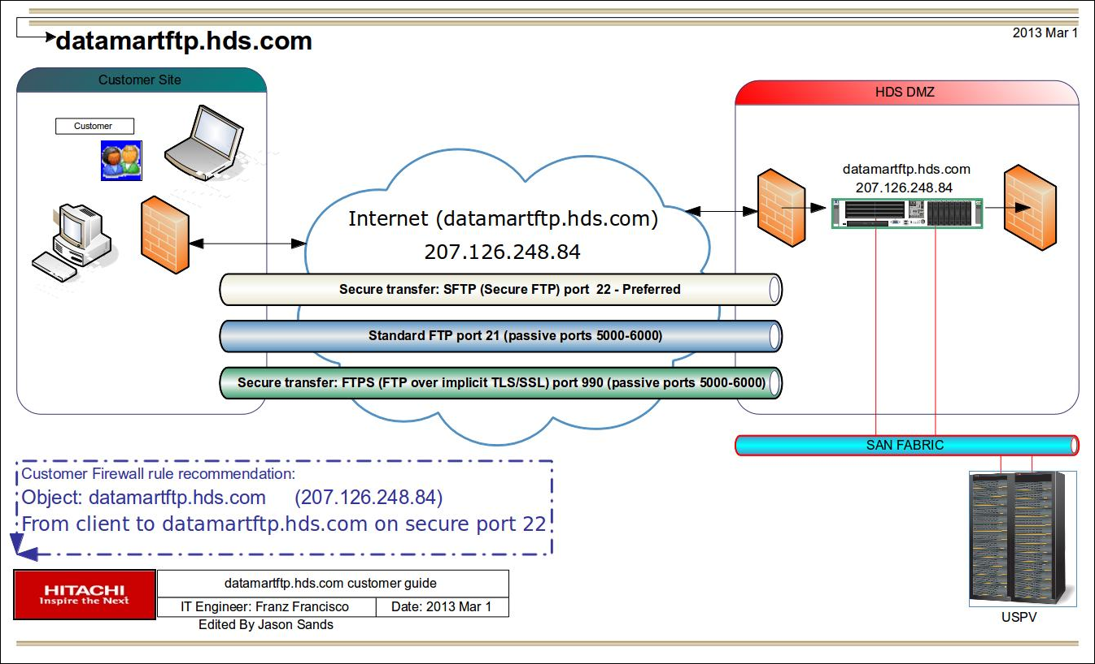
 |  | iv. Password (if any):
 |  | v. Sender's Email:
 |  | vi. Recipients Email address(es), 1 or more:
 | j | Firewall is setup to allow automatic transfers. Files are encrypted and not readable until inside Hitachi network.
 |  | 1) Open FTP port for automatic upload (Most Recommended). Refer to the image on the right ----------------------------------------------------------------------->>>
 |  | i. Host: 207.126.248.84 -> datamartftp.hds.com
 |  | ICMP echo is off – no ping response available
 |  | ii. Modes supported: SFTP (22) - FTP (21) - FTPS (990)
 |  | FTP and FTPS require passive ports 5000-6000
 |  | 2) To manually transfer files over FTP, follow the document below (Not Recommended):
 |  | http://datamartftp.hds.com/tmea/Docs/ftp_manual_transfer.pdf
 |  | Additional documentation available at: http://datamartftp.hds.com/tmea/Docs/

 | Linux Collector autostart.sh set up steps:
 | 1 | Upload the autostart.sh in /opt/TMEA/bin.
 | 2 | Change the permission of this script by using this command: “chmod 755 autostart.sh”.
 | 3 | Open the crontab by running this command: “crontab –e”.
 | 4 | Insert any one of the below command in crontab job to determine the execution plan for this script and commit the changes:
 |  | Run at every 15 minutes:
 |  | */15 * * * * /opt/TMEA/bin/autostart.sh
 |  | Run at every hour:
 |  | 0 */1 * * * /opt/TMEA/bin/autostart.sh
 | 5 | Verify the crontab changes by using this command: “crontab –l”
 |  | Sample output: */15 * * * * /opt/TMEA/bin/autostart.sh fig.3. DataMart connectivity and firewall rule recommendations
 | 6 | You can view the logs of this script by run this command: “vi /tmp/autostart.log”.
 |  | Note: This script will check if any of the services from the running instance is stopped or not and if any service is stopped then it restart it automatically. And it is tested on Linux collector version: 9.5b12

Request a User account on TMEA DataMart (Optional but not required for Scorecard)
 | To request a user account, there must be a need for TMEA DataMart access or resource assignment for a specific Scorecard Service.

 |  | Send an email (to the below email ID) requesting to create a user account on TMEA DataMart with the Accounts you want to be associated with (if the account already exists).
 |  | DataMart Support: datamart.support@hds.com

 |  | Once the TMEA Account has been created, DataMart will send a notification with the URL to access along with your credentials. Note: A temporary password will be provided which has to be changed on the 1st login.
 |  | Page access URL: https://tmea-na.hds.com/tmea

Scorecard Generation and Interpretation
 | Introduction to Scorecard:
 |  | Scorecard accurately summarizes the resource(s) utilization for more rapid search and view. Scorecard doesn't plot a graph instead it details the data points for every minute of the week.
 |  | As there are 10080 minutes in a week, due to the difficulty to plot a graph for all these minutes and still maintain the precision, scorecard uses a spreadsheet to present all the interesting data points.
 |  | Examines:
 | a | Probable over-utilization of resource
 | b | Indicates which resource is in trouble and severity (by count)
 | c | In some cases, indicates impacted device owners (not much useful for VSP's and G1000 because of the wide sharing of VSD's)

 | Steps to generate a Scorecard:
 | 1 | Access TMEA using the below URL:
 |  | Page access URL: https://tmea-na.hds.com/tmea
 | 2 | Select the customer or the project name under "Analyze" (Left drop down menu)
 | 3 | The above step should populate all the resources being monitored, click "Analyze" in the "Action" column against the "Resource" name which you wish to create a scorecard for. You would see "<Resource_Name> selected for analysis"
 | 4 | On the left menu, "Reports" should have expanded various options as below:
 |  | >> Basic Reports
 |  | >> Configuration Workbook
 |  | >> Development-Jack
 |  | >> Modeling
 |  | >> Scorecards
 |  | >> Standard
 | 5 | Expand on "Scorecards" and select "Premium Scorecard", which populate a form on the right.
 | 6 | Select the type of report you wish to create, below are the available options:
 |  | System Scorecard
 |  | Legend
 |  | Owner Scorecard
 |  | Scorecard Log (day)
 |  | Scorecard Log (Hour)
 |  | Scorecard Log (1 minute)
 | 7 | Once the type is selected, then select the Data Range (From Time and To Time). This can also be saved by creating a new Date Range name.
 | 8 | In the Report Type, select "Excel" (as this is displayed on data points, this is the only option that will work).
 | 9 | Leave defaults for Report Contents as "Table" and axis to "Auto".
 | 10 | Next you could display the report right away, schedule this report for a later time or also add it a batch job for a periodical generation.

 | Open the scorecard, below are the tabs and description in the report:
 | a | System Scorecard - Displays scores for each time interval selected by each resource/type. Observe the number of minutes under RTH (Upper/Lower) and Oth (Upper/Lower)
 | b | Legend - Provides a detailed description of each field listed in System Scorecard tab. Below are the details from Scorecard's Legend:
 |  | Period Ending - Scorecards may be produced by the Week, Bi-Weekly, and by the month. The Period Ending Column is the last day of the observed period. The minutes observed row displays the number of minutes in the period.
 |  | Device Owner - Brief Definition: The server or cluster using the storage resource this row represents. If a resource has multiple owners, the row will appear multiple times.
 |  | Resource Type - Cache, Internal Paths, Back End Director (BED), Client Host Processor (CHP), Array Group
 |  | Resource - Identity of individual storage resources
 |  | Lower Criteria - This threshold represents the approximate level at which there is inadequate reserve capacity to continue undisrupted operations after one member of an active redundant pair has failed.
 |  | Upper Criteria - This threshold represents the approximate level at which resource exhaustion occurs.
 |  | RTH Lower - Response Time Hours Score, Lower Threshold (RTH Lower)
 |  | RTH Upper - Response Time Hours Score, Upper Threshold (RTH Upper)
 |  | OtH Lower - Other Hours Score, Lower Threshold (OtH Lower)
 |  | OtH Upper - Other Hours Score, Upper Threshold (Oth Upper)
 |  | Score - Count of the number of minutes the threshold was been exceeded.

 |  | System in the Device Owner Column. Scores for each/every storage resource using the System Calendar.
 |  | <Owner Name> in the Device Owner Column. Scores for each/every storage resource used by that Owner using the Calendar assigned to that Owner. If no Calendar is assigned to that Owner, the System Calendar is used as the default.
 |  | Sum All ---Cache, CHP, and Array Group Resources are reported individually. Internal Paths and BED microprocessor scores are reported as an aggregate sum.
 | c | Owner Scorecard - Provides scores by each Device Owner.

 | There are two different time periods which are determined by the Calendar:
 | a | Interactive Window- Can be interpreted as business hours for the customer
 | b | Batch Window - Could be non-business hours or hours for a pre-defined vacation day(s) in the TMEA Calendar

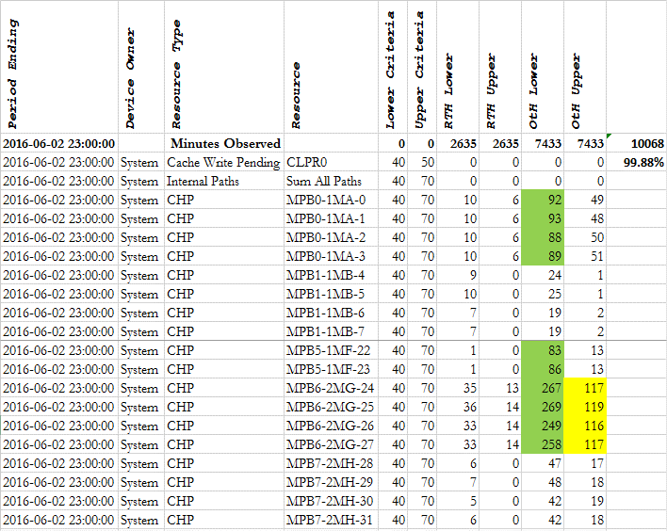
 | What to look for ? How to interpret the scores ?
 |  | Depending on RTH Lower/Upper and Oth Lower/Lower scores, we can determine the resources which are under-utilized or over-utilized. This enables the customer to understand the resource utilization and how it is impacting performance.
 |  | The scores from weekly reports (if a SPA service is being provided) enables to monitor the growth in terms of performance which in-turn can act as alerts to the customer.

 |  | From the snippet on the right, we can see that the total minutely data collected is 10068 out of possible 10080 (minutes in a week). Which is about 99.88%.
 |  | This is a very good collection as we have samples from most of the week.
 |  | The score which is shown in green on the right can be interpreted as the number of samples or minutes which were below 40 % Utilization.
 |  | Similarly, the score which is shown in yellow on the right can be interpreted as the number of samples or minutes which were above 70 % Utilization.

 |  | Understanding scores in the interactive window are completely different from the batch window. For example, SLA in the interactive window is response time while the batch window
 |  | is throughput. Therefore the user would like to see lower scores in the interactive window while higher scores in the batch window might be
 |  | considered acceptable.

 |  | Cache-Write Pending - scores should always be ZERO (0).
 |  | Lower Criteria scores requires investigation.
 |  | Upper Criteria scores requires immediate attention.

 |  | MPB - Besides monitoring score activity from week to week, a TC would like to expect score consistency within a grouped resource. For ex., ideally all the scores for MPB should
 |  | be identical. Significant differences requires future analysis.

 |  | HDP Pools - should have identical scores. Different scores are result of expanding the pools without rebalancing the pools. This could lead to performance problems.
 |  | HDT Pools - tiering must be understood to interpret the scores. It is very common for Tier1 FMD RAID Groups to have very high scores and Tier-2 and 3 lower scores.
 |  | - Variable scores in a tier (Tier2 and 3) could be a result of expansion and not rebalancing.
 |  | - If the lower tier has higher scores compared to its higher tier, this could lead to performance issues. May have been caused of multiple scenarios, few listed below:
 |  | a) The page relocation hasn't completed properly, due to the relocation window not big enough.
 |  | b) Pool sizing not compatible for the workload.
 |  | c) May be HDT is not the right option for this specific workload.
 |  | d) The RAID group and drive types may not be right for the workload.
 |  | e) Possibly a wrong page was tied manually to a particular tier. fig.4. Sample Scorecard (system)

Calendar
 | TMEA Calendar is maintained by DataMart.
 |  | A standard TMEA calendar week starts on a Sunday and ends on a Saturday. This can changed by requesting DataMart to Monday through Sunday.

 | Evaluating utilization requires knowledge of the intended use of the resource, i.e. for interactive or batch processing which have conflicting usage strategies and optimization goals.
 | Conflicts between contending users can be resolved by separating contending users by resource (dedicated resources), or more commonly by time of day/day of week.
 | A Calendar assigned to a Device Owner implies assignment of the same Calendar to all the resources used by that Device Owner.
 | A Device Owner may only have one Calendar, but a Calendar may have many device owners.

Additional Notes/Help
 | Watchdog:
 |  | To change the license check to 7 days:
 | 1 | Open the Installation directory of TMEA Collector. For Ex: C:\Program Files\HDS\TMEA Collector
 | 2 | Open the IntervalFile.txt and change the value for DaysBeforeLicenseExpireReportingStarts to 7
 | 3 | Restart the Watchdog Service.

 | To update license on a Windows TMEA Collector server, download/transfer the new license file(s) for each storage subsystem onto the server:
 | 1 | Open the TMEA Collector Command Center by clicking on the TMEA Collector icon.
 | 2 | Select the Model type on left panel of TMEA Collector Command Center window.
 | 3 | Select the subsystem and stop Services.
 | 4 | In the central panel, click on browse button and change the path to new license file.
 | 5 | Click Save Settings
 | 6 | Restart the TMEA Collector services

 | Steps to setup archiveRetention script for Linux Collector:
 | 1 | Login to TMEA Linux collector machine using root user.
 | 2 | Upload the archiveRetention.sh file at location “/opt/TMEA/bin “.
 | 3 | Run command “chown root:root /opt/TMEA/bin/archiveRetention.sh “
 | 4 | Run command “ dos2unix /opt/TMEA/bin/archiveRetention.sh ”.
 | 5 | Run command “ chmod 755 /opt/TMEA/bin/archiveRetention.sh ”.
 | 6 | Set up a cronjob for each instance/array to run once a day as mentioned below.
 |  | #minute hour * * * command
 |  | 30 23 * * * /opt/TMEA/bin /archiveRetention.sh <full path of output directory>/archive/
 |  | Example: 30 23 * * * /opt/TMEA/bin /archiveRetention.sh /TMEA/data/53086/archive/
 |  | Note: Please set up the proper path for instance output directory, otherwise it might leads to delete the files from other path.

AIX VIO Process
AIX VIO (also VSCSI) UVM+HTsM Process |  |  |  |  |  |  | Back to Cover Sheet
No. | Tasks/Steps |  | Team | Resource(s) | Date/Duration | Status/Notes | Recourses
 | NOTE# If there is a boot from SAN config, a new LUN has to be presented ahead and the SA has to perform his steps before migration window to boot of the new disk. |  |  |  |  |  | Customer
 | All teams involved should read through the process completely before performing any migration. Sys admin should sign off on the process before proceeding. |  |  |  |  |  | Customer PM: | Cust_PM_TBD
Prep work |  |  |  |  |  |  | Customer Storage Contact: | Cust_Storage_Lead_TBD
1 | Validate that the required host remediation has been performed and host is qualified to migrate. (Else, Open ISR as needed and wait for approvals) |  | Hitachi-TC | Storage/SAN |  |  | Cable Team Point of Contact:
2 | Submit cable request for SAN changes and perform any patching for servers scheduled to migrate. (if needed) |  | Customer/ Hitachi | PM/TC |  |  | Hitachi
3 | Storage Prep |  |  |  |  |  | PM: | HitachiPM_TBD
 | a | Virtualize Source Array behind the G1000 (if already exists, validate the options set and procedure followed) | Hitachi-TC | Storage/SAN |  |  | STC Oversight | Hitachi_STC_TBD
 | b | Map the LUNs to be migrated onto the virtualized ports on Source Array to G1000 | Hitachi-TC | Storage/SAN |  |  | TC Lead: | HitachiLeadTC_TBD
4 | SA Host Data Gather |  |  |  |  |  | TC 1: | HitachiTC1_TBD
 | a | Validate Server documentation and configuration (validate scorecards and SA host info gather) | Customer | Sys Admin |  |  | TC 2: | HitachiTC2_TBD
 | b | Validate Zoning info. | Customer | Sys Admin
 | c | VSCSI LUN mapping document for each LUN, with PVIDs | Customer | Sys Admin
 |  | "Document paths and controller numbers and gather additional disk information including mount points, LUN numbers, etc. (iSEC/getconfig scripts will collect this) from the hosts" | Customer | Sys Admin
5 | Storage/SAN Planning
 | a | Create/Validate Host Scorecard with all the host Storage/LUN and SAN details. | Hitachi-TC | Storage/SAN
 | b | Document all the information regarding replication if any exists. | Hitachi-TC | Storage/SAN
 | c | Plan and assign CU:LDEV in scorecards (start after CU = XX) per customer requirements (if any) | Hitachi-TC | Storage/SAN
 | d | Storage Front End Ports for HSDs, HSD naming assumed to stay the same. CU:LDEV preferred for the Host. | Hitachi-TC | Storage/SAN
 | e | Zoning information to confirm G1000 ports and to validate WWNs. | Hitachi-TC | Storage/SAN
6 | Create (Stage) Host Storage Domains (HSDs+HM+HMO) on G1000 and add WWNs for the host groups |  | Hitachi-TC | Storage/SAN
7 | Make sure the aliases for the new Storage Front End ports are created in SAN. Document them on scorecard. |  | Customer/ Hitachi-TC | Storage/SAN
8 | Ensure required software and licenses are available at accessable location (HDLM+ODM) |  | Customer | Sys Admin
PRE OUTAGE TASKS
9 | Validate console access to server, if available |  | Customer | Sys Admin
10 | Validate that system and applications backups are current |  | Customer | Sys Admin
11 | Create Host Group if they do not exist, add WWNs and select appropriate Host Mode Options |  | Hitachi-TC | Storage/SAN
12 | Gather current working information of the servers (run Hitachi iSEC scripts again to have the latest info, any others as needed) |  | Customer | Sys Admin
13 | Gather DB device information (as needed) |  | Customer | DBA
OUTAGE WINDOW
At this point Customer will approve Go/No Go for the Outage/Server reboots and shutdown
 | Validate Server and Sanity Reboot
14 | Incremental backup (validate and take one if needed) |  | Customer | Sys Admin
15 | Make sure we have required Change Control. |  | Customer/ Hitachi | PM/Event Organizer
16 | Notify the Supervisor (or D-list if provided) of Event Start. At this point Customer will approve Go/No Go. |  | Customer/ Hitachi | PM/Event Organizer
17 | Reboot server and validate if it comes up with no issues (Sanity Reboot). Login to console to monitor the reboot or for any system messages. |  | Customer | Sys Admin
18 | If the host comes up healthy it’s a GO, else No-Go as per the Technical Team and PM decision. |  | Customer/ Hitachi | PM/Event Organizer
Remove all the mapping information for each hdisk on each VIO client/client
19 | Prepare for getting the host ready for migrations
 |  | Shutdown user applications and disable autostart (its required as the sanity reboot is performed the application might auto-start) | Customer | DBA/Sys Admin
20 | On the LPAR |  | Customer | Sys Admin
 | a | Un-mount non-root filesystems
 |  | #umount
 | b | Disable SAN swap devices
 |  | #swapon /dev/hd6
 |  | #swapoff /dev/paging##
 | c | Vary off SAN (non-root) volume groups
 |  | # varyoffvg VolumeGroupName
 | d | Export SAN volume groups (unless there are DBs accessing raw devices then skip)
 |  | # exportvg VolumeGroupName
 | e | Remove all non-root hdisks
 |  | rmdev <--- warning active maps can be removed***
 | f | Shutdown the AIX LPARs
21 | On the VIO |  | Customer | Sys Admin
 | a | Remove the vhost mapping to hdisk on both VIO servers
 | b | Release SAN SCSI reserves
 | c | Remove all source array hdisks from HDLM
 |  | # /home/dgutierr/Remove <PowerPath device>
 |  | # lsvg; lspv; lsdev -Cc disk
 | d | Verify device cleanup
 |  | # cfgmgr;lsdev -Cc disk;lspv
 | e | Install or upgrade Hitachi AIX ODM
 | f | Install or upgrade HDLM (Hitachi multipathing software). Or use native MPIO
 | g | Verify the reservations before removing the hdisks from LPAR and Server | Customer | Sys Admin
 |  | Varying off the volume groups should release the reservations (in fact there should not be any reservations in a VIO environment). If this is HDLM, you can use the dlmpr command to check.
 |  | Check the reservations and remove hdisks
 |  | ==> dlmpr (if using HDLM). MPIO does not use persistent reservations - uses single path SCSI2 reservations.
 |  | ==> rmdev -dl hdiskx
 | h | Shutdown the host
Hitachi G1000 virtualization (Follow Host Scorecard and UVM+HTsM procedure doc)
22 | Make sure all the replications are split and the LUNs are SMPL (if applicable) |  | Hitachi-TC | Storage/SAN
23 | Perform UVM to virtualize Source LUNs to G1000 |  | Hitachi-TC | Storage/SAN
24 | Map the virtualized LUNs to HSDs on G1000. Validate the mapping. |  | Hitachi-TC | Storage/SAN
Zoning Changes
25 | Make sure the zoneset has been backed up as per customers requirement before making any changes. |  | Hitachi-TC | Storage/SAN
26 | Remove the Source Array zones from the active zone set and activate |  | Hitachi-TC | Storage/SAN
27 | Perform required cable swaps to move to the new SAN (if applicable) |  | Customer | Cable Team
28 | Add G1000 zones to the active zoneset |  | Hitachi-TC | Storage/SAN
29 | Activate the zoneset, validate and handover the host to the SA for next steps. |  | Hitachi-TC | Storage/SAN
Startup and Verify Server
30 | Power on and boot the VIO servers |  | Customer | Sys Admin
31 | Rediscover the storage on VIO servers/client |  | Customer | Sys Admin
33 | Verify the hdisks. Compare lspv listing to the one obtained prior to removing the hdisks |  | Customer | Sys Admin
 |  | If no hdisk, check with storage and run cfgmgr to bring hdisks onto primary vio server, then run cfgmgr on secondary vio server
 |  | cfgmgr
 |  | ==> cfgmgr, cfgdev ==> lsdev -slots
34 | Validate HDLM or Native MPIO for new disks |  | Customer | Sys Admin
35 | Set the HDLM or Native MPIO options as needed |  | Customer | Sys Admin
 |  | ==> Check the reservations. Change each hdisk to no_reserve
 |  | Command EX: $ chdev –l hdiskx –attr reserve_policy=no_reserve or $ chdef –dev hdiskx –attr reserve_policy=no_reserve (* see comments)
 |  | ==> The reserve policy must be changed to no_reserve if using dual VIO servers.
 |  | i. chdev –l hdiskx –a reserve_policy=no_reserve

 |  | ==> The MPIO scheduling algorithm may be changed to round_robin if the reserve policy is changed to no_reserve.
 |  | i. chdev –l hdiskx –a algorithm=round_robin
36 | Check the reservations. Change each hdisk to no_reserve (for VIO clusters) |  | Customer | Sys Admin
 |  | ==> Change reserve policy for all the disks: - exclude rootvg
 |  | run in the AIX shell (oem_setup_env)
 |  | for each in `lspv |awk '{print $1}'`
 |  | do
 |  | echo $each
 |  | chdev -l $each -a reserve_policy=no_reserve
 |  | echo
 |  | done
 |  | To view the current setting for the queue_depth value, issue the following command:
 |  | lsattr -El hdiskN
 |  | To change the queue depth, use the chdev command with the queue_depth=value attribute as in the following example:
 |  | chdev -l hdiskN -a "queue_depth=value"
 |  | QDepth Note: Hitachi general recommendation is a queue depth of = 32 on the VIOS (maximum for a vscsi adapter = 512-1) and it must be same or lower on both LPAR (Client) as compared to the VIO server.
 |  | Recommended to use the same queue depth being used on the clients currently.
37 | Redefine the storage and remap the storage on each VIO server/client |  | Customer | Sys Admin
 | a | Run the VIO scripts to gather new hdisks. Send old hdisk information to SA for comparison.
 | b | Determine matching hdisks on each VIO server
 | c | Mapping the physical disk from the VIOs to the client Lpar (note: imply same command on all VIOs)
 |  | Command Example: $ mkvdev –vdev hdiskx –vadapter vhostx –dev VTD(Virtual Target Device) Name
 |  | List all the mapping between VIOs and Client Lpars
 |  | $ lsmap -all
 | d | List client and server connection between a specific LPAR
 |  | $ lsmap –vadapter Vhostx
 | e | Then, logon to the client Lpar, if active, (note: if it’s a new Lpar, activate the Lpar in SMS mode)
 |  | And, #cfgmgr
38 | Verify correct LUN's are present with MPIO |  | Customer | Sys Admin
39 | Verify mounts and data present |  | Customer | Sys Admin
40 | At this point Customer will approve Go/No Go |  | Customer | PM
Restart Server Services (Running off Externalized LUN'S)
41 | Start database/s as required. |  | Customer | DBA
42 | Verify normal operation of all database/s as required. |  | Customer | DBA
43 | Start application/s (Enable Autostart) |  | Customer | DBA
44 | Verify normal operation of all application/s as required. |  | Customer | DBA/App Owner
45 | Once all the applications are validated, make sure the PM/Event organizer gets a confirmation mail from the App Owner (very important) |  | Customer/ Hitachi-PM | App Owner/PM/Eve Org
46 | Send status update to the d-list notifying the migration window has completed |  | Hitachi-PM | PM/Event Organizer
47 | Setup replication to the new LUNs as desired by the design/plan (if needed) |  | Hitachi-TC | Storage/SAN
48 | Restart Server Services (Running off Replicated LUN'S, if applicable) |  | Customer | Sys Admin
49 | At this point Customer will approve Go/No Go for HTsM Migrations (Request for confirmation email) |  | Customer/ Hitachi | PM
POST OUTAGE
50 | Once the apps are up and validated, refresh the storage system of the G1000 on the HCS. |  | Hitachi-TC | Storage/SAN
51 | Kick off all the HTsM tasks as needed (Consult to the procedure document and host scorecard for more info) |  | Hitachi-TC | Storage/SAN
52 | Run Zero Page Reclaim (ZPR) for non DP/thin provisioned source LDEVs (Recommended to run later so HTSM tasks finish faster) |  | Hitachi-TC | Storage/SAN
53 | Make sure all the migration tasks have completed successfully and the CU:LDEV have swapped on the virtualized LUNs. |  | Hitachi-TC | Storage/SAN
54 | Update team/D-list that HTsM migrations tasks have completed successfully. |  | Hitachi-TC | Storage/SAN
55 | Validate if any change controls are needed to perform clean up or if one already exists. |  | Hitachi-TC | Storage/SAN/PM
56 | Clean up of virtualization on G1000 |  | Hitachi-TC | Storage/SAN
 | a | Disconnect the virtualized LUNs in External Storage on the G1000.
 | b | Delete the virtualized LUNs in External Storage on the G1000.
57 | Update Services Orchestrator with the tasks completed per event/per host. |  | Hitachi-TC | Storage
58 | Validate and clean up the zones from Source Array (if needed by customer, also follow customer standards for cleanup) |  | Customer/ Hitachi-TC | Storage/SAN
59 | Delete/Reclaim the storage on the Source Array (if needed by customer, also follow customer standards for cleanup) |  | Customer/ Hitachi-TC | Storage/SAN

More reading on VIO VSCSI hdisk mapping, refer to the blog below:
 | https://www.ibm.com/developerworks/community/blogs/brian/entry/vio_vscsi_mapping24?lang=en

 |  | VIO VSCSI hdisk Mapping - save the headache and map them the easy way.

 |  | One of the drawbacks of using VIO VSCSI to map SAN LUN's to LPAR's is the time it takes to map the disks through on the VIO servers. The LUN's must be created on the SAN and allocated to the VIO server. On the VIO server you must then map each hdisk to the LPAR. If you are using dual VIO servers it is even worse, not only must you map the LUN through on both VIO servers, but there is a good chance that the hdisk and vhost devices are numbered differently on each VIO server so the mapping commands could be different on each VIO server.

 |  | If you have a bunch of servers and LUN's to map, it can really be time consuming and a huge headache to map all of these correctly. The mappings are critically important to get right.

 |  | Here is a diagram that shows an example of the mapping commands needed to map a single LUN in a dual VIO server environment:

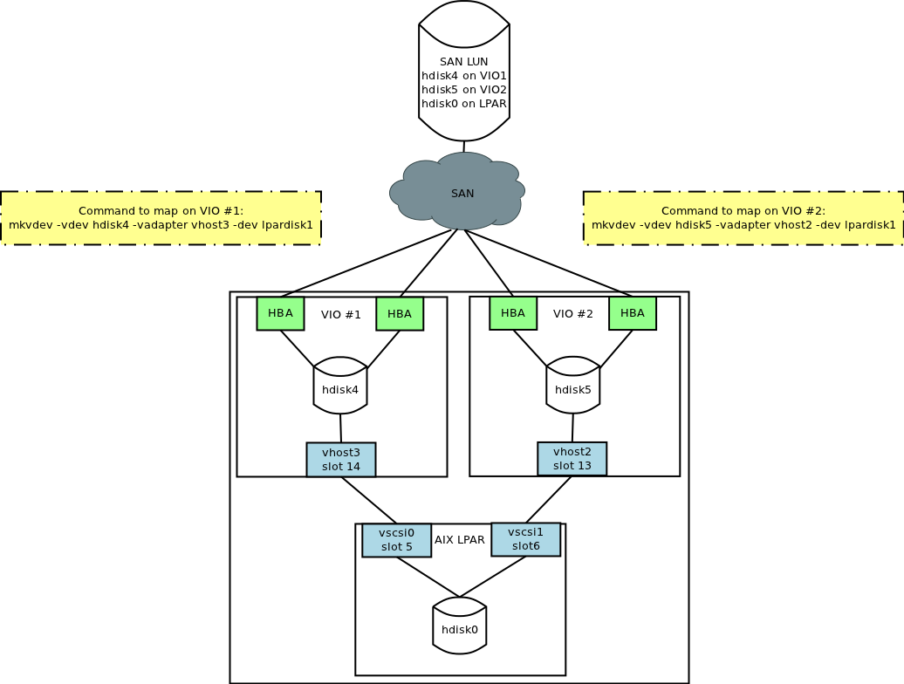

 |  | Below is a Perl script that will make this task considerably easier by generating these mapping commands automatically for you. It generates the commands to map the LUN's from the VIO servers to the LPAR's. You must already have the VSCSI server/client adapters set up for the script to work.

 |  | The script is run from a server that has SSH keys setup to one of the HMC's that manages the system. When you run the script, you provide 3 arguments:

 |  | 1. The HMC name
 |  | 2. The managed system name
 |  | 3. The input file name

 |  | For example, you could run it as: ./vio_vscsi_map.pl hmc01 p520 mappings.txt

 |  | The input file (in this example mappings.txt) has 3 space separated columns that contain LUN information (1 LUN per line):

 |  | 1. First column is the LUN serial number. This is the number you would see on the VIO server if you ran lsdev hdiskXX -vpd. You should be able to gather this LUN serial number at the time the LUN is created.
 |  | 2. Second column is what you would like the mapping labeled as on the VIO server. I prefer to have the VIO mapping labeled the same as the SAN LUN label.
 |  | 3. Third column is the LPAR name that this LUN should be mapped to.

 |  | Here is an example input file (mappings.txt) showing I want to map 4 new LUN's to lpar05 and 3 new LUN's to lpar06:
 |  | $ cat mappings.txt

 |  | 40162146043900a82500000000000201 lpar05_data_5 lpar05
 |  | 40162146043900a82500000000000202 lpar05_data_6 lpar05
 |  | 40162146043900a82500000000000203 lpar05_data_7 lpar05
 |  | 40162146043900a82500000000000204 lpar05_data_8 lpar05
 |  | 40162146043900a82500000000000205 lpar06_data_6 lpar06
 |  | 40162146043900a82500000000000206 lpar06_data_7 lpar06
 |  | 40162146043900a82500000000000207 lpar06_data_8 lpar06

 |  | That is all the information you need to provide the script. When the script runs it will find the VIO servers, find the correct vhost adapter that is associated with the LPAR on each VIO server, and find the correct hdisk for the LUN on each VIO server. The script itself doesn't make any changes on the system, it will simply display on the screen the commands that need to be run on each of the VIO servers. You can then simply copy and paste the command lines in to the VIO servers.

 |  | It is possible (but uncommon) to have multiple vhost - vscsi mappings between a VIO server and the same LPAR client. In this case, the script doesn't know which vhost adapter to use so it will print out a message that it detected multiple vhost/vscsi mappings for the server and display the commands to map for each vhost adapter. You can then copy/paste the line for the one vhost adapter you would actually like to use.
 |  | When the script runs, it can take several minutes or longer depending on how many hdisks your VIO server has. This is because it is looking through each hdisk on each VIO server trying to find the disk that matches the LUN serial number from the input file.

 |  | If the script is unable to find a hdisk on the VIO server with a matching LUN serial number it goes on to the next line from the input file and starts looking for the next one.

 |  | Here is the output of the script:
 |  | $ ./vio_vscsi_map.pl hmc01 p520 mappings.txt

 |  | # Commands to run on p520_vio1
 |  | mkvdev -vdev hdisk11 -vadapter vhost32 -dev lpar05_data_6 ## VIO Slot: 21 Client Slot: 21 Client Name: lpar05
 |  | mkvdev -vdev hdisk12 -vadapter vhost32 -dev lpar05_data_8 ## VIO Slot: 21 Client Slot: 21 Client Name: lpar05
 |  | mkvdev -vdev hdisk13 -vadapter vhost30 -dev lpar06_data_7 ## VIO Slot: 23 Client Slot: 23 Client Name: lpar06
 |  | mkvdev -vdev hdisk14 -vadapter vhost32 -dev lpar05_data_5 ## VIO Slot: 21 Client Slot: 21 Client Name: lpar05
 |  | mkvdev -vdev hdisk15 -vadapter vhost32 -dev lpar05_data_7 ## VIO Slot: 21 Client Slot: 21 Client Name: lpar05
 |  | mkvdev -vdev hdisk16 -vadapter vhost30 -dev lpar06_data_6 ## VIO Slot: 23 Client Slot: 23 Client Name: lpar06
 |  | mkvdev -vdev hdisk17 -vadapter vhost30 -dev lpar06_data_8 ## VIO Slot: 23 Client Slot: 23 Client Name: lpar06

 |  | # Commands to run on p520_vio2
 |  | mkvdev -vdev hdisk13 -vadapter vhost32 -dev lpar05_data_5 ## VIO Slot: 20 Client Slot: 20 Client Name: lpar05
 |  | mkvdev -vdev hdisk14 -vadapter vhost32 -dev lpar05_data_7 ## VIO Slot: 20 Client Slot: 20 Client Name: lpar05
 |  | mkvdev -vdev hdisk15 -vadapter vhost30 -dev lpar06_data_6 ## VIO Slot: 22 Client Slot: 22 Client Name: lpar06
 |  | mkvdev -vdev hdisk16 -vadapter vhost30 -dev lpar06_data_8 ## VIO Slot: 22 Client Slot: 22 Client Name: lpar06
 |  | mkvdev -vdev hdisk17 -vadapter vhost32 -dev lpar05_data_6 ## VIO Slot: 20 Client Slot: 20 Client Name: lpar05
 |  | mkvdev -vdev hdisk18 -vadapter vhost32 -dev lpar05_data_8 ## VIO Slot: 20 Client Slot: 20 Client Name: lpar05
 |  | mkvdev -vdev hdisk19 -vadapter vhost30 -dev lpar06_data_7 ## VIO Slot: 22 Client Slot: 22 Client Name: lpar06

 |  | Note that the output has some extra information displayed (VIO Slot, Client Slot, Client Name). This is for informational purposes only and since it is after a pound symbol (#) this part of the line is treated as a comment.

 |  | Again, the script itself doesn't make any changes, it simply gathers all of the information needed to produce the command lines that you would need to run.

 |  | #!/usr/bin/perl
 |  | # This is unsupported code. This script is provided "as is" without warranty of
 |  | # any kind, expressed or implied, including, but not limited to, the implied
 |  | # warranty of merchantability or fitness for a particular purpose.
 |  | # Use at your own risk.

 |  | use strict;
 |  | my (@out1, @out2, $line, $line2, $input, $system, $hmc, @lpars, $lpar);

 |  | if ($#ARGV == 2 ) {
 |  | $hmc = $ARGV[0];
 |  | $system = $ARGV[1];
 |  | $input = $ARGV[2];
 |  | }else{
 |  | print "\nSpecify HMC name, managed system, and input filename as arguments\nExample: $0 hmc01 p520_01 mappings.txt\n";
 |  | print "\nInput file should be in this format with one entry per line: \nLUN_SERIAL LABEL LPAR_NAME \n";
 |  | exit 1;
 |  | }

 |  | open INPUT, "<$input";
 |  | my %luninput = ();
 |  | while (<INPUT>){
 |  | my $line = $_;
 |  | chomp($line);
 |  | if ($line =~ /(\S+)\s+(\S+)\s+(\S+)/){
 |  | push(@{$luninput{$1}}, $2, $3);
 |  | }
 |  | }
 |  | close INPUT;

 |  | my %slotinfo;
 |  | @out1 = `ssh -q -o "BatchMode yes" $hmc 'lshwres -r virtualio --rsubtype scsi -m $system --level lpar -F lpar_name,slot_num,adapter_type,remote_lpar_name,remote_slot_num'`;
 |  | foreach $line (@out1){
 |  | if ($line =~ /(\S+),(\d+),client,(\S+),(\d+)/){
 |  | my $key = "$3.$4";
 |  | push(@{$slotinfo{$key}}, $1,$2,$3,$4);
 |  | }
 |  | }

 |  | @lpars = `ssh -q -o "BatchMode yes" $hmc 'lssyscfg -m $system -r lpar -F "name,lpar_env,state" | sort'`;
 |  | foreach $lpar (@lpars){
 |  | if ($lpar =~ /(\S+),(\S+),(.*)/){
 |  | my $vio = $1;
 |  | if ($3 eq "Running" && $2 eq "vioserver"){
 |  | print "\n# Commands to run on $vio\n";
 |  | my %vio_slots = ();
 |  | @out1 = `ssh -q -o "BatchMode yes" $hmc "viosvrcmd -m $system -p $vio -c 'lsmap -all -field svsa physloc -fmt ,'"`;
 |  | foreach $line (@out1){
 |  | if ($line =~ /(vhost\d+),\S+-C(\d+)$/){
 |  | my $key = "$vio.$2";
 |  | push(@{$vio_slots{$key}}, $1);
 |  | }
 |  | }
 |  | @out1 = `ssh -q -o "BatchMode yes" $hmc "viosvrcmd -m $system -p $vio -c 'lsdev'"`;
 |  | foreach $line (@out1){
 |  | if ($line =~ /(^hdisk\d+)\s+.*/){
 |  | my $hdisk = $1;
 |  | @out2 = `ssh -q -o "BatchMode yes" $hmc "viosvrcmd -m $system -p $vio -c 'lsdev -dev $hdisk -vpd ' "`;
 |  | foreach $line2 (@out2){
 |  | if ($line2 =~ /Serial Number\.+(\S+)/){
 |  | my $hdisk_serial = $1;
 |  | if (exists $luninput{$hdisk_serial}) {
 |  | my $lpar = @{$luninput{$hdisk_serial}}[1];
 |  | my $key;
 |  | my $vhostcount = 0;
 |  | foreach $key (keys %slotinfo){
 |  | if (@{$slotinfo{$key}}[0] eq $lpar && @{$slotinfo{$key}}[2] eq $vio) { $vhostcount++; }
 |  | }
 |  | if ($vhostcount > 1){
 |  | printf "########INFO: Multiple vscsi adapters between %-15s %-15s showing commands for each one########\n", $lpar, $vio;
 |  | }
 |  | foreach $key (keys %slotinfo){
 |  | if (@{$slotinfo{$key}}[0] eq $lpar && @{$slotinfo{$key}}[2] eq $vio){
 |  | my $key2 = "@{$slotinfo{$key}}[2].@{$slotinfo{$key}}[3]";
 |  | my $vhost = @{$vio_slots{$key2}}[0];
 |  | printf "mkvdev -vdev %-8s -vadapter %-8s -dev %-20s ", $hdisk, $vhost, @{$luninput{$hdisk_serial}}[0];
 |  | printf "## VIO Slot: %-4s Client Slot: %-4s Client Name: %s \n", @{$slotinfo{$key}}[3], @{$slotinfo{$key}}[1], $lpar;
 |  | }
 |  | }
 |  | }
 |  | }
 |  | }
 |  | }
 |  | }
 |  | }
 |  | }
 |  | }

