Dashboard
Project 4 Data Visualization Dashboard
A clean, boardroom-ready view of sales performance, product contribution, customer acquisition, and order status.

Total Revenue | Total Orders | Units Sold | Average Order Value
₹1,264,761.96 | 1,200 | 3,535 | ₹1,053.97

Key Visual Insights
Monthly Revenue Trend
 | Revenue
Revenue by Product
 | Revenue
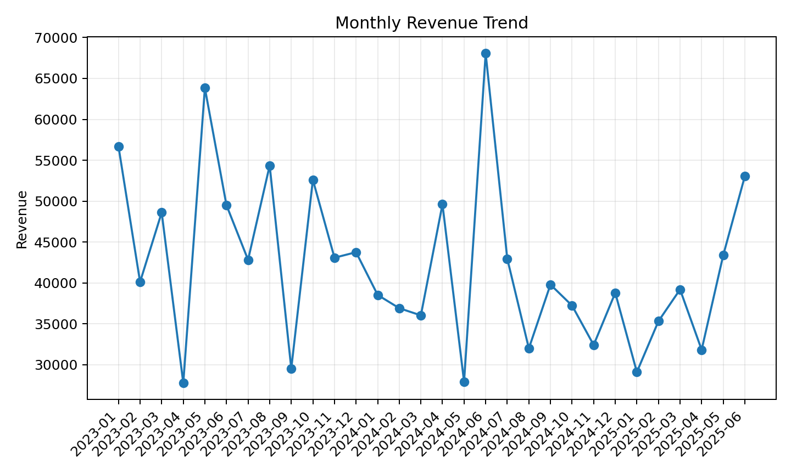
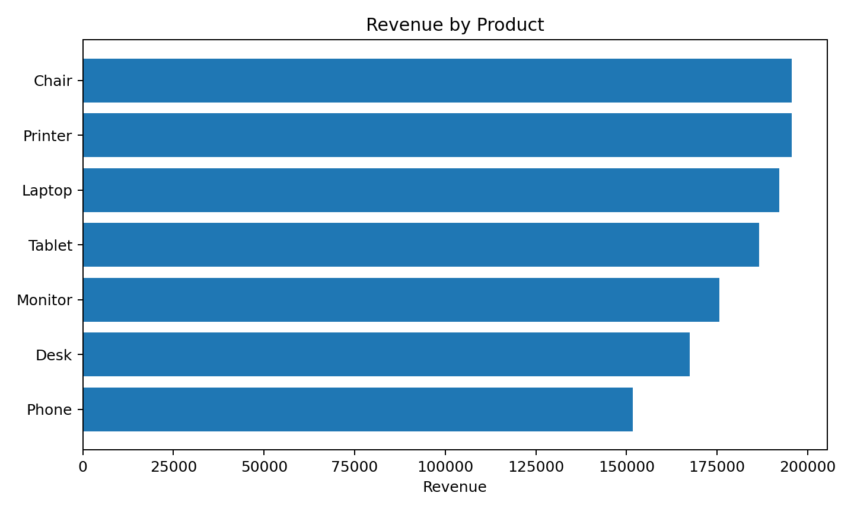

Orders by Status
 | Orders
Revenue by Payment Method
 | Revenue
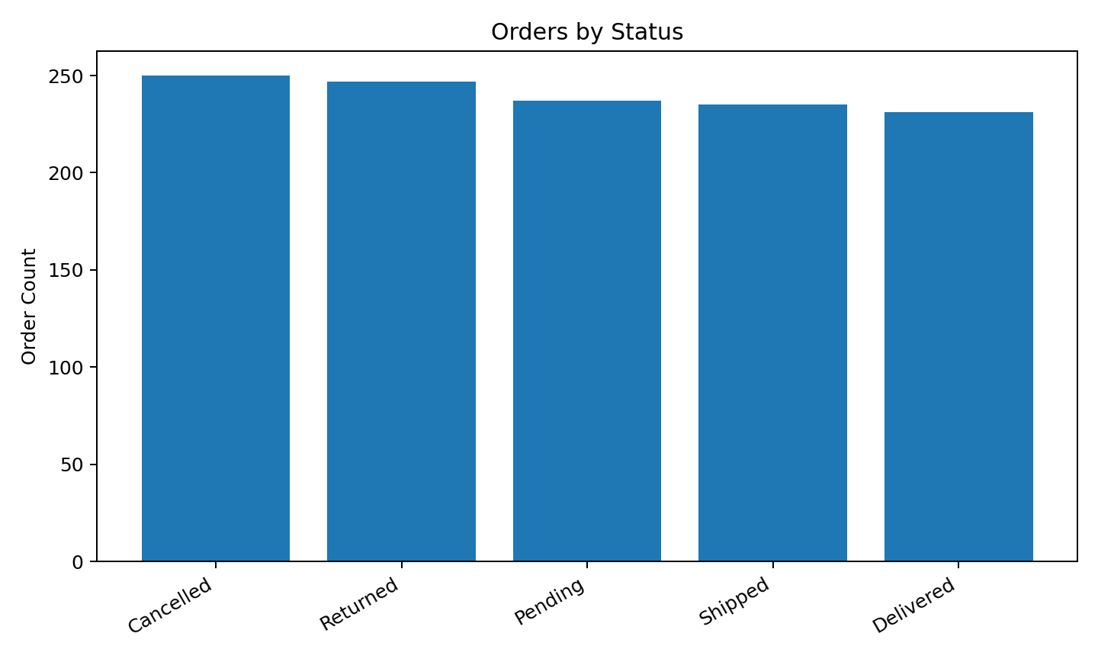
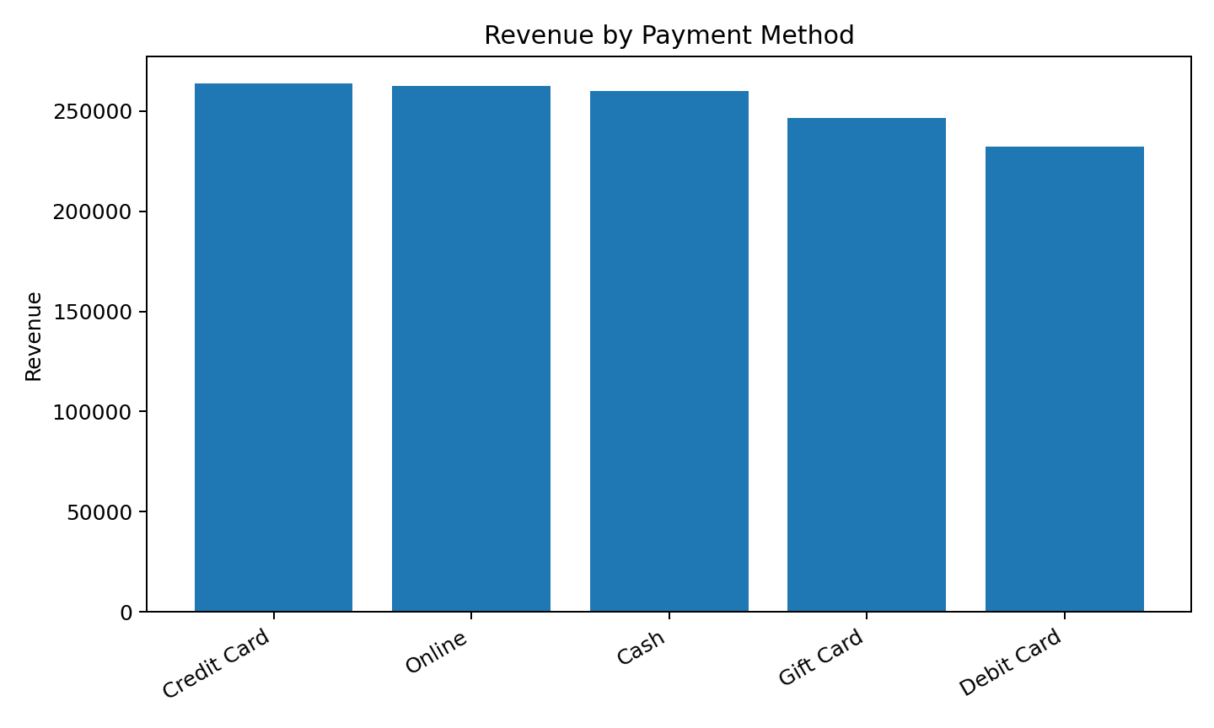

Revenue by Referral Source
 | Revenue
Coupon Usage by Orders
 | Orders
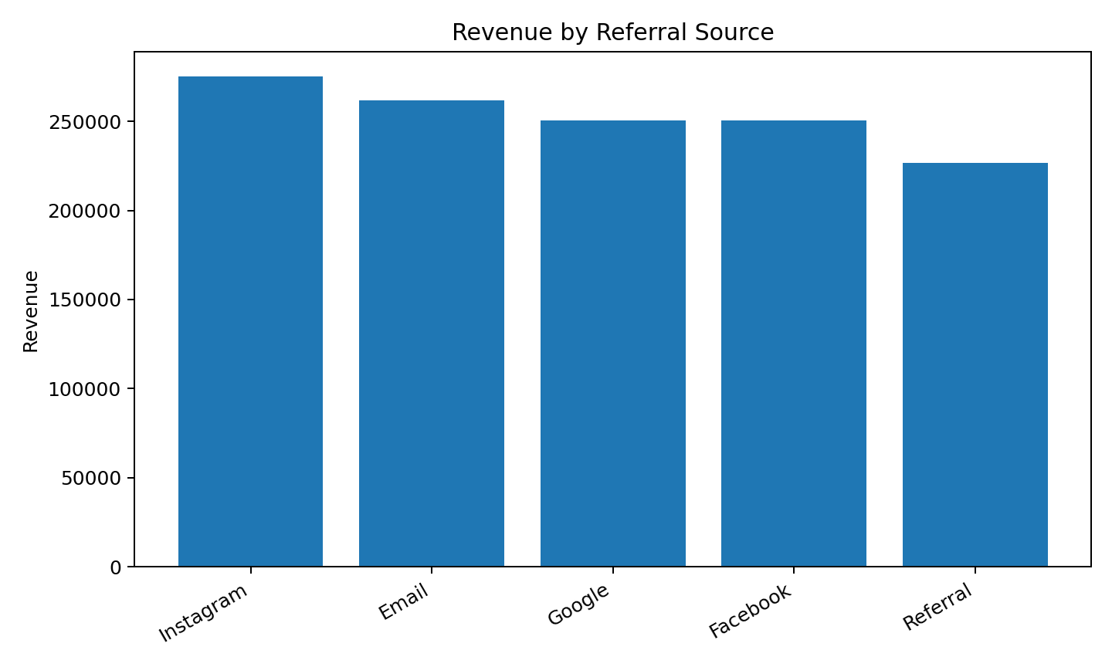
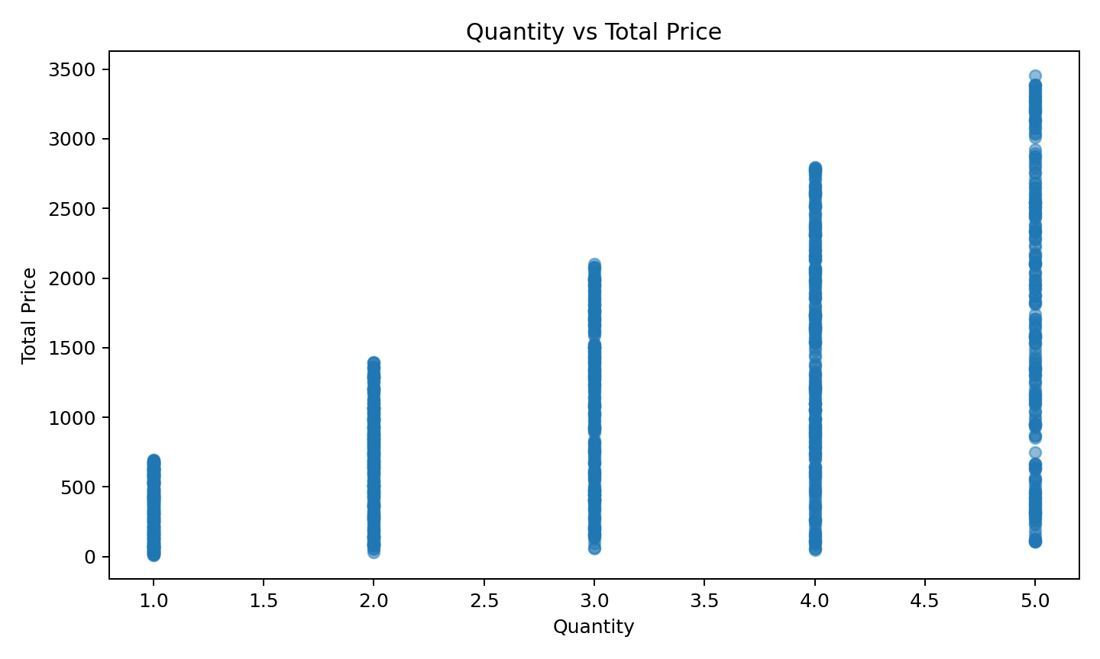

Main Story: Chair and 2024-06 are the strongest visual signals - focus campaigns, stock, and acquisition strategy around these performance drivers.
Dashboard Notes: Charts are intentionally clean and minimal: no 3D effects, no unnecessary decoration, clear action-oriented titles, and one main message per chart.

