Test Case 1
Test Case ID |  | TC_Practical-009 | Test Case Description | Test the functionality of e-commerce website 'Amazaon.'
Created By |  | Trisharna R. Ingale | Reviewed By | Pratiksha A. Ramteke |  | Version |  | 2.1

Tester's Name |  |  | Date Tested |  |  | Test Case (Pass/Fail/Not Executed) |  | Pass

# | Prerequisites: |  |  | # | Test Data
1 | Access to internet |  |  | 1
2 | Chrome Browser |  |  | 2
3 |  |  |  | 3
4 |  |  |  | 4

Test Scenario | Verify the functionality of amazaon.

Step # | Step Details |  | Expected Results | Actual Results |  |  | Pass / Fail / Not executed / Suspended

1 | Open Amazon Website https://www.amazon.in/ |  | 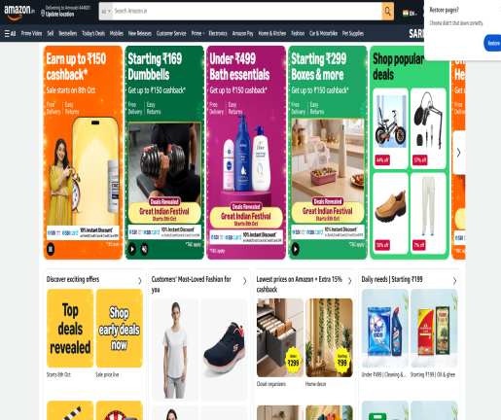 Verify Amazon Homepge should open successfully.
2 | Click Search Bar then enter Product Name then click Search. Enter: Dove shampoo |  | 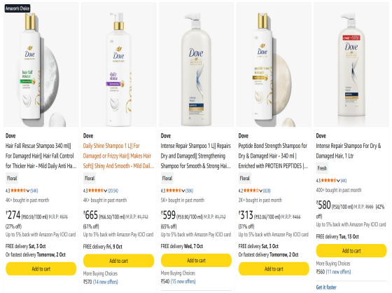 Verify the Dove Shampoo Product should be displayed.
3 | Select a Product from search result. |  | 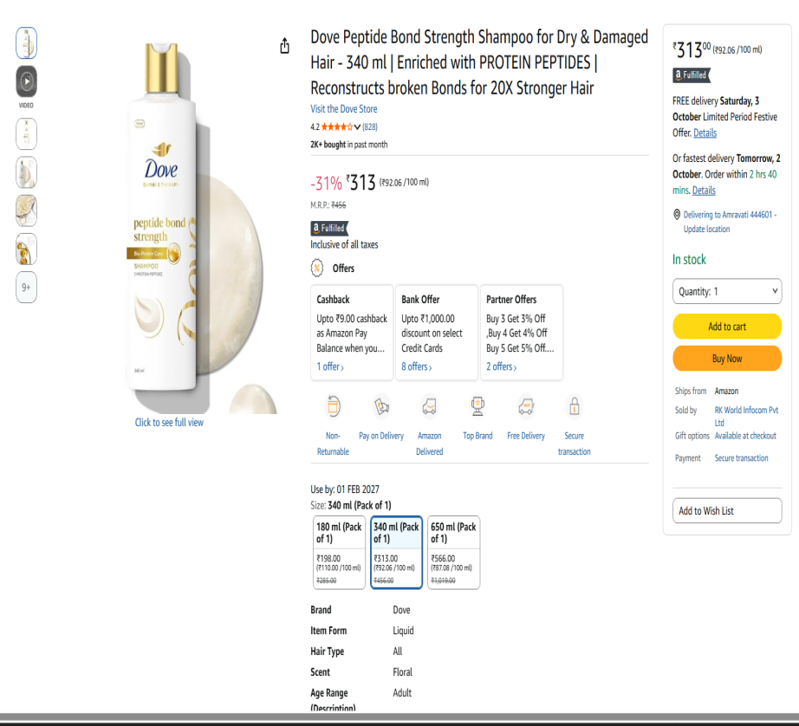 Verify the Product name, image, price, rating and discription should be displayed.
4 | Open Product page and view image. |  | Verify that product image should displayed properly.
5 | Check product price. |  | 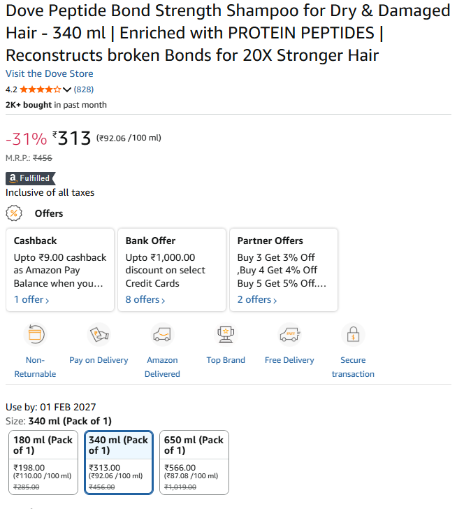 Verify that correct product price should be displayed.
6 | Check Customer rating. |  |  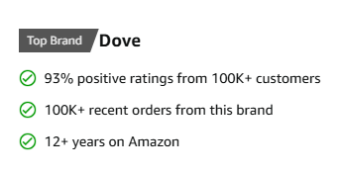 Verify that the Product rating should be displayed.
7 | Open Product page. |  | 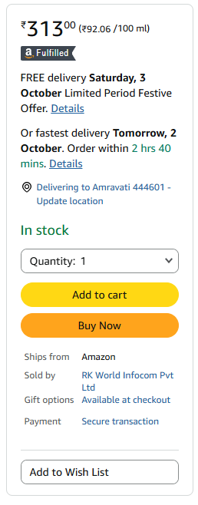 Verify that the product availability should be displayed.
8 | Select Product "DOVE Shampoo" then click 'Add To Cart.' |  | 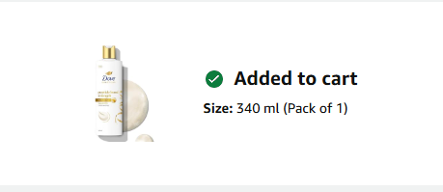 Verify that the Product should be Added To Cart.
9 | i. Open Cart. Ii. Click 'Go to Cart.' |  |  Verify that Added product should be displayed in Cart.
10 | i. Open Cart. Ii. Change quantity. |  |  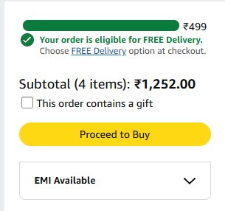 Verify that the Quantity and total price should be updated correctly.
11 | i. Open cart. Ii. Click Delete/Remove. |  | 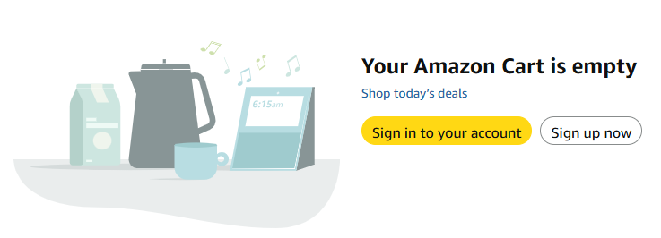 Verify that product should be removed from cart.
12 | i. Open Product. Ii. Click 'Buy Now.' |  | 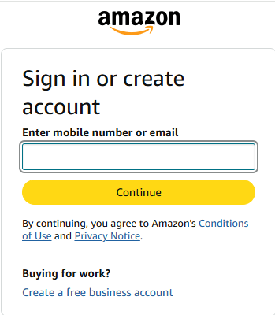 Verify that user should procced to checkout.
13 | Enter valid mobile/email and password. |  | Verify that the user should log in successfully.
14 | Enter invalid login details. |  | 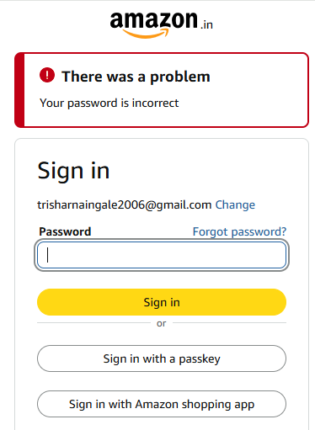 Verify that "There was a problem ,Your password is incorrect" message is displayed.
15 | Enter/select delivery address. |  | Verify that address should be accepted.
16 | Enter delivery pin code. |  | Verify that delivery availability should be displayed.
17 | Enter procced to checkout. |  | Verify that available payment option should be displayed.
18 | Select cash on delivery if available. |  | Verify that the cash on delivery option should be selected successfully.
19 | Select UPI/Card. |  | Verify that payment process should be started successfully.
20 | i. Select address. ii. Click payment. Iii. Click place order. |  | Verify that the order should be placed successsfully.
21 | Complete purphase. |  | Verify that order confirmation and order ID should be displayed.
22 | Open 'Your orders.' |  | Verify that the placed order should be displayed.
23 | Click 'Order cancellation.' |  | Verify that the Order should be cancelled if eligible.
24 | i. Open product 'Dove Shampoo.' ii. Click add to list/Wishlist. |  | Verify that product should be added to the wishlist.

