Guidance for use
[EXAMPLE] Lab Area Capacity Limits under COVID Guidelines
Tissue Culture Rooms:
TC1 - 1 person max
TC2 - 3 people max
TC3 - 1 person max
Lab Benches/Bays: 2 people max per bay for Bays 1-5 and 7-8
*Bay 6 will remain unusable under COVID guidelines due to spacial constraints

Guidance for populating this resource planning spreadsheet:
1. Take stock of the experiments you had planned pre-COVID
2. Prioritize those experiments:
a. What is critical path and/or necessary to stay on track for critical path.
b. Take prioritized experiments and populate the Resource Leveling Excel document. Keep in mind the following:
- For any ongoing experiments (ie those that have already been started), enter the information as it is currently scheduled.
- For any new experiments, enter them as you would in the absence of COVID (though feel free to note in the ‘Notes’ column any additional flexibility you may have on start date).
3. Once we have fully populated the master spreadsheet (including info from across all of the programs, etc), it will get consolodated and rolled-up to reflect what our current work load/lab density looks like. From there, we can figure out what adjustments may be needed.
Guidelines for formating your information upon entry into this spreadsheet:
1. Enter the Personnel (aka team member) name as FirstnameLastinitial
- If you do not yet know which team member will be responsible for doing the activity, enter TBD
- If two team members are working on the same activity, please list the activity twice (2 lines of spreadsheet, enter one team member name on each line)
2. Be as realistic as possible when entering the Approximate # Hours for each activity. When in doubt, round up
3. Use the drop-down menus to populate the 'Primary Work Location' and 'Shift' columns.

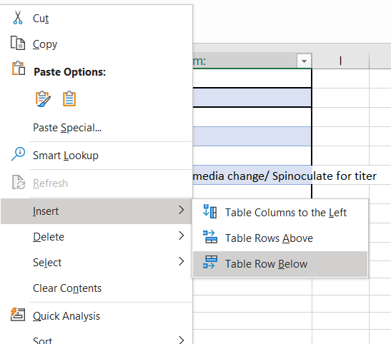
Working with Tables:
Tables are a specific data object in Excel.
You will know you are working with a Table when there is a ribbon for Table options:
You can create a new table by selecting the cells of interest, clicking the Insert ribbon, and then the Table icon.
Add new rows using by right-clicking the last row, selecting Insert, then Table Rows Below.

