Data
STT | Số Serial | LPA | QR CODE
1 | 8984048000980456362 | LPA:1$viettelvietnam.validspereachdpplus.com$20260327220718-ICXLII8Z9499W1UUSHSM3K21EWORBGHY242X1OR51-1-Q-WYS | 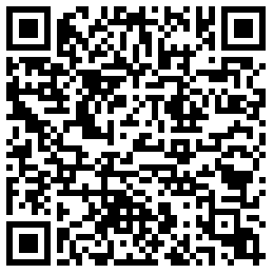
2 | 8984048001022303713 | LPA:1$viettelvietnam.validspereachdpplus.com$20260525121359-FUVH3OWTELCY0THR5V-12Q067FX2HBJWP2JRMGQ3L5N05K8BA | 