Sheet1
Tile | Device | Parametrs
 |  | WG width | Electrode Width | Electrode gap | Electrode length
0 | Straigh waveguide | 4 | 400 | 17 | 10000 |  | Total tiles | 61
1 | Straigh waveguide | 4.5 | 400 | 17 | 10000 |  | Free Tiles | 1
2 | Straigh waveguide | 5 | 400 | 17 | 10000
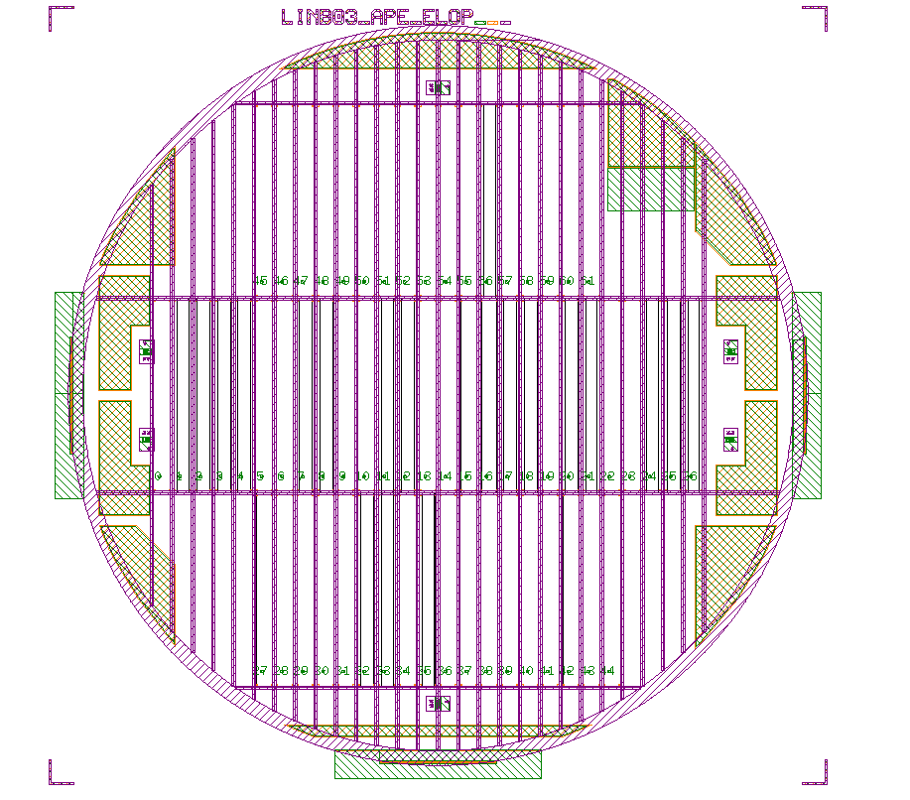
Tile 0
Tile 26
Tile 44
Tile 61
Tile 27
Tile 45
3 | Straigh waveguide | 5.5 | 400 | 17 | 10000
4 | Straigh waveguide | 4 | 20 | 17 | 10000
5 | Straigh waveguide | 4.5 | 20 | 17 | 10000
6 | Straigh waveguide | 5 | 20 | 17 | 10000
7 | Straigh waveguide | 5.5 | 20 | 17 | 10000
8 | Straigh waveguide | 4 | 20 | 15 | 15000
9 | Straigh waveguide | 4.5 | 20 | 15 | 15000
10 | Straigh waveguide | 5 | 20 | 15 | 15000
11 | Straigh waveguide | 5.5 | 20 | 15 | 15000
12 | Straigh waveguide | 4 | 200 | 20 | 15000
13 | Straigh waveguide | 4.5 | 200 | 20 | 15000
14 | Straigh waveguide | 5 | 200 | 17 | 15000
15 | Straigh waveguide | 5.5 | 200 | 17 | 15000
16 | Y-Spliter | 4 | 400 | 17
17 | Y-Spliter | 4.5 | 400 | 17
18 | Y-Spliter | 5 | 400 | 17
19 | Y-Spliter | 5.5 | 400 | 17
20 | Y-Spliter | 4 | 20 | 17
21 | Y-Spliter | 4.5 | 20 | 17
22 | Y-Spliter | 5 | 20 | 17
23 | Y-Spliter | 5.5 | 20 | 17
24 | Y-Spliter | 4 | 200 | 17
25 | Y-Spliter | 4.5 | 200 | 17
26 | Y-Spliter | 5 | 200 | 17
27 | Y-Spliter | 5.5 | 200 | 17
28 | open Ysplitter | 4 | 20 | 17
29 | open Ysplitter | 4.5 | 20 | 17
30 | open Ysplitter | 5 | 20 | 17
31 | open Ysplitter | 5.5 | 20 | 17
32 | open Ysplitter | 4 | 400 | 17
33 | open Ysplitter | 4.5 | 400 | 17
34 | open Ysplitter | 5 | 400 | 17
35 | open Ysplitter | 5.5 | 400 | 17
36 | 1x4 | 4
37 | 1x4 | 4.5
38 | 1x4 | 5
39 | 1x4 | 5.5
40 | 1x8 | 4
41 | 1x8 | 4.5
42 | 1x8 | 5
43 | 1x8 | 5.5
44
45 | CIELO
46 | CIELO
47 | CIELO
48 | CIELO
49 | CIELO
50 | CIELO
51 | CIELO
52 | CIELO
53 | CIELO
54 | CIELO
55 | CIELO
56 | CIELO
57 | CIELO
58 | CIELO
59 | CIELO
60 | CIELO
61 | CIELO

SN | Device | Length | CD | Gap between electrodes | electrode width | electrode length
1 - baseline | single WG | 2cm | 5.5 | 17 um | 400um | 1cm
2 | Mach Zehnder | 2cm | 5.5 | 17 um | 400um
3 | single WG | 2cm | 5.0 | 17 um | 400um | 1cm
4 | Mach Zehnder | 2cm | 5.0 | 17 um | 400um
5 | single WG | 2cm | 5.5 | 17 um | 200um | 1cm
6 | Mach Zehnder | 2cm | 5.5 | 17 um | 200um
7 | single WG | 2cm | 5.0 | 17 um | 200um | 1cm
8 | Mach Zehnder | 2cm | 5.0 | 17 um | 200um
9 | single WG | 2cm | 5.5 | 17 um | 20um | 1cm
10 | Mach Zehnder | 2cm | 5.5 | 17 um | 20um
11 | single WG | 2cm | 5.0 | 17 um | 20um | 1cm
12 | Mach Zehnder | 2cm | 5.0 | 17 um | 20um
13 | single WG | 2cm | 5.5 | 17 um | 400um | 1.5cm
14 | single WG | 2cm | 5.5 | 17 um | 20um | 1.5cm
15 | single WG | 2cm | 5.5 | 18 um | 400um | 1.5cm
16 | single WG | 2cm | 5.5 | 18 um | 20um | 1.5cm

