Inovirus_standard_curves
Purpose: Calculate standard curve for the cecal inovirus qPCR of E. bolteae and EF538 based on amplified and purified PCR product

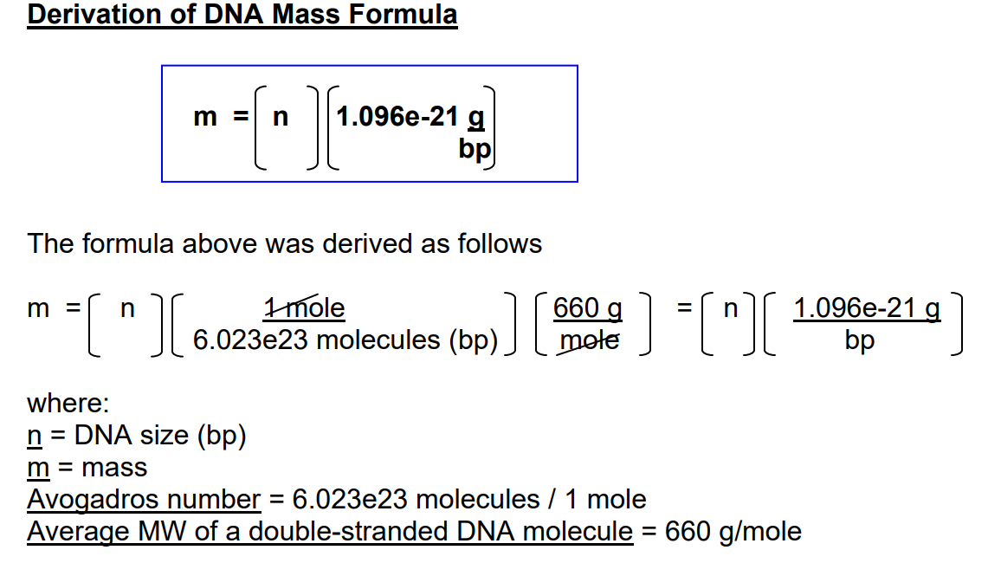
Calculations for standards curves based on purified PCR product

 | Nanodrop of purified PCR products - Inovirus circularization region
 |  | Concentration (ng/ul) | 260/280
 | E. bolteae | 13.4 | 1.94
 | E. clostridioformis 538 | 8.1 | 1.93

Mass of PCR product after amplification

 | Strain | Primers | Product size (bp) | mass (ng/copy)
 | E. bolteae | JB015 + JB028 | 156 | 1.710E-10 | Constant = | 1.096E-21
 |  |  |  |  | g to ng = | 1.00E+09
 | E. clostridioformis 538 | JB015 + JB028 | 156 | 1.710E-10

E. bolteae and E. clostridioformis 538: standard curves
 |  | PCR product
Condition | Copy # | Mass (ng/copy) | Mass of PCR product (ng) | Final conc. Of PCR product (ng/uL)
A | 30000000 | 1.710E-10 | 5.129E-03 | 1.026E-03
B | 3000000 | 1.710E-10 | 5.129E-04 | 1.026E-04
C | 300000 | 1.710E-10 | 5.129E-05 | 1.026E-05
D | 30000 | 1.710E-10 | 5.129E-06 | 1.026E-06
E | 3000 | 1.710E-10 | 5.129E-07 | 1.026E-07
F | 300 | 1.710E-10 | 5.129E-08 | 1.026E-08
G | 30 | 1.710E-10 | 5.129E-09 | 1.026E-09
*Since both PCR products have the same length, the standard curves and dilutions are the same
 |  | Volume to add to well = | 5 | uL

E. bolteae standard curve - dilutions
Dilution # | Source of PCR product for dilution | Initial conc. (ng/uL) C1 | Vol. of PCR product(uL) V1 | Vol of Dilutant (uL) | Final Conc. (ng/uL) C2 | Final Vol. (uL) V2 | Resulting copy # of PCR product
Stock | Stock | 13.4 | NA | NA | NA | NA | NA
D1 | Stock | 13.4 | 10 | 990 | 0.134 | 1000 | NA
D2 | D1 | 0.134 | 10 | 990 | 0.00134 | 1000 | NA
D3 | D2 | 0.00134 | 76.56 | 23.44 | 1.026E-03 | 100 | 30000000
D4 | D3 | 1.026E-03 | 10.00 | 90.00 | 1.026E-04 | 100 | 3000000
D5 | D4 | 1.026E-04 | 10.00 | 90.00 | 1.026E-05 | 100 | 300000
D6 | D5 | 1.026E-05 | 10.00 | 90.00 | 1.026E-06 | 100 | 30000
D7 | D6 | 1.026E-06 | 10.00 | 90.00 | 1.026E-07 | 100 | 3000
D8 | D7 | 1.026E-07 | 10.00 | 90.00 | 1.026E-08 | 100 | 300
D9 | D8 | 1.026E-08 | 10.00 | 90.00 | 1.026E-09 | 100 | 30

E. costridioformis 538 standard curve - dilutions
Dilution # | Source of PCR product for dilution | Initial conc. (ng/uL) C1 | Vol. of PCR product(uL) V1 | Vol of Dilutant (uL) | Final Conc. (ng/uL) C2 | Final Vol. (uL) V2 | Resulting copy # of PCR product
Stock | Stock | 8.1 | NA | NA | NA | NA | NA
D1 | Stock | 8.1 | 10 | 990 | 0.081 | 1000 | NA
D2 | D1 | 0.081 | 10 | 490 | 0.00162 | 500 | NA
D3 | D2 | 0.00162 | 63.32 | 36.68 | 1.026E-03 | 100 | 30000000
D4 | D3 | 1.026E-03 | 10.00 | 90.00 | 1.026E-04 | 100 | 3000000
D5 | D4 | 1.026E-04 | 10.00 | 90.00 | 1.026E-05 | 100 | 300000
D6 | D5 | 1.026E-05 | 10.00 | 90.00 | 1.026E-06 | 100 | 30000
D7 | D6 | 1.026E-06 | 10.00 | 90.00 | 1.026E-07 | 100 | 3000
D8 | D7 | 1.026E-07 | 10.00 | 90.00 | 1.026E-08 | 100 | 300
D9 | D8 | 1.026E-08 | 10.00 | 90.00 | 1.026E-09 | 100 | 30

