Sheet2
是否生存 | 人数 | 登船港口 | 人数
生存 | 342 | 1 | 93
总计 | 342 | 2 | 30
 |  | 3 | 219
 |  | 总计 | 342
舱位等级 | 人数
一等舱 | 136 | 家庭规模 | 人数
二等舱 | 87 | 0 | 537
三等舱 | 119 | 1 | 161
总计 | 342 | 2 | 102
 |  | 3 | 29
性别 | 人数 | 4 | 15
女 | 233 | 5 | 22
男 | 109 | 6 | 12
总计 | 342 | 7 | 6
 |  | 10 | 7
年龄 | 人数 | 总计 | 891
0-10 | 38
10-20 | 41
20-30 | 129
30-40 | 73
40-50 | 34
50-60 | 20
60-70 | 6
70-80 | 1
总计 | 342

票价 | 人数
0-100 | 303
100-200 | 25
200-300 | 11
500-600 | 3
总计 | 342

数据透视表
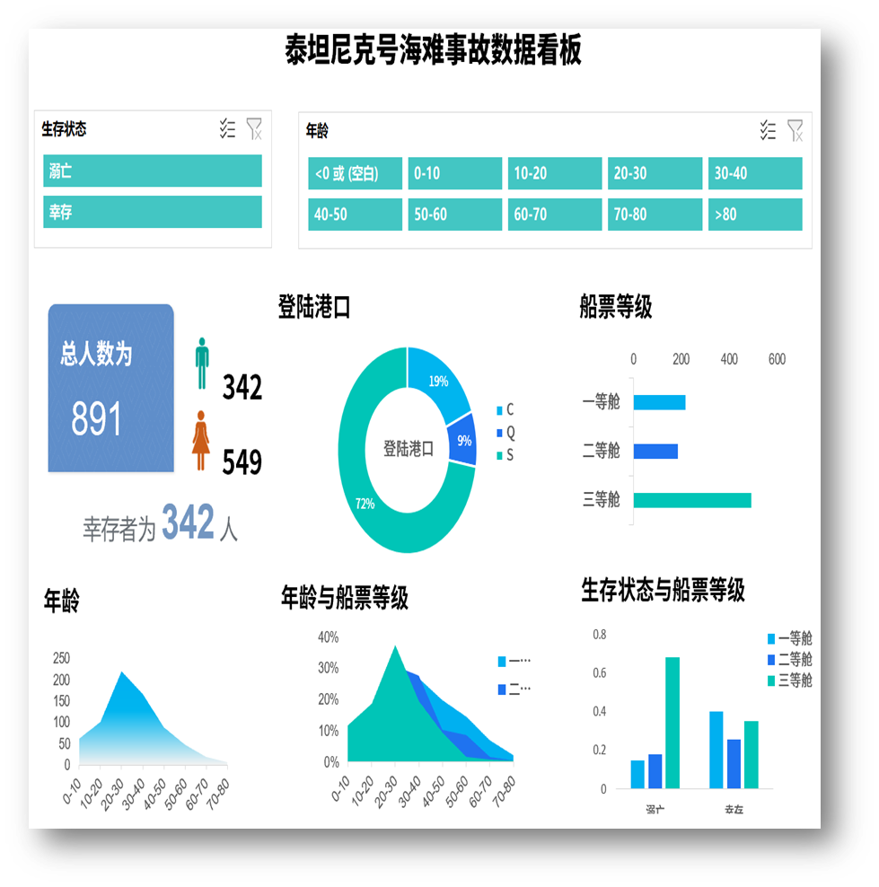

 | 汇总
女 | 233
男 | 109
 | 汇总
1 | 93
2 | 30
3 | 219
 | 汇总
一等舱 | 136
二等舱 | 87
三等舱 | 119

家庭规模
 | 汇总
0 | 537
1 | 161
2 | 102
3 | 29
4 | 15
5 | 22
6 | 12
7 | 6
10 | 7
票价
 | 汇总
0-100 | 303
100-200 | 25
200-300 | 11
500-600 | 3
 | 汇总
0-10 | 38
10-20 | 41
20-30 | 129
30-40 | 73
40-50 | 34
50-60 | 20
60-70 | 6
70-80 | 1

 | Survived | Pclass | Sex | Age | FamilySize | Fare | Embarked | 相关系数
Survived
Pclass
Sex
Age
FamilySize
Fare
Embarked

年龄： |  |  |  |  |  |  | 生存状态与船票等级： |  | 年龄与船票等级：

