Top Customers By Quantity
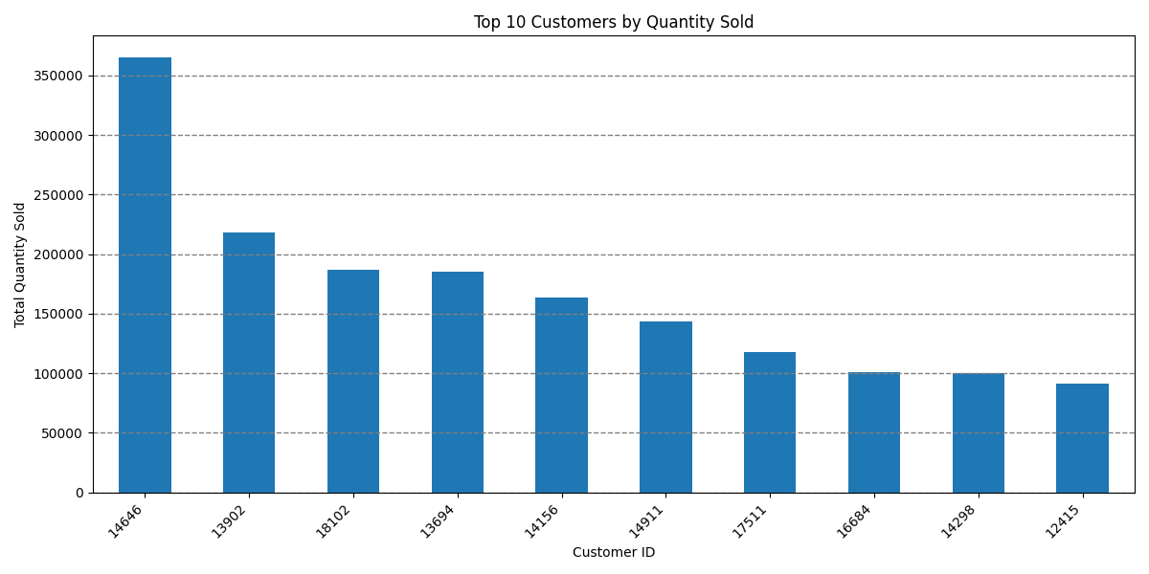
Ranking | Customer ID | Total Quantity Sold
1 | 14646 | 365,220
2 | 13902 | 218,090
3 | 18102 | 186,910
4 | 13694 | 185,538
5 | 14156 | 163,791
6 | 14911 | 143,727
7 | 17511 | 117,913
8 | 16684 | 101,095
9 | 14298 | 99,854
10 | 12415 | 91,315

Sales Trends By Quantity
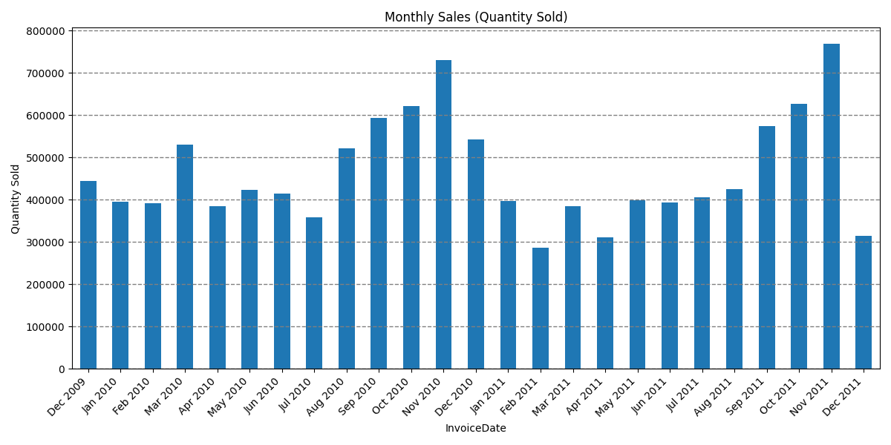
Invoice Date | Quantity
2009-12-31 | 444,339
2010-01-31 | 395,203
2010-02-28 | 391,853
2010-03-31 | 530,301
2010-04-30 | 385,569
2010-05-31 | 423,966
2010-06-30 | 413,695
2010-07-31 | 358,554
2010-08-31 | 521,757
2010-09-30 | 592,590
2010-10-31 | 622,253
2010-11-30 | 730,369
2010-12-31 | 542,655
2011-01-31 | 397,004
2011-02-28 | 286,033
2011-03-31 | 383,893
2011-04-30 | 311,238
2011-05-31 | 398,479
2011-06-30 | 393,516
2011-07-31 | 405,218
2011-08-31 | 424,266
2011-09-30 | 574,063
2011-10-31 | 626,342
2011-11-30 | 768,400
2011-12-31 | 314,415

Top Ten Products By Quantity
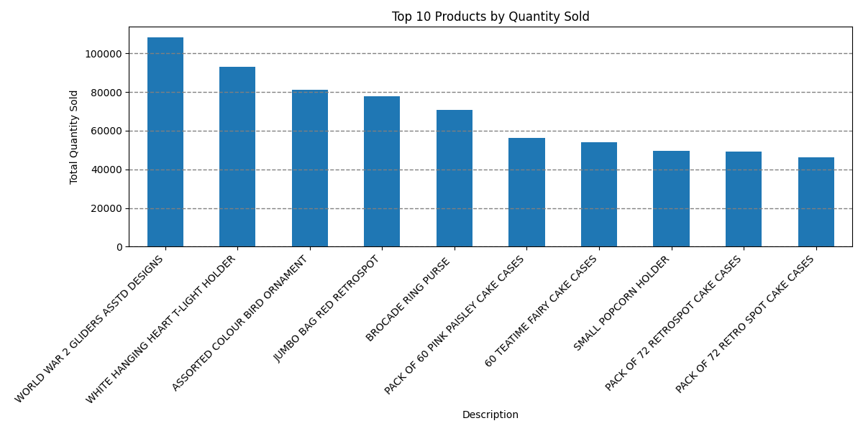
Ranking | Description | Quantity
1 | WORLD WAR 2 GLIDERS ASSTD DESIGNS | 108,305
2 | WHITE HANGING HEART T-LIGHT HOLDER | 92,926
3 | ASSORTED COLOUR BIRD ORNAMENT | 81,087
4 | JUMBO BAG RED RETROSPOT | 77,905
5 | BROCADE RING PURSE | 70,664
6 | PACK OF 60 PINK PAISLEY CAKE CASES | 56,399
7 | 60 TEATIME FAIRY CAKE CASES | 54,187
8 | SMALL POPCORN HOLDER | 49,577
9 | PACK OF 72 RETROSPOT CAKE CASES | 49,283
10 | PACK OF 72 RETRO SPOT CAKE CASES | 46,055

Sales Revenue Trend
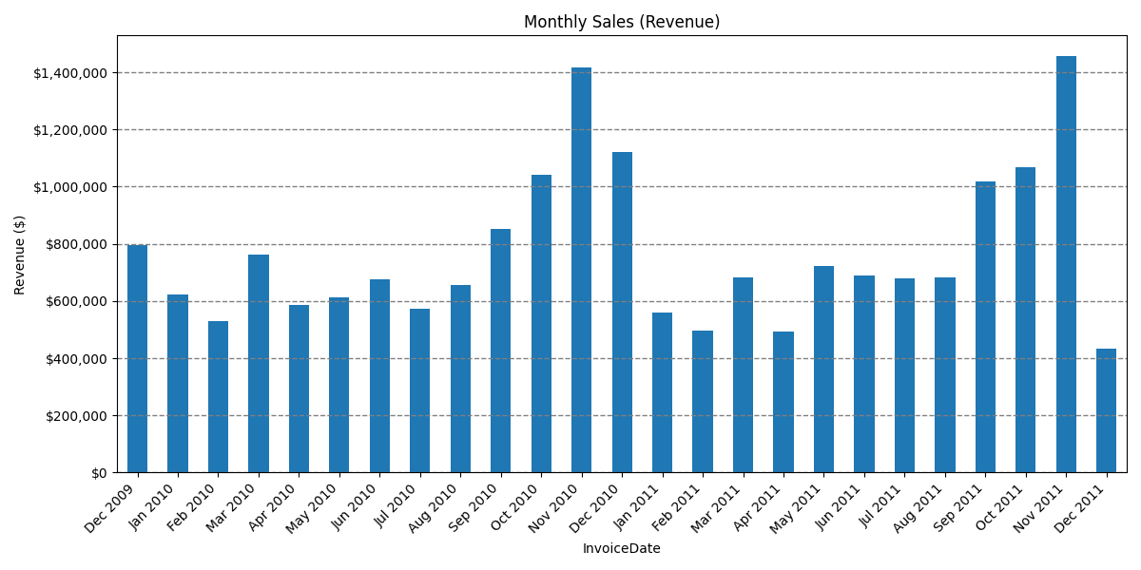
Invoice Date | Revenue
2009-12-31 | $796,633
2010-01-31 | $622,354
2010-02-28 | $531,207
2010-03-31 | $763,112
2010-04-30 | $587,691
2010-05-31 | $613,173
2010-06-30 | $676,874
2010-07-31 | $573,147
2010-08-31 | $654,749
2010-09-30 | $850,905
2010-10-31 | $1,041,505
2010-11-30 | $1,416,320
2010-12-31 | $1,121,930
2011-01-31 | $558,368
2011-02-28 | $496,775
2011-03-31 | $681,318
2011-04-30 | $491,919
2011-05-31 | $720,972
2011-06-30 | $689,391
2011-07-31 | $678,965
2011-08-31 | $681,386
2011-09-30 | $1,017,398
2011-10-31 | $1,069,265
2011-11-30 | $1,456,090
2011-12-31 | $432,699

Top Ten Products By Revenue
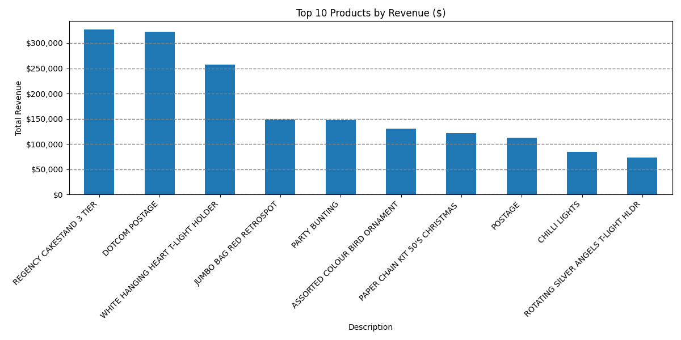
Ranking | Description | Revenue
1 | REGENCY CAKESTAND 3 TIER | $327,039
2 | DOTCOM POSTAGE | $322,629
3 | WHITE HANGING HEART T-LIGHT HOLDER | $257,167
4 | JUMBO BAG RED RETROSPOT | $148,409
5 | PARTY BUNTING | $147,852
6 | ASSORTED COLOUR BIRD ORNAMENT | $131,044
7 | PAPER CHAIN KIT 50'S CHRISTMAS | $121,523
8 | POSTAGE | $112,323
9 | CHILLI LIGHTS | $84,522
10 | ROTATING SILVER ANGELS T-LIGHT HLDR | $73,734

Top Ten Customers By Revenue
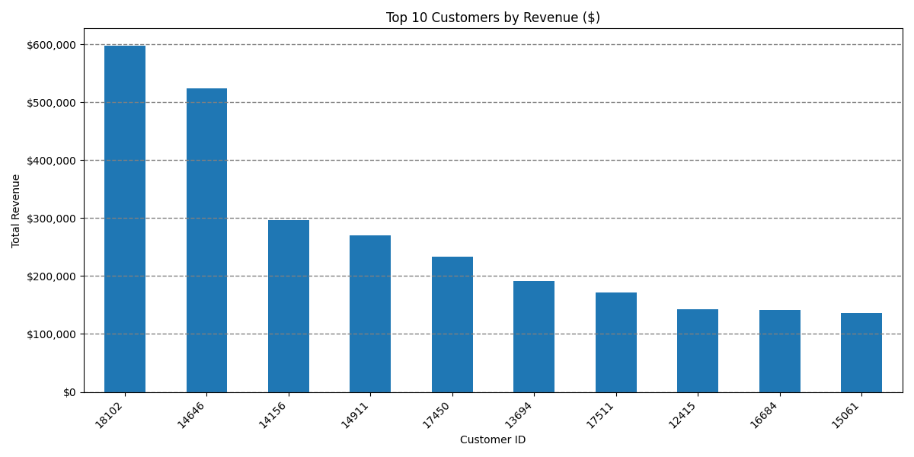
Ranking | Customer ID | Total Revenue
1 | 18102 | $597,299
2 | 14646 | $523,342
3 | 14156 | $296,378
4 | 14911 | $270,169
5 | 17450 | $233,419
6 | 13694 | $190,863
7 | 17511 | $171,886
8 | 12415 | $143,269
9 | 16684 | $141,502
10 | 15061 | $136,341

