Sales
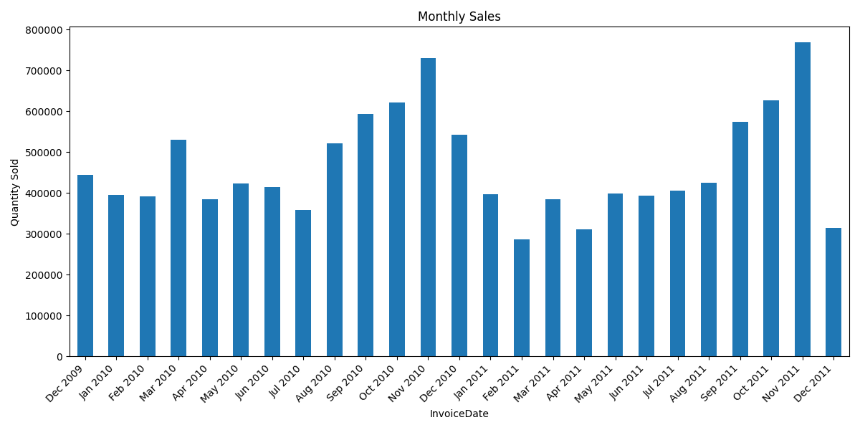
Ranking | Invoice Date | Quantity
1 | 2009-12-31 | 444,339
2 | 2010-01-31 | 395,203
3 | 2010-02-28 | 391,853
4 | 2010-03-31 | 530,301
5 | 2010-04-30 | 385,569
6 | 2010-05-31 | 423,966
7 | 2010-06-30 | 413,695
8 | 2010-07-31 | 358,554
9 | 2010-08-31 | 521,757
10 | 2010-09-30 | 592,590
11 | 2010-10-31 | 622,253
12 | 2010-11-30 | 730,369
13 | 2010-12-31 | 542,655
14 | 2011-01-31 | 397,004
15 | 2011-02-28 | 286,033
16 | 2011-03-31 | 383,893
17 | 2011-04-30 | 311,238
18 | 2011-05-31 | 398,479
19 | 2011-06-30 | 393,516
20 | 2011-07-31 | 405,218
21 | 2011-08-31 | 424,266
22 | 2011-09-30 | 574,063
23 | 2011-10-31 | 626,342
24 | 2011-11-30 | 768,400
25 | 2011-12-31 | 314,415

