Top Customers
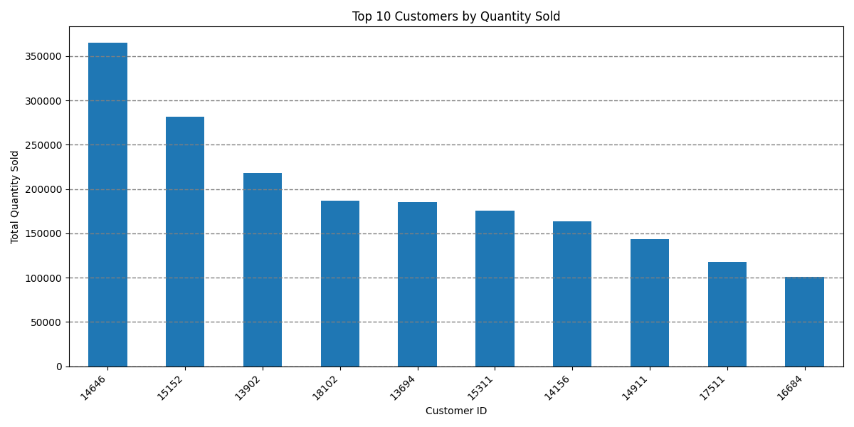
Ranking | Customer ID | Total Quantity Sold
1 | 14646 | 365,220
2 | 15152 | 281,535
3 | 13902 | 218,090
4 | 18102 | 186,910
5 | 13694 | 185,538
6 | 15311 | 176,000
7 | 14156 | 163,791
8 | 14911 | 143,727
9 | 17511 | 117,913
10 | 16684 | 101,095

