Top Ten
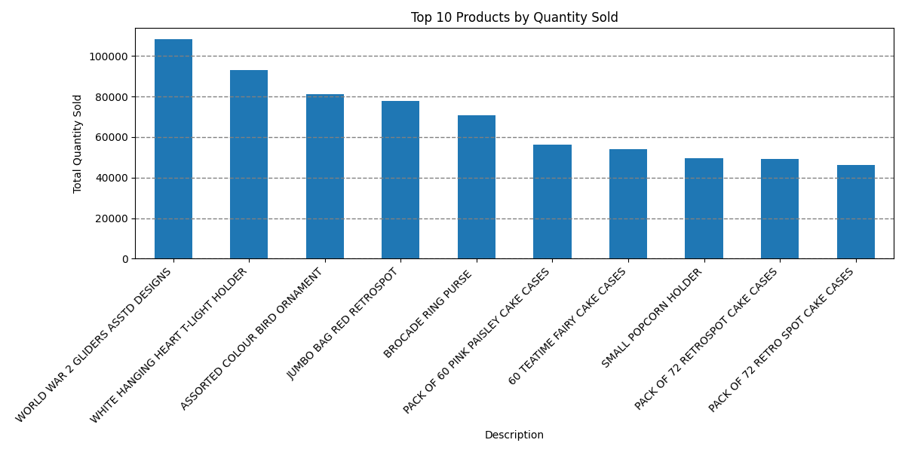
Ranking | Description | Quantity
1 | WORLD WAR 2 GLIDERS ASSTD DESIGNS | 108,305
2 | WHITE HANGING HEART T-LIGHT HOLDER | 92,926
3 | ASSORTED COLOUR BIRD ORNAMENT | 81,087
4 | JUMBO BAG RED RETROSPOT | 77,905
5 | BROCADE RING PURSE | 70,664
6 | PACK OF 60 PINK PAISLEY CAKE CASES | 56,399
7 | 60 TEATIME FAIRY CAKE CASES | 54,187
8 | SMALL POPCORN HOLDER | 49,577
9 | PACK OF 72 RETROSPOT CAKE CASES | 49,283
10 | PACK OF 72 RETRO SPOT CAKE CASES | 46,055

