Architecture
Software architecture |  | Explicatii DV
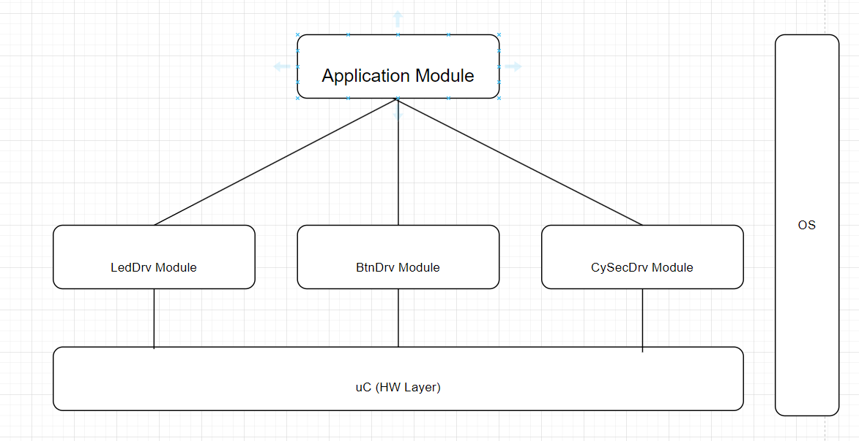 |  | trebuie avute poze de detaliu. Mai jos detalii despre modulele din Software create
BtnDrv Module |  | Button driver module
Description | The purpose of this driver is to read and detect a state of the buttons from the microcontroller. It will communicate this status to the Application Module. This driver is configurable and it can support up to eight buttons.
Interfaces with other components | 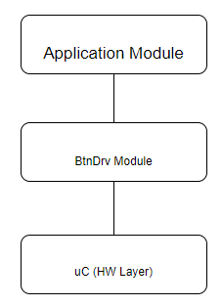

Functions | void BtnDrvInit() ==> Function to provide initialization for the module. It will set the states of the button to the initialized state based on one reading
 | void BtnDrvMain() ==> The main function of the driver. It will be called every 10ms, via a task.
 | teBtnDrvState BtnDrvGetButtonState (teBtnDrvID) ==> Function will provide the logical state of the button, returns the stable state of the button
TypeDef | teBtnDrvID (enum) ==> BTN_LEFT, BTN_RIGHT, MAX_NO_BTN
 | teBtnDrvState (enum) ==> PRESSED, NOT_PRESSED
LedDrv Module |  | LED driver module
Description | The purpose of this module is to set the LED's state. The LED driver can control up to 8 LEDs based on configuration. The LEDs can be turned ON, OFF or toggled.
Interfaces with other components | 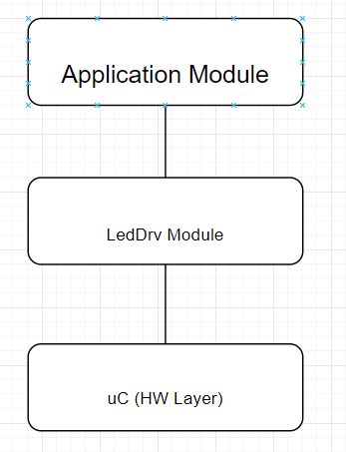 | lista componentelor cu care interactioneaza direct
 |  | Toggle = stare complementara fata de actual
Functions | void.LedDrvInit() ==> Function to provide initialization for the module. It will set the initial state of the LED driver variables. | Exista reguli clare: numeDriver_ce-face-functia
 | void.LedDrvToggleLedState(teLedDrvID eLedID) ==> will toggle the LED based on parameter
 | void.LedDrvSetLedState(teLedDrvID eLedID, teLedDrvState eLedState) ==> will set a certain state (ON/OFF) of the LED based on paramenters

TypeDef | teLedDrvID (enum) ==> LED_LEFT, LED_RIGHT, MAX_NO_LEDS | apelare LED pe baza de nume
 | teLedDrvState (enum) ==> ON, OFF | pentru a putea trimtie starea
CySecDrv Module |  | Cyber Security Module
Description | The CySecDrv module will calculate the corresponding hashes over memory blocks. It will also set the system security stare based on the calculated hash value.
Interfaces with other components | 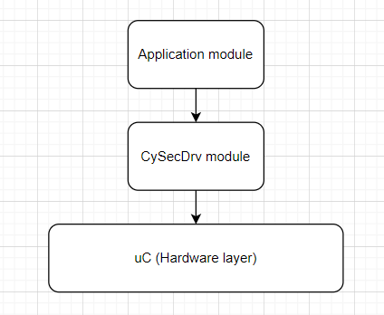

Functions | void CySecDrvInit() ==> Initialize CySecDrv and calculates first secure state
 | teCySecDrvStatus CySecDrvGetSecurityState () ==> returns the current security state of the system
 | void CySecDrvMain() ==> Function to provide initialization for the module.
TypeDef | teCySecDrvStatus (enum) ==> SECURED, NOT_SECURED, UNDEFINED

Application Module |  | Application pune cap la cap modulele de mai sus
Description | The purpose of this module is to create the connections between all other modules.
Interfaces with other components | 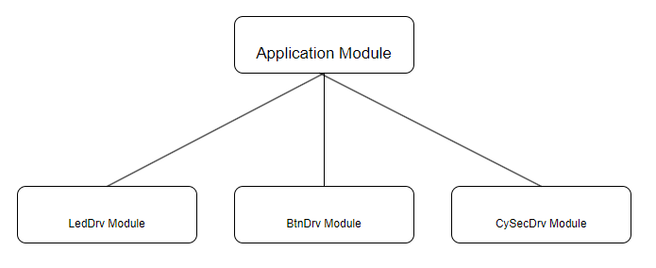

Functions | void ApplicationInit() --> The function provides initialization the Application module and its dependencies
 | void ApplicationMain() --> Application main function

