ADF2_03
Yêu cầu | Điểm chuẩn | Điểm chấm | Review | Nhận xét

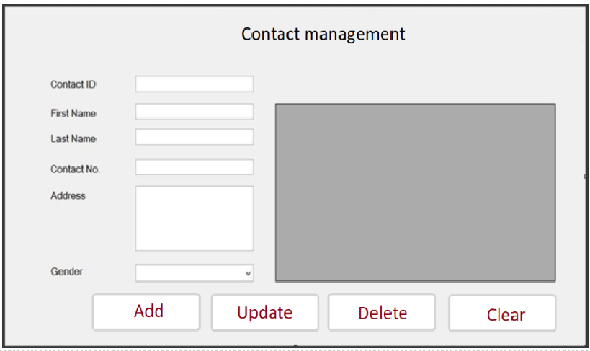 | 2.0
• When the form is loaded, please load contact information and then display them in the JTable on the right | 3.0
• Add button: save contact information to T_CONTACT table and then refresh data in the JTable on the right | 3.0
• User clears all text in JTextfields to add new contact information | 1.0
o If click Update button, save the modified data to the T_CONTACT table and refresh the Jtable on the right | 3.0
o If click Delete button, please remove the selected row by contact ID refresh the Jtable on the right | 2.0 |  |  |  | 0.0
Develop a java program to encrypt and decrypt string inputted from the keyboard using Scanner class +) Encrypt: used to encrypt the string inputted from the keyboard, at the same time, display the encrypted string out console. | 3.0 |  |  |  | Java2
Decrypt: Decrypt the encrypted string and then display the decrypted string out console. | 3.0
Sum: | 20.0 | 0.0 | 0

NodeJS-01
Yêu cầu | Điểm chuẩn | Điểm chấm | Review | Nhận xét

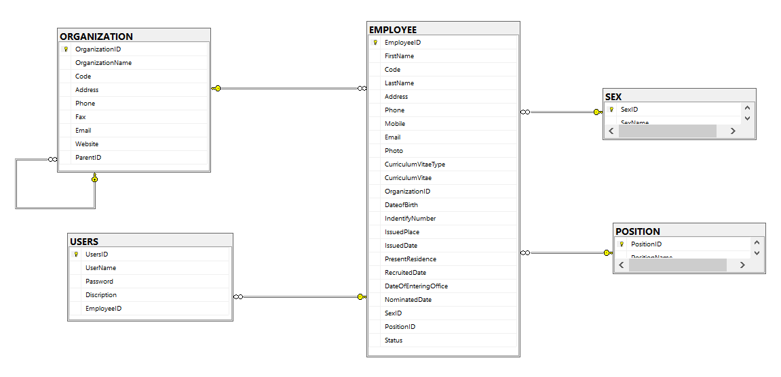 1. Create database PMS in MySql form scrip file(PMS.sql): (1 pts) | 1
a. Create Controller api USERS with method Get (get all users), Post (Insert users), Put (Update users), Delete (Delete users by id) and Get method CheckLogin(string UserName, string Password ) method for check Login. (5 pts) | 5
Create Controller api EMPLOYEE with method Get (get all Employee), Post (Insert Employee), Put (Update Employee), Delete (Delete Employee by id) and Search(string strsearch ) method for search EMPLOYEE with Code, FullName, Address and Phone. (5 pts) | 5
c. Create Controller api ORGANIZATION with method Get (get all Organization), Post (Insert Organization), Put (Update Organization), Delete (Delete Organization by id) (3 pts) | 3
d. Create Controller api POSITION with method Get (get all Position), Post (Insert Position), Put (Update Position), Delete (Delete Position by id) (3 pts) | 3
e. Create Controller api SEX with method Get (get all Sex), Post (Insert Sex), Put (Update Sex), Delete (Delete Sex by id) (3 pts) | 3 |  |  |  | 0
 | 20 | 0 | 0 |  | NodeJS

NodeJS-06
Yêu cầu | Điểm chuẩn | Điểm chấm | Review | Nhận xét

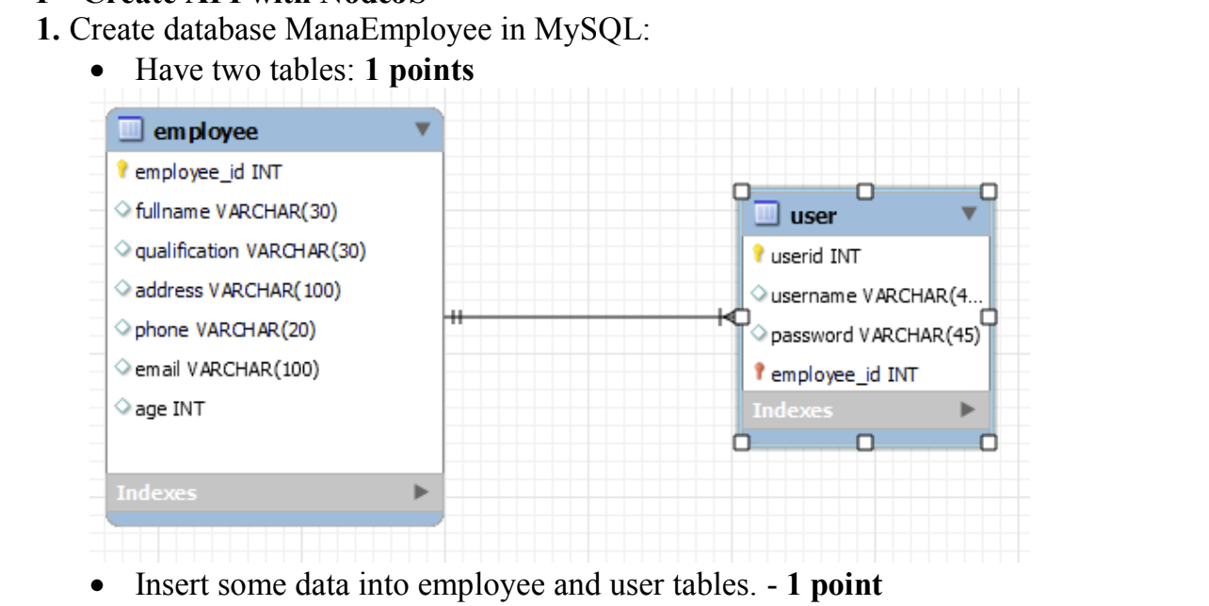 | 2
 | 3.5
 | 3.5
 | 2
 | 1
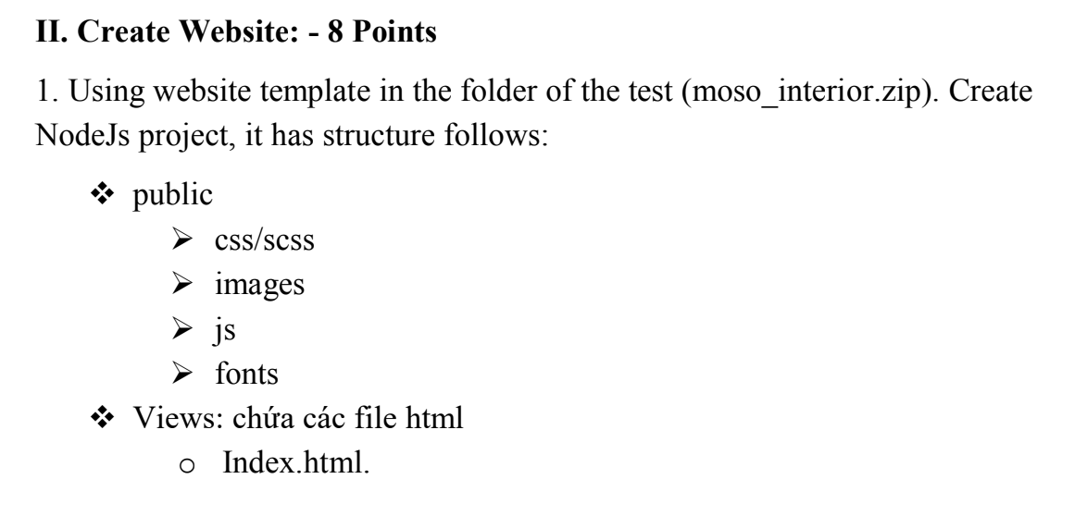 | 8 |  |  |  | 0
 |  |  |  |  | NodeJS
 | 20 | 0 | 0

NodeJS-07
Yêu cầu | Điểm chuẩn | Điểm chấm | Review | Nhận xét

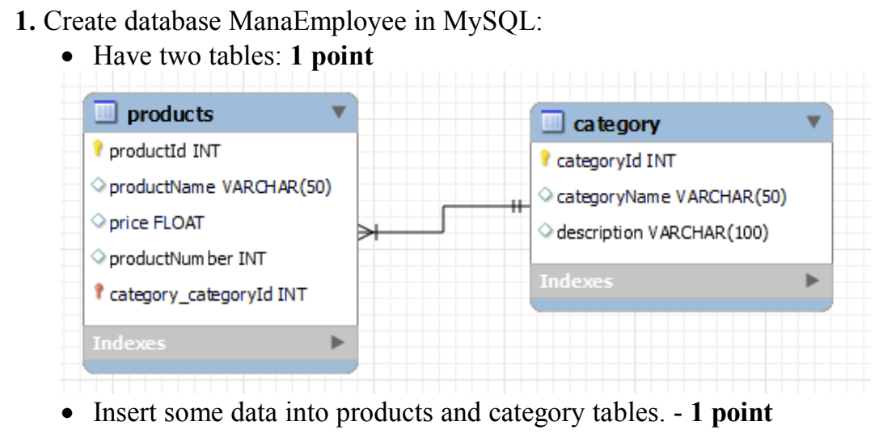 | 2
 | 3
 | 4
 | 2
 | 1
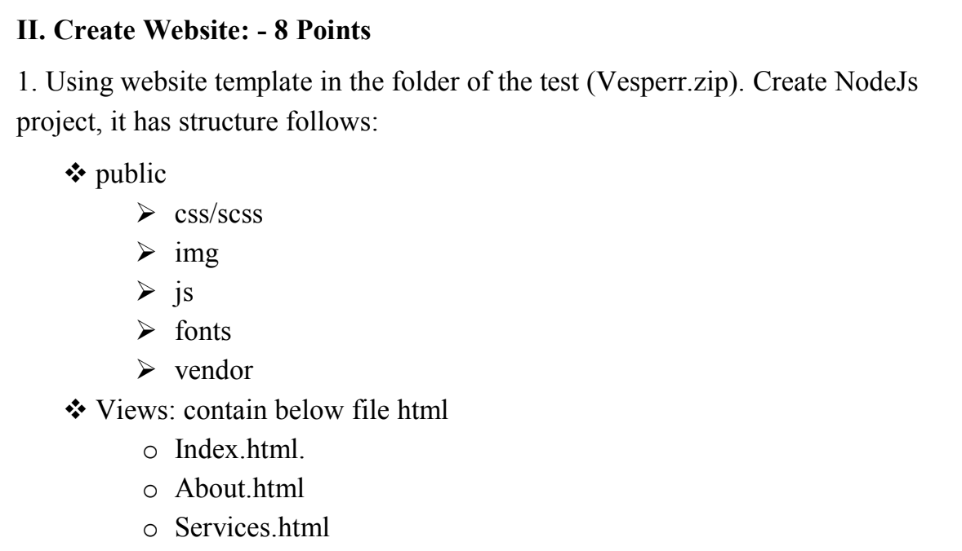 | 8 |  |  |  | 0
 |  |  |  |  | NodeJS
 | 20 | 0 | 0

