ARM Validation check
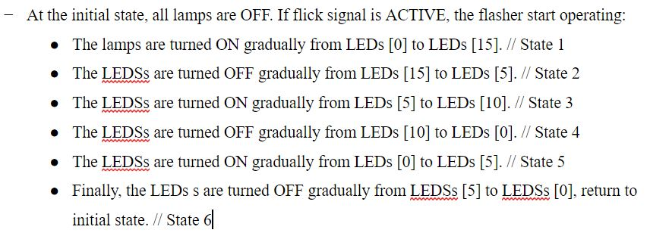
Target
 | 1st category |  | 3rd category | Judgment | TM Name | Judged by | Confirmation Method | Remark
No. | (Test case name) | No. | (Test case explanation)
1 | Normal Flow | 1 | Display leds according to the normal pattern without reset flick signal (flick = 1 in the entire run) |  |  |  | Wave Form
2 | Flick signal at L5 in state 2 | 2 | When the kickback point L5 is off at state 2 and if flick signal triggers, system goes back to the previous state (state 1), turning on leds to L15. |  |  |  | Wave Form
3 | Flick signal at L5 in state 4 | 3 | When the kickback point L5 is off at state 2 and if flick signal triggers, system goes back to the previous state (state 3), turning on leds to L10. |  |  |  | Wave Form
4 | Flick signal at L0 in state 4 | 4 | When the kickback point L0 is off at state 2 and if flick signal triggers, system goes back to the previous state (state 3), turning on leds to L10. |  |  |  | Wave Form
5 | Flick signal to repeat the process | 5 | After a complete flow, flick signal to check the process can be repeated from state 1 not state 6. |  |  |  | Wave Form
6 | Flick signal at any time slot (not kickback point in turning off leds state) | 6 | If flick signal takes effect in those states then the code is wrong, else then everything is OK. |  |  |  | Wave Form
7 | Flick signal at between L5 and L0 in state 4 | 7 | Between the kickback point L5 and L0, trigger flick signal to test if there is any state transition, if yes, then the code is wrong, else then the code working normally. |  |  |  | Wave Form
8 | Reset signal at any time slot | 8 | Whenever reset signal is 0, the system reset immediately to the Initial State, all leds are off. |  |  |  | Wave Form
9 | Reset signal with flick signal at kickback point in turning off leds state | 9 | Both reset signal and flick signal trigger at the same time, system must go back to Initial state. |  |  |  | Wave Form

 | State's Name Explanation:

