0user Working Space
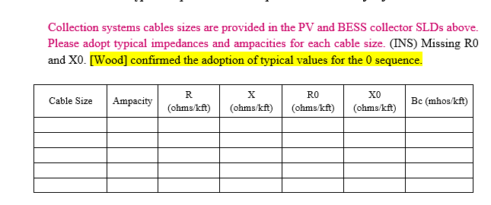
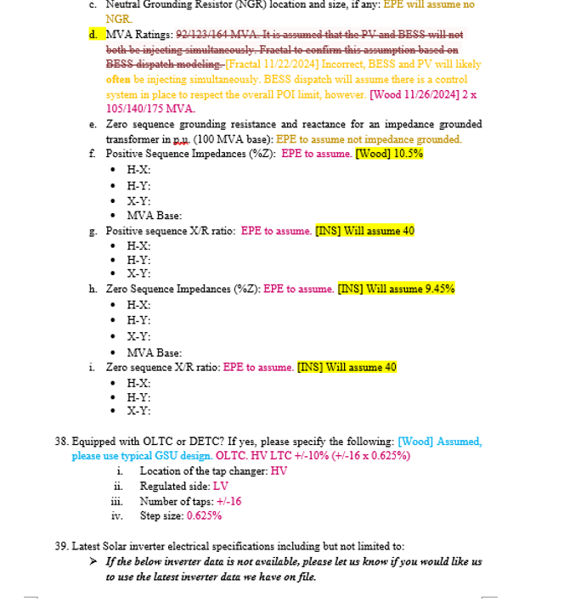
Working space for user: Do all calculations here!

Three Phase - UG
 |  |  | FOR BALANCED THREE PHASE LINES |  |  |  |  |  |  |  |  |  | 0.071 | 26.766369409

 |  |  |  |  | Calculated Three phase Impedance
Conductor | Voltage | Mnemonic | R1 | Cables Configuration |  | R1 | R1 | X1 | X1 | R1 | X1 | R0 | X0 | Bc | Deq | Comments | Resource
Type1 | kV |  | (ohms/Km) |  |  | (ohms/Km) | ohms/Mile | (ohms/Km) | ohms/Mile | (ohms/Kft) | (ohms/Kft) | (Ohms/kft) | (Ohms/kft) | mhos/1000 ft

1/0 AWG Al Triplexed - UG | 34.5 | 1/0 AWG Al Triplexed - UG-34.5 | 0.69713064015 |  |  | 0.6971 | 1.1217 | 0.1777 | 0.2860 | 0.2124 | 0.0542 | 0.2218 | 0.6441 | 0.00001496 |  | 1/0 AWG Al, 0.345” TRXLPE, 6/14 (1/3) AWG Cu, LLDPE underground cable – Direct Buried – EmPowr - Link BIFILL | General Cable
2/0 AWG Al Triplexed - UG | 34.5 | 2/0 AWG Al Triplexed - UG-34.5 | 0.54811584835 | 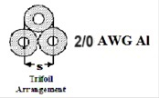 |  | 0.5481 | 0.8819 | 0.1681 | 0.2705 | 0.1670 | 0.0512 | 0.1764 | 0.6413 | 0.00001618 |  | 1/0 AWG Al, 0.345” TRXLPE, 6/14 (1/3) AWG Cu, LLDPE underground cable – Direct Buried – EmPowr - Link BIFILL | General Cable
3/0 AWG Al Triplexed - UG | 34.5 | 3/0 AWG Al Triplexed - UG-34.5 | 0.43408228713 |  |  | 0.4341 | 0.6984 | 0.1621 | 0.2608 | 0.1323 | 0.0494 | 0.1417 | 0.6371 | 0.00001742 |  | 1/0 AWG Al, 0.345” TRXLPE, 6/14 (1/3) AWG Cu, LLDPE underground cable – Direct Buried – EmPowr - Link BIFILL | General Cable
4/0 AWG Al Triplexed - UG | 34.5 | 4/0 AWG Al Triplexed - UG-34.5 | 0.27400870106 |  |  | 0.2740 | 0.4409 | 0.1575 | 0.2534 | 0.0835 | 0.0480 | 0.4310 | 0.2290 | 0.00001757 |  | 4/0 AWG Al, 0.345” TRXLPE, 11/14 (1/3) AWG Cu, LLDPE underground cable – Direct Buried – EmPowr – Link BIFILL | General Cable | 0 | 0 | 0 | 0 | 0
250 MCM Al Triplexed - UG | 34.5 | 250 MCM Al Triplexed - UG-34.5 | 0.328154133 |  |  | 0.3282 | 0.5280 | 0.1444 | 0.2323 | 0.1000 | 0.0440 | 0.0988 | 0.6286 | 0.00001930 |  | 500 kcmil Al, 0.345” TRXLPE, 13/14 (1/6) AWG Cu, LLDPE underground cable – Direct Buried – EmPowr - Link BIFILL | General Cable
350 MCM Al Triplexed - UG | 34.5 | 350 MCM Al Triplexed - UG-34.5 | 0.21024835301 |  |  | 0.2102 | 0.3383 | 0.1464 | 0.2356 | 0.0641 | 0.0446 | 0.0735 | 0.6218 | 0.00002231 |  | 500 kcmil Al, 0.345” TRXLPE, 13/14 (1/6) AWG Cu, LLDPE underground cable – Direct Buried – EmPowr - Link BIFILL | General Cable
500 MCM Al Triplexed - UG | 34.5 | 500 MCM Al Triplexed - UG-34.5 | 0.1640770665 |  |  | 0.1641 | 0.2640 | 0.1313 | 0.2112 | 0.0500 | 0.0400 | 0.3400 | 0.1810 | 0.00002446 |  | 500 kcmil Al, 0.345” TRXLPE, 13/14 (1/6) AWG Cu, LLDPE underground cable – Direct Buried – EmPowr - Link BIFILL | General Cable | 0 | 0 | 0 | 0 | 0
750 MCM Al Triplexed - UG | 34.5 | 750 MCM Al Triplexed - UG-34.5 | 0.11485394655 |  |  | 0.1149 | 0.1848 | 0.1247 | 0.2006 | 0.0350 | 0.0380 | 0.2570 | 0.1030 | 0.00002858 |  | 750 kcmil Al, 0.345” TRXLPE, 19/14 (1/6) AWG Cu, LLDPE underground cable – Direct Buried – EmPowr - Link BIFILL | General Cable | 0 | 0 | 0 | 0 | 0
1000 MCM Al Triplexed - UG | 34.5 | 1000 MCM Al Triplexed - UG-34.5 | 0.08532007458 |  |  | 0.0853 | 0.1373 | 0.1214 | 0.1954 | 0.0260 | 0.0370 | 0.2030 | 0.0690 | 0.00003201 |  | 1000 kcmil Al, 0.345” TRXLPE, 20/10 (1/3) AWG Cu, LLDPE underground cable – Direct Buried – EmPowr - Link BIFILL | General Cable | 0 | 0 | 0 | 0 | 0
1250 MCM CU Triplexed - UG | 34.5 | 1250 MCM CU Triplexed - UG-34.5 | 0.032487259167 |  |  | 0.0325 | 0.0523 | 0.1181 | 0.1901 | 0.0099 | 0.0360 | 0.1610 | 0.0510 | 0.00003568 |  | 1250 kcmil Al, 0.345” TRXLPE, 20/12 (1/6) AWG Cu, LLDPE underground cable – Direct Buried – EmPowr - Link BIFILL | General Cable
1250 MCM Al Triplexed - UG | 34.5 | 1250 MCM Al Triplexed - UG-34.5 | 0.06891236793 |  |  | 0.0689 | 0.1109 | 0.1181 | 0.1901 | 0.0210 | 0.0360 | 0.1680 | 0.0520 | 0.00003437 |  | 1250 kcmil Al, 0.345” TRXLPE, 20/12 (1/6) AWG Cu, LLDPE underground cable – Direct Buried – EmPowr - Link BIFILL | General Cable
1500 MCM CU Triplexed - UG | 34.5 | 1500 MCM CU Triplexed - UG-34.5 | 0.028221255438 |  |  | 0.0282 | 0.0454 | 0.1149 | 0.1848 | 0.0086 | 0.0350 | 0.1590 | 0.0510 | 0.00003665 |  | 1250 kcmil Al, 0.345” TRXLPE, 20/12 (1/6) AWG Cu, LLDPE underground cable – Direct Buried – EmPowr - Link BIFILL | General Cable
1500 MCM Al Triplexed - UG | 34.5 | 1500 MCM Al Triplexed - UG-34.5 | 0.041675574891 |  |  | 0.0417 | 0.0671 | 0.1149 | 0.1848 | 0.0127 | 0.0350 | 0.1650 | 0.0510 | 0.00003657 |  | 1250 kcmil Al, 0.345” TRXLPE, 20/12 (1/6) AWG Cu, LLDPE underground cable – Direct Buried – EmPowr - Link BIFILL | General Cable
1xyz MCM Al Triplexed - UG | 34.5 | 1xyz MCM Al Triplexed - UG-34.5 | 0.041675574891 |  |  | 0.0417 | 0.0671 | 0.1149 | 0.1848 | 0.0127 | 0.0350 | 0.1650 | 0.0510 | 0.00003657 |  | 1250 kcmil Al, 0.345” TRXLPE, 20/12 (1/6) AWG Cu, LLDPE underground cable – Direct Buried – EmPowr - Link BIFILL | General Cable
2xyz MCM Al Triplexed - UG | 34.5 | 2xyz MCM Al Triplexed - UG-34.5 | 0.041675574891 |  |  | 0.0417 | 0.0671 | 0.1149 | 0.1848 | 0.0127 | 0.0350 | 0.1650 | 0.0510 | 0.00003657 |  | 1250 kcmil Al, 0.345” TRXLPE, 20/12 (1/6) AWG Cu, LLDPE underground cable – Direct Buried – EmPowr - Link BIFILL | General Cable

To convert feet to meters, multiply by .3048
* To get the Susceptance in micro-mhos per KM, get the inverse of the calcuated value (that is divide 1/calculated value)
*Note that the calculated Susceptance is in Mega ohms - Km (and not per Km)
* a mho is the inverse of the ohm

