lines
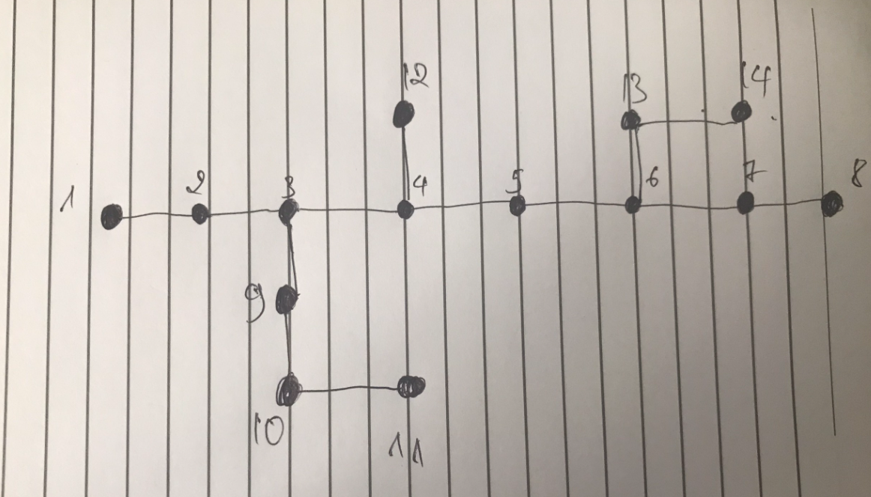
No | FromBus | Tobus | Length | LineCode
1 | 1 | 2 | 3 | AC-70 | 0.63 | 1.23

