System Architecture
System/Application Name |  |  |  | Document |  | Sheet Name |  | Created Date | Creator | Updated Date | Updater
Translate |  |  |  | Architecture Design |  | System Architecture |  | 2019-04-04 | Truong.BuiXuan | yyyy/mm/dd | xxx

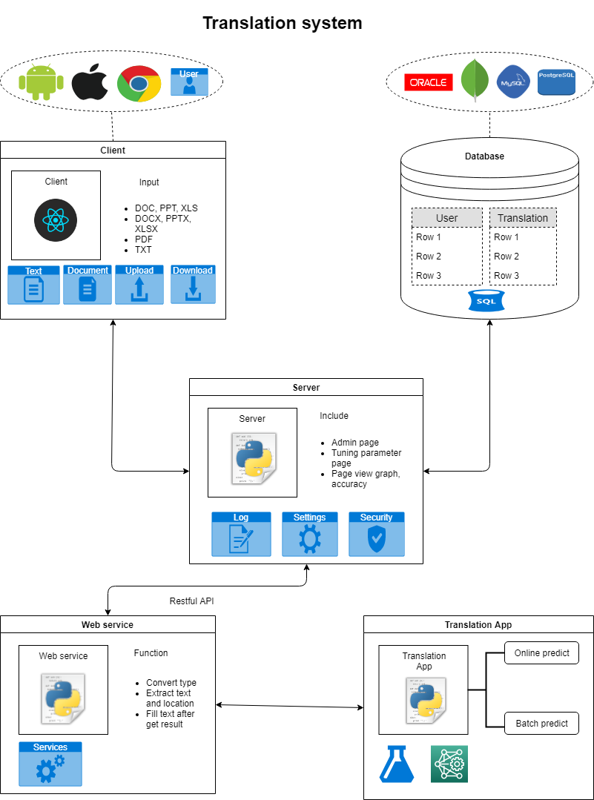
 | 1. System Architecture Diagram
 |  | Overall architecture of XXX is depicted in the below figure
 |  | Ex.

 |  | <Should describe the constraints of architecture: Size, Perfomance, Quality … if have)

 | 2. Software Components
 |  | <Describe the list of software components that use in the system>
 |  | # | Components |  | Categories |  | Description
 |  | 1 | Client |  | Make
 |  | 2 | DataBase |  | Make
 |  | 3 | Server |  | Make
 |  | 4 | Web Service |  | Make |  | Hanlde get Text from Office file input to translate text to Translation app to translated to other language After, recive text from Translation App and write to office file copy again.
 |  | 5 | Translation App |  | Make

 | 3. Interfaces between System Components
 |  | <Describe the list of interfaces between System Components and a brief description of each interfaces are provided.>
 |  | # | Interface |  | Description
 |  | 1 | Command scrips |  | Interface between Server and web service
 |  | 2 | Function call |  | Interface between Web sevice and Translation App
 |  | 3
 |  | 4

Component Detail
System/Application Name |  |  |  |  | Document |  | Sheet Name | Created Date | Creator | Updated Date | Updater
Translate |  |  |  |  | Architecture Design |  | Component Detail | 2019-04-04 | Truong.BuiXuan | yyyy/mm/dd | xxx

 | <Free describe about all Component>
 | 1. Client
 |  | <Free decribe more detail of each System components>

You could describe in diagram, chart,... same as diagram in System Architecture sheet

 |  |  | # | Item |  | Description
 |  |  | 1
 |  |  | 2
 |  |  | 3
 |  |  | 4

 | 2. Database
 |  | <Free decribe more detail of each System components>

You could describe in diagram, chart,...same as System Architecture sheet

 |  |  | # | Item |  | Description
 |  |  | 1
 |  |  | 2
 |  |  | 3
 |  |  | 4

 | 3. Server
 |  | <Free decribe more detail of each System components>

You could describe in diagram, chart,...same as System Architecture sheet

 |  |  | # | Item |  | Description
 |  |  | 1
 |  |  | 2
 |  |  | 3
 |  |  | 4

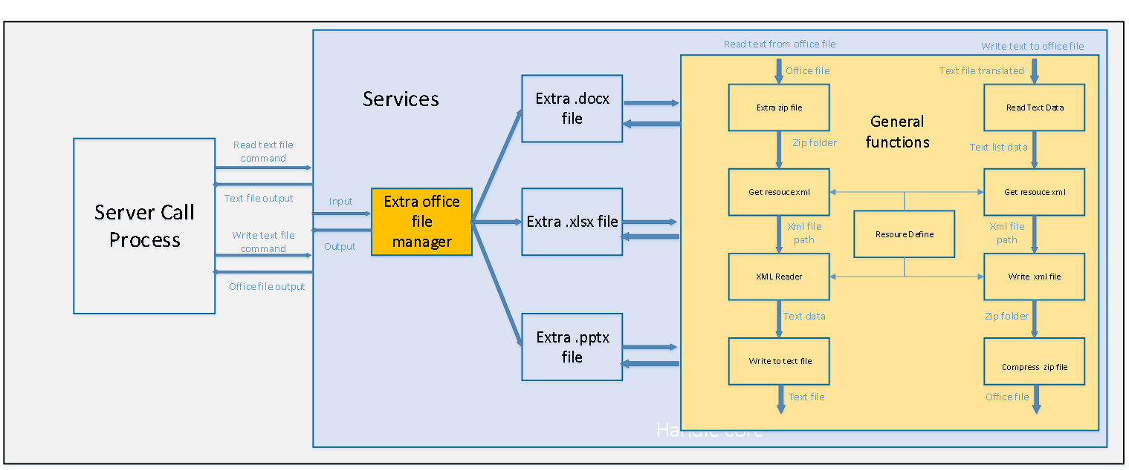
 | 4.Service
 |  | <Free decribe more detail of each System components>

 |  |  | # | Item |  | Description
 |  |  | 1 | Sever Call Process |  | Server, handle resquest from client and call process to service
 |  |  | 1 | Extra office file manager |  | handle distribute office type from input office file to using for after process
 |  |  | 2 | Extra .docx file |  | Handle read and write .docx file
 |  |  | 3 | Extra .xlsx file |  | Handle read and write .xlsx file
 |  |  | 4 | Extra .pptx file |  | Handle read and write .pptx file
 |  |  | 1 | General function |  | Provided functions handle Extra zip file, get xml resourc path, read anf write xml file for Read and write offices file
 |  |  | 2 | Resource Define |  | include attrbutes of office file types, include subfolder in office file struct, xml attribute of office file

 | 5.Translation App
 |  | <Free decribe more detail of each System components>

You could describe in diagram, chart,...same as System Architecture sheet

 |  |  | # | Item |  | Description
 |  |  | 1
 |  |  | 2
 |  |  | 3
 |  |  | 4

