System Architecture
System/Application Name |  |  |  | Document |  | Sheet Name |  | Created Date | Creator | Updated Date | Updater
<System/Application Name> |  |  |  | Architecture Design |  | System Architecture |  | yyyy/mm/dd | xxx | yyyy/mm/dd | xxx

 | 1. System Architecture Diagram
 |  | Overall architecture of XXX is depicted in the below figure
 |  | Ex.

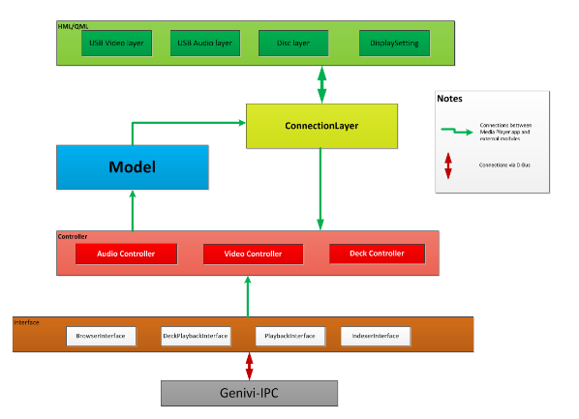

 |  | <Should describe the constraints of architecture: Size, Perfomance, Quality … if have)

 | 2. Software Components
 |  | <Describe the list of software components that use in the system>
 |  | # | Components |  | Categories |  | Description
 |  | 1 | HMI/QML |  | Re-use |  | Human Machine Interface for USB music media that provide GUI to user, developed in QML code
 |  | 2
 |  | 3
 |  | 4

 | 3. Interfaces between System Components
 |  | <Describe the list of interfaces between System Components and a brief description of each interfaces are provided.>
 |  | # | Interface |  | Description
 |  | 1 | Interface 1
 |  | 2
 |  | 3
 |  | 4

Component Detail
System/Application Name |  |  |  |  | Document |  | Sheet Name | Created Date | Creator | Updated Date | Updater
<System/Application Name> |  |  |  |  | Architecture Design |  | Component Detail | yyyy/mm/dd | xxx | yyyy/mm/dd | xxx

 | <Free describe about all Component>
 | 1. Component 1
 |  | <Free decribe more detail of each System components>

You could describe in diagram, chart,... same as diagram in System Architecture sheet

 |  |  | # | Item |  | Description
 |  |  | 1
 |  |  | 2
 |  |  | 3
 |  |  | 4

 | 2. Component 2
 |  | <Free decribe more detail of each System components>

You could describe in diagram, chart,...same as System Architecture sheet

 |  |  | # | Item |  | Description
 |  |  | 1
 |  |  | 2
 |  |  | 3
 |  |  | 4

