Sheet1
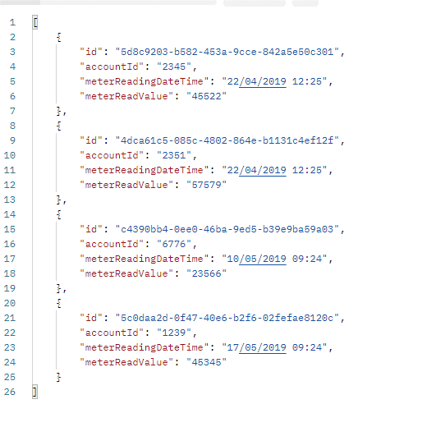
Test | Description | Expected Outcome | Actual outcome
T001 | Model data is created and seeded | Get request on Accounts should return the data | The data is created and seeded using GET on Accounts shows this
T002 | Get Accounts | Get request on Accounts returns all of the account data | The account data is returned.
T003 | Post request | Csv file can be used in post request to load data | The specified csv file can be used and the data loaded into the system
T004 | Bad request | Error is returned | Error returned 404
T005 | Cannot load the same record in twice |  | Tested with Meter_Reading1 file - only one item stored
T007 | Meter reading needs to be associated with an ID | Cannot be stored if an ID is missing and vice versa | Validation picks this up and records which have both are stored
T008 | The meter reading values must be 5 digits long | Any meter readings which are not 5 digits long are not stored | This is picked up within the validation and the readings of less size are not stored
T009 | Meter Reading cannot be negative | Meter reading not stored | Negative reads are not stored when reading from the csv
T011 | Filename for upload has been provided | Will not carry on the processing if no filename is provided | No readings are processed when the filename has not been provided

 | Tests were conducted using postman - to call the API and send in the post query

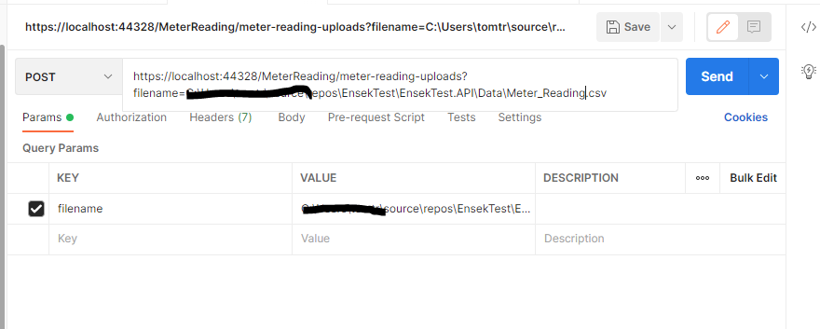

 | After insert of data from csv and validation - After running Get command

