DISCLAIMER
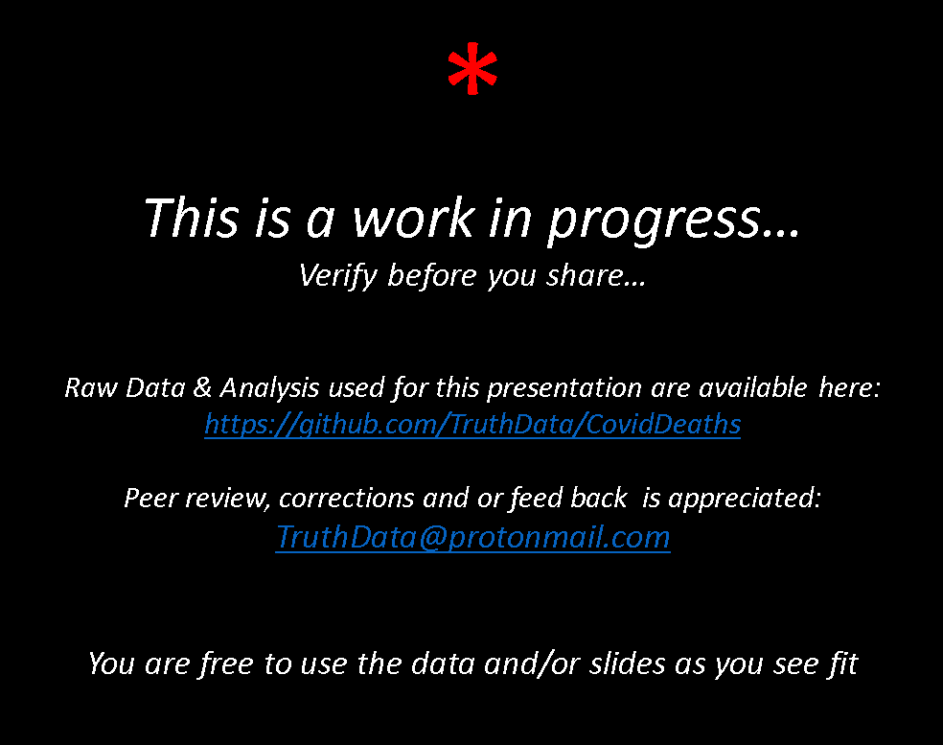
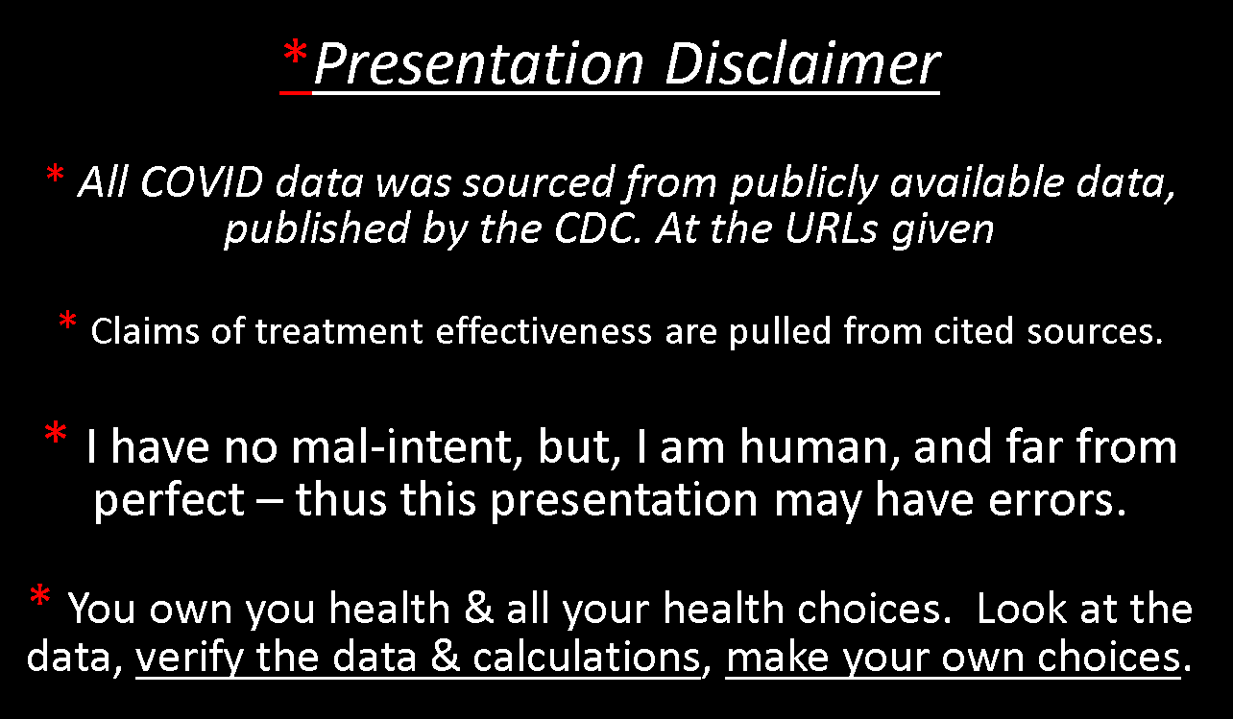

DataAnalysis
 |  |  |  |  |  |  |  |  |  |  |  | Calculation Constants
 |  |  |  |  |  |  | VALUE - Deaths Per 1M |  |  |  |  |  | Description | Value | Source | Notes
Category | Item | Population | Deaths | Deaths ANNUALIZED | Reduced by treatment | Deaths If Treated | Reported | Annualized | Treated | Source |  |  | CDC Anualization Factor: | 61.0% | 1 | Number of deaths from covid in last 12 month period / Number of all time reported deaths "With Covid"
COVID | COVID | 332,599,000 | 666,440 | 406,557 | 345,573 | 60,984 | 2,003.7 | 1,222.4 | 183.4 | 1, |  |  | Early Treatment Factor | 85.0% | 10 | The hundreds of studies and population wide impacts of COVID treatment protocols cannot be ignored. https://covid19criticalcare.com/ivermectin-in-covid-19/epidemiologic-analyses-on-covid19-and-ivermectin/ https://c19protocols.com/ Individual drugs demonstrate in large trails a 75% reduction in mortality https://c19early.com/ Multi-drug approaches reduce mortality by 85% in high-risk patients. https://www.youtube.com/watch?v=QAHi3lX3oGM Some Doctors claim a 99%+ effectivity rate https://www.covid-19forum.org/index.php?topic=18.0
COVID | Under Age 75 | 310,751,000 | 294,649 | 179,749 | 152,786 | 26,962 | 948.2 | 578.4 | 86.8 | 3,4
COVID | Under Age 65 | 278,296,000 | 147,081 | 89,726 | 76,267 | 13,459 | 528.5 | 322.4 | 48.4 | 3,4
COVID_AGE | 0-17 years | 74,660,000 | 439 | 268 | 228 | 40 | 5.9 | 3.6 | 0.5 | 3,4
COVID_AGE | 18-29 years | 53,184,000 | 3,212 | 1,959 | 1,666 | 294 | 60.4 | 36.8 | 5.5 | 3,4
COVID_AGE | 30-39 years | 45,194,000 | 9,240 | 5,637 | 4,791 | 846 | 204.5 | 124.7 | 18.7 | 3,4
COVID_AGE | 40-49 years | 41,153,000 | 23,501 | 14,337 | 12,186 | 2,150 | 571.1 | 348.4 | 52.3 | 3,4
COVID_AGE | 50-64 years | 64,105,000 | 110,689 | 67,525 | 57,396 | 10,129 | 1,726.7 | 1,053.4 | 158.0 | 3,4
COVID_AGE | 65-74 years | 32,455,000 | 147,568 | 90,023 | 76,519 | 13,503 | 4,546.8 | 2,773.8 | 416.1 | 3,4
COVID_AGE | 75-84 years | 15,785,000 | 176,763 | 107,833 | 91,658 | 16,175 | 11,198.2 | 6,831.4 | 1,024.7 | 3,4
COVID_AGE | 85 years and over | 6,063,000 | 187,342 | 114,287 | 97,144 | 17,143 | 30,899.2 | 18,849.9 | 2,827.5 | 3,4
VACCINE | Vaccine | 180,086,143 | 14,506 | 18,133 | - | 18,133 | 80.6 | 100.7 | 100.7 | 2,11
VACCINE | Vaccine x5 | 180,086,143 | 72,530 | 90,663 | - | 90,663 | 402.8 | 503.4 | 503.4 | 2,11
VACCINE | Vaccine x10 | 180,086,143 | 145,060 | 181,325 | - | 181,325 | 805.5 | 1,006.9 | 1,006.9 | 2,11
Pandemics | Spanish Flue ( 1918) | 1,800,000,000 | 50,000,000 | 50,000,000 | - | 50,000,000 | 27,777.8 | 27,777.8 | 27,777.8 | 7,8,9 |  |  | Sources
Pandemics | Plague of Justinian ( 541) | 200,000,000 | 50,000,000 | 50,000,000 | - | 50,000,000 | 250,000.0 | 250,000.0 | 250,000.0 | 7,8,9 |  |  | SourceID | Date data gathered | Source | URL
Pandemics | Black Death ( 1347) | 360,000,000 | 200,000,000 | 200,000,000 | - | 200,000,000 | 555,555.6 | 555,555.6 | 555,555.6 | 7,8,9 |  |  | 1 | 2021-09-11 | CDC MonthlyProvisional Counts of Deaths | https://data.cdc.gov/NCHS/Monthly-Provisional-Counts-of-Deaths-by-Select-Cau/9dzk-mvmi
Pandemics | New World smallpox ( 1520) | 62,222,222 | 56,000,000 | 56,000,000 | - | 56,000,000 | 900,000.0 | 900,000.0 | 900,000.0 | 7,8,9 |  |  | 2 | 2021-09-17 | CDC Vaccination status | https://covid.cdc.gov/covid-data-tracker/#vaccinations_vacc-total-admin-rate-total
OTHER CAUSES | Influenza 2017-2018 season | 327,200,000 | 61,000 | 61,000 | - | 61,000 | 186.4 | 186.4 | 186.4 | 6 |  |  | 3 | 2021-09-11 | US Census - Age-based population | https://www.census.gov/data/tables/2020/demo/popest/2020-demographic-analysis-tables.html
OTHER CAUSES | Natural Disasters | 325,100,000 | 103 | 103 | - | 103 | 0.3 | 0.3 | 0.3 | 5 |  |  | 4 | 2021-09-11 | CDC Covid deaths by sex & age | https://www.cdc.gov/nchs/nvss/vsrr/covid_weekly/index.htm#AgeAndSex
OTHER CAUSES | Unintentional Poisoning | 325,100,000 | 1,630 | 1,630 | - | 1,630 | 5.0 | 5.0 | 5.0 | 5 |  |  | 5 |  | Other leading death rates (~2017) | https://ourworldindata.org/country/united-states
OTHER CAUSES | Fires and Burns | 325,100,000 | 3,758 | 3,758 | - | 3,758 | 11.6 | 11.6 | 11.6 | 5 |  |  | 6 | 2021-09-17 | CDC Flue season data | https://www.cdc.gov/flu/about/burden/past-seasons.html
OTHER CAUSES | Drowning | 325,100,000 | 4,138 | 4,138 | - | 4,138 | 12.7 | 12.7 | 12.7 | 5 |  |  | 7 |  | Historical Pandemics | https://www.history.com/topics/middle-ages/pandemics-timeline
OTHER CAUSES | Alcohol | 325,100,000 | 10,539 | 10,539 | - | 10,539 | 32.4 | 32.4 | 32.4 | 5 |  |  | 8 |  | Historical Pandemics | https://www.washingtonpost.com/graphics/2020/local/retropolis/coronavirus-deadliest-pandemics/
OTHER CAUSES | Traffic Injuries | 325,100,000 | 34,461 | 34,461 | - | 34,461 | 106.0 | 106.0 | 106.0 | 5 |  |  | 9 |  | Historical Pandemics | https://www.worldometers.info/world-population/world-population-by-year/
OTHER CAUSES | Suicides | 325,100,000 | 41,729 | 41,729 | - | 41,729 | 128.4 | 128.4 | 128.4 | 5 |  |  | 10 | 2021-09-11 | 85% reduction in hosp & death Peter A. McCullough Texas Senate hearing | https://www.youtube.com/watch?v=QAHi3lX3oGM
OTHER CAUSES | Air pollution | 325,100,000 | 67,296 | 67,296 | - | 67,296 | 207.0 | 207.0 | 207.0 | 5 |  |  | 11 | 2021-09-11 | VaccineAdverseEffectsReportingDatabase | https://www.openvaers.com/covid-data
OTHER CAUSES | Substance use disorders | 325,100,000 | 71,495 | 71,495 | - | 71,495 | 219.9 | 219.9 | 219.9 | 5 |  |  | 12 |  | Page 41 of Case 2:21-cv-00702-CLM filed 2021 Jul-19 in U.S. DISTRICT COURT N.D. OF ALABAMA
OTHER CAUSES | Alzheimer/Dementia | 325,100,000 | 125,014 | 125,014 | - | 125,014 | 384.5 | 384.5 | 384.5 | 5 |  |  | 13 | 2021-09-17 | Current covid deaths | https://covid.cdc.gov/covid-data-tracker/#datatracker-home
OTHER CAUSES | Obesity | 325,100,000 | 233,911 | 233,911 | - | 233,911 | 719.5 | 719.5 | 719.5 | 5
OTHER CAUSES | Smoking | 325,100,000 | 245,793 | 245,793 | - | 245,793 | 756.1 | 756.1 | 756.1 | 5
OTHER CAUSES | Cancer | 325,100,000 | 414,969 | 414,969 | - | 414,969 | 1,276.4 | 1,276.4 | 1,276.4 | 5
OTHER CAUSES | Cardiovascular disease | 325,100,000 | 491,192 | 491,192 | - | 491,192 | 1,510.9 | 1,510.9 | 1,510.9 | 5

Reported vs Annualized - Deaths Per Million
 | Item | Value Type | Label | Deaths Per Million
 | COVID | Annualized | COVID Annualized | 1,222
 | COVID | Reported | COVID Reported | 2,004

Effects of Treatment - Deaths Per Million
 | Item | Value Type | Label | Deaths Per Million
 | COVID | Treated | COVID Treated | 183
 | COVID | Annualized | COVID Annualized | 1,222
 | COVID | Reported | COVID Reported | 2,004

COVID Deaths by AGE - Treated. |  | TODO: update this to use references to above table.
Category | Item | Population | Deaths | Deaths ANNUALIZED | Reduced by treatment | Deaths If Treated | Deaths Per 1M | Deaths Per 1M Annualized | Deaths Per 1M Annualized & Treated | Source
COVID_AGE | 0-17 years | 74,660,000 | 439 | 268 | 228 | 40 | 5.9 | 3.6 | 0.5 | 3,4
COVID_AGE | 18-29 years | 53,184,000 | 3,212 | 1,959 | 1,666 | 294 | 60.4 | 36.8 | 5.5 | 3,4
COVID_AGE | 30-39 years | 45,194,000 | 9,240 | 5,637 | 4,791 | 846 | 204.5 | 124.7 | 18.7 | 3,4
COVID_AGE | 40-49 years | 41,153,000 | 23,501 | 14,337 | 12,186 | 2,150 | 571.1 | 348.4 | 52.3 | 3,4
COVID_AGE | 50-64 years | 64,105,000 | 110,689 | 67,525 | 57,396 | 10,129 | 1,726.7 | 1,053.4 | 158.0 | 3,4
COVID_AGE | 65-74 years | 32,455,000 | 147,568 | 90,023 | 76,519 | 13,503 | 4,546.8 | 2,773.8 | 416.1 | 3,4
COVID_AGE | 75-84 years | 15,785,000 | 176,763 | 107,833 | 91,658 | 16,175 | 11,198.2 | 6,831.4 | 1,024.7 | 3,4
COVID_AGE | 85 years and over | 6,063,000 | 187,342 | 114,287 | 97,144 | 17,143 | 30,899.2 | 18,849.9 | 2,827.5 | 3,4
COVID Deaths Anualized By Age - Per 1 Million
 | Untreated | Treated
0-17 years | 3.6 | 0.5
18-29 years | 36.8 | 5.5
30-39 years | 124.7 | 18.7
40-49 years | 348.4 | 52.3
50-64 years | 1,053.4 | 158.0
65-74 years | 2,773.8 | 416.1
75-84 years | 6,831.4 | 1,024.7
85 years and over | 18,849.9 | 2,827.5

 |  |  |  |  |  |  |  |  | 5254.9797814

 |  |  |  |  |  |  |  |  | 310,751,000 | 4,340.7
 |  |  |  |  |  |  |  |  | 21,848,000 | 25,681.2
 |  |  |  |  |  |  |  |  |  | 12,840.6
 |  |  |  |  |  |  |  |  | 0.065688712233 | 3579.7163549
 |  |  |  |  |  |  |  |  | 0.55271770646
 |  |  |  |  |  |  |  |  | Pop% | Death% | X 0-17
 |  |  |  |  |  |  |  | Under 65 | 84% | 0.052191250519
 |  |  |  |  |  |  |  | 65+ | 0.1632686809 | 0.77672849045 | 2644.2359469

COVID vs Historical Pandemics - Deaths Per 1 Million
 | Deaths Per 1M
COVID Treated | 183
COVID Annualized | 1,222
COVID As Reported | 2,004
Spanish Flue ( 1918) | 27,778
Plague of Justinian ( 541) | 250,000
Black Death ( 1347) | 555,556
New World smallpox ( 1520) | 900,000

 | Covid VS Historical Pandemics | TODO: update this to use references to above table.
 | Category | Item | Deaths Per 1M
 | COVID | COVID Treated | 183
 | COVID | COVID Annualized | 1,222
 | COVID | COVID As Reported | 2,004
 | Pandemics | Spanish Flue ( 1918) | 27,778
 | Pandemics | Plague of Justinian ( 541) | 250,000
 | Pandemics | Black Death ( 1347) | 555,556
 | Pandemics | New World smallpox ( 1520) | 900,000

COVID Deaths Per 1 Million
 | Deaths Per 1 Million
COVID Age < 65 Treated | 48
COVID Treated | 183
COVID Age < 65 | 322
COVID Annualized | 1,222
COVID As Reported | 2,004

 | TODO: update this to use references to above table.
 | COVID Deaths <75 years + Treatment
 | Data | Deaths Per 1 Million
 | COVID Age < 65 Treated | 48
 | COVID Treated | 183
 | COVID Age < 65 | 322
 | COVID Annualized | 1,222
 | COVID As Reported | 2,004

 | Deaths Per 1 Million
COVID Age < 65 Treated | 48
COVID Treated | 183
Influenza 2017-2018 season | 186
COVID Age < 65 | 322
COVID Annualized | 1,222
COVID As Reported | 2,004
 | TODO: update this to use references to above table.
 | COVID Deaths vs Flue
 | Data | Deaths Per 1 Million
 | COVID Age < 65 Treated | 48
 | COVID Treated | 183
 | Influenza 2017-2018 season | 186
 | COVID Age < 65 | 322
 | COVID Annualized | 1,222
 | COVID As Reported | 2,004

Comparing Causes of Death - Per 1Million
 | Deaths Per 1M
Alcohol | 32
COVID Age < 65 Treated | 48
Traffic Injuries | 106
Suicides | 128
COVID Treated | 183
Influenza 2017-2018 season | 186
Substance use disorders | 220
COVID Age < 65 | 322
Alzheimer/Dementia | 385
Obesity | 720
Smoking | 756
COVID Annualized | 1,222
Cancer | 1,276
Cardiovascular disease | 1,511
COVID As Reported | 2,004
 | TODO: update this to use references to above table.

 | Category | Item | Deaths Per 1M
 | OTHER CAUSES | Alcohol | 32.4
 | COVID | COVID Age < 65 Treated | 48
 | OTHER CAUSES | Traffic Injuries | 106.0
 | OTHER CAUSES | Suicides | 128.4
 | COVID | COVID Treated | 183
 | OTHER CAUSES | Influenza 2017-2018 season | 186.4
 | OTHER CAUSES | Substance use disorders | 219.9
 | COVID | COVID Age < 65 | 322
 | OTHER CAUSES | Alzheimer/Dementia | 384.5
 | OTHER CAUSES | Obesity | 719.5
 | OTHER CAUSES | Smoking | 756.1
 | COVID | COVID Annualized | 1,222
 | OTHER CAUSES | Cancer | 1,276.4
 | OTHER CAUSES | Cardiovascular disease | 1,510.9
 | COVID | COVID As Reported | 2,004

COVID vs COVID Vaccine - Deaths Per 1 Million
 | Deaths Per 1 Million
COVID Age < 65 Treated | 48
Vaccine | 101
COVID Treated | 183
Influenza 2017-2018 season | 186
COVID Age < 65 | 322
Vaccine x5 | 503
Vaccine x10 | 1,007
COVID Annualized | 1,222
COVID As Reported | 2,004
 | TODO: update this to use references to above table.
 | COVID Deaths vs Vaccine
 | Data | Deaths Per 1 Million
 | COVID Age < 65 Treated | 48
 | Vaccine | 101
 | COVID Treated | 183
 | Influenza 2017-2018 season | 186
 | COVID Age < 65 | 322
 | Vaccine x5 | 503
 | Vaccine x10 | 1,007
 | COVID Annualized | 1,222
 | COVID As Reported | 2,004

COVID Deaths By Age vs COVID Vaccine Deaths - Per 1 Million
 | Not Treated | Treated
0-17 years | 3.6 | 0.5
18-29 years | 36.8 | 5.5
30-39 years | 124.7 | 18.7
40-49 years | 348.4 | 52.3
50-64 years | 1,053.4 | 158.0
65-74 years | 2,773.8 | 416.1
75-84 years | 6,831.4 | 1,024.7
85 years and over | 18,849.9 | 2,827.5
Vaccine | 100.7
Vaccine x5 | 503.4
Vaccine x10 | 1,006.9
Category | Item | Population | Deaths | Deaths ANNUALIZED | Reduced by treatment | Deaths If Treated | Deaths Per 1M | Deaths Per 1M Annualized | Deaths Per 1M Annualized & Treated | Source
COVID_AGE | 0-17 years | 74,660,000 | 439 | 268 | 228 | 40 | 5.9 | 3.6 | 0.5 | 3,4
COVID_AGE | 18-29 years | 53,184,000 | 3,212 | 1,959 | 1,666 | 294 | 60.4 | 36.8 | 5.5 | 3,4
COVID_AGE | 30-39 years | 45,194,000 | 9,240 | 5,637 | 4,791 | 846 | 204.5 | 124.7 | 18.7 | 3,4
COVID_AGE | 40-49 years | 41,153,000 | 23,501 | 14,337 | 12,186 | 2,150 | 571.1 | 348.4 | 52.3 | 3,4
COVID_AGE | 50-64 years | 64,105,000 | 110,689 | 67,525 | 57,396 | 10,129 | 1,726.7 | 1,053.4 | 158.0 | 3,4
COVID_AGE | 65-74 years | 32,455,000 | 147,568 | 90,023 | 76,519 | 13,503 | 4,546.8 | 2,773.8 | 416.1 | 3,4
COVID_AGE | 75-84 years | 15,785,000 | 176,763 | 107,833 | 91,658 | 16,175 | 11,198.2 | 6,831.4 | 1,024.7 | 3,4
COVID_AGE | 85 years and over | 6,063,000 | 187,342 | 114,287 | 97,144 | 17,143 | 30,899.2 | 18,849.9 | 2,827.5 | 3,4
VACCINE | Vaccine | 180,086,143 | 14,506 | 18,133 | - | 18,133 | 80.6 | 100.7 |  | 2,11
VACCINE | Vaccine x5 | 180,086,143 | 72,530 | 90,663 | - | 90,663 | 402.8 | 503.4 |  | 2,11
VACCINE | Vaccine x10 | 180,086,143 | 145,060 | 181,325 |  | 181,325 | 805.5 | 1,006.9 |  | 2,11

COVID Deaths By Age vs COVID Vaccine Deaths - Per 1 Million
 | Not Treated | Treated
0-17 years | 3.6 | 0.5
18-29 years | 36.8 | 5.5
30-39 years | 124.7 | 18.7
40-49 years | 348.4 | 52.3
50-64 years | 1,053.4 | 158.0
Vaccine | 100.7
Vaccine x5 | 503.4
Vaccine x10 | 1,006.9

Category | Item | Population | Deaths | Deaths ANNUALIZED | Reduced by treatment | Deaths If Treated | Deaths Per 1M | Deaths Per 1M Annualized | Deaths Per 1M Annualized & Treated | Source
COVID_AGE | 0-17 years | 74,660,000 | 439 | 268 | 228 | 40 | 5.9 | 3.6 | 0.5 | 3,4
COVID_AGE | 18-29 years | 53,184,000 | 3,212 | 1,959 | 1,666 | 294 | 60.4 | 36.8 | 5.5 | 3,4
COVID_AGE | 30-39 years | 45,194,000 | 9,240 | 5,637 | 4,791 | 846 | 204.5 | 124.7 | 18.7 | 3,4
COVID_AGE | 40-49 years | 41,153,000 | 23,501 | 14,337 | 12,186 | 2,150 | 571.1 | 348.4 | 52.3 | 3,4
COVID_AGE | 50-64 years | 64,105,000 | 110,689 | 67,525 | 57,396 | 10,129 | 1,726.7 | 1,053.4 | 158.0 | 3,4
VACCINE | Vaccine | 180,086,143 | 14,506 | 18,133 | - | 18,133 | 80.6 | 100.7 |  | 2,11
VACCINE | Vaccine x5 | 180,086,143 | 72,530 | 90,663 | - | 90,663 | 402.8 | 503.4 |  | 2,11
VACCINE | Vaccine x10 | 180,086,143 | 145,060 | 181,325 |  | 181,325 | 805.5 | 1,006.9 |  | 2,11

Leading Causes of Death vs COVID and COVID Vaccine – Deaths Per 1 Million
 | Deaths Per 1M
Alcohol | 32
COVID Age < 65 Treated | 48
Vaccine | 101
Traffic Injuries | 106
Suicides | 128
COVID Treated | 183
Influenza 2017-2018 season | 186
Substance use disorders | 220
COVID Age < 65 | 322
Alzheimer/Dementia | 385
Vaccine x5 | 503
Obesity | 720
Smoking | 756
Vaccine x10 | 1,007
COVID Annualized | 1,222
Cancer | 1,276
Cardiovascular disease | 1,511
COVID As Reported | 2,004

 | Leading Causes of Death vs COVID and COVID Vaccine – Deaths Per 1 Million
 | Category | Item | Deaths Per 1M
 | OTHER CAUSES | Alcohol | 32
 | COVID | COVID Age < 65 Treated | 48
 | VACCINE | Vaccine | 101
 | OTHER CAUSES | Traffic Injuries | 106
 | OTHER CAUSES | Suicides | 128
 | COVID | COVID Treated | 183
 | OTHER CAUSES | Influenza 2017-2018 season | 186
 | OTHER CAUSES | Substance use disorders | 220
 | COVID | COVID Age < 65 | 322
 | OTHER CAUSES | Alzheimer/Dementia | 385
 | VACCINE | Vaccine x5 | 503
 | OTHER CAUSES | Obesity | 720
 | OTHER CAUSES | Smoking | 756
 | VACCINE | Vaccine x10 | 1,006.9
 | COVID | COVID Annualized | 1,222
 | OTHER CAUSES | Cancer | 1,276
 | OTHER CAUSES | Cardiovascular disease | 1,511
 | COVID | COVID As Reported | 2,004

