Bulk Carrier1
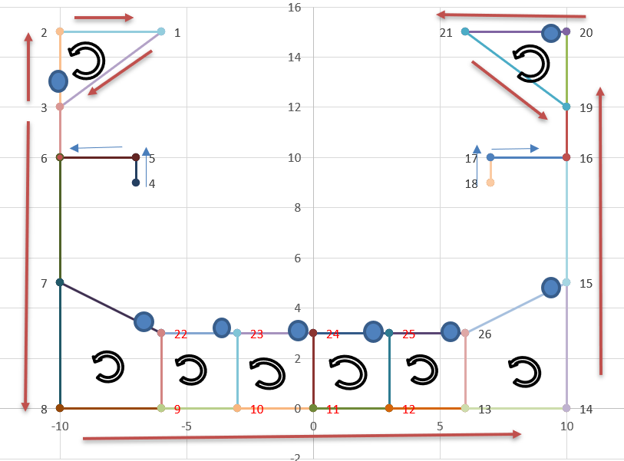
coordinates |  | segmen |  | cutting | thickness | cell 1 | cell 2 | cell 3 | cell 4 | cell 5 | cell 6 | cell 7 | cell 8
-6 | 15 | 3 | 2 | 1 | 0.015 | 1 | 0 | 0 | 0 | 0 | 0 | 0 | 0 | 1
-10 | 15 | 2 | 1 | 0 | 0.015 | 1 | 0 | 0 | 0 | 0 | 0 | 0 | 0 | 2
-10 | 12 | 1 | 3 | 0 | 0.015 | 1 | 0 | 0 | 0 | 0 | 0 | 0 | 0 | 3
-7 | 9 | 3 | 6 | 0 | 0.015 | 0 | 0 | 0 | 0 | 0 | 0 | 0 | 0 | 4
-7 | 10 | 4 | 5 | 1 | 0.015 | 0 | 0 | 0 | 0 | 0 | 0 | 0 | 0 | 5
-10 | 10 | 5 | 6 | 0 | 0.015 | 0 | 0 | 0 | 0 | 0 | 0 | 0 | 0 | 6
-10 | 5 | 6 | 7 | 0 | 0.015 | 0 | 0 | 0 | 0 | 0 | 0 | 0 | 0 | 7
-10 | 0 | 22 | 7 | 1 | 0.01 | 0 | 1 | 0 | 0 | 0 | 0 | 0 | 0 | 8
-6 | 0 | 7 | 8 | 0 | 0.015 | 0 | 1 | 0 | 0 | 0 | 0 | 0 | 0 | 9
-3 | 0 | 8 | 9 | 0 | 0.015 | 0 | 1 | 0 | 0 | 0 | 0 | 0 | 0 | 10
0 | 0 | 23 | 22 | 1 | 0.01 | 0 | 0 | 1 | 0 | 0 | 0 | 0 | 0 | 11
3 | 0 | 22 | 9 | 0 | 0.02 | 0 | 1 | 1 | 0 | 0 | 0 | 0 | 0 | 12
6 | 0 | 9 | 10 | 0 | 0.015 | 0 | 0 | 1 | 0 | 0 | 0 | 0 | 0 | 13
10 | 0 | 24 | 23 | 1 | 0.01 | 0 | 0 | 0 | 1 | 0 | 0 | 0 | 0 | 14
10 | 5 | 23 | 10 | 0 | 0.02 | 0 | 0 | 1 | 1 | 0 | 0 | 0 | 0 | 15
10 | 10 | 10 | 11 | 0 | 0.015 | 0 | 0 | 0 | 1 | 0 | 0 | 0 | 0 | 16
7 | 10 | 25 | 24 | 1 | 0.01 | 0 | 0 | 0 | 0 | 1 | 0 | 0 | 0 | 17
7 | 9 | 24 | 11 | 0 | 0.02 | 0 | 0 | 0 | 1 | 1 | 0 | 0 | 0 | 18
10 | 12 | 11 | 12 | 0 | 0.015 | 0 | 0 | 0 | 0 | 1 | 0 | 0 | 0 | 19
10 | 15 | 26 | 25 | 1 | 0.01 | 0 | 0 | 0 | 0 | 0 | 1 | 0 | 0 | 20
6 | 15 | 25 | 12 | 0 | 0.02 | 0 | 0 | 0 | 0 | 1 | 1 | 0 | 0 | 21
-6 | 3 | 12 | 13 | 0 | 0.015 | 0 | 0 | 0 | 0 | 0 | 1 | 0 | 0 | 22
-3 | 3 | 15 | 26 | 1 | 0.01 | 0 | 0 | 0 | 0 | 0 | 0 | 1 | 0 | 23
0 | 3 | 26 | 13 | 0 | 0.02 | 0 | 0 | 0 | 0 | 0 | 1 | 1 | 0 | 24
3 | 3 | 13 | 14 | 0 | 0.015 | 0 | 0 | 0 | 0 | 0 | 0 | 1 | 0 | 25
6 | 3 | 14 | 15 | 0 | 0.015 | 0 | 0 | 0 | 0 | 0 | 0 | 1 | 0 | 26
 |  | 15 | 16 | 0 | 0.015 | 0 | 0 | 0 | 0 | 0 | 0 | 0 | 0 | 27
 |  | 18 | 17 | 1 | 0.015 | 0 | 0 | 0 | 0 | 0 | 0 | 0 | 0 | 28
 |  | 17 | 16 | 0 | 0.015 | 0 | 0 | 0 | 0 | 0 | 0 | 0 | 0 | 29
 |  | 16 | 19 | 0 | 0.015 | 0 | 0 | 0 | 0 | 0 | 0 | 0 | 0 | 30
 |  | 20 | 21 | 1 | 0.015 | 0 | 0 | 0 | 0 | 0 | 0 | 0 | 1 | 31
 |  | 21 | 19 | 0 | 0.015 | 0 | 0 | 0 | 0 | 0 | 0 | 0 | 1 | 32
 |  | 19 | 20 | 0 | 0.015 | 0 | 0 | 0 | 0 | 0 | 0 | 0 | 1 | 33

Try
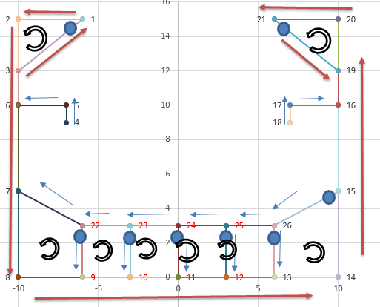
coordinates |  | segmen |  | cutting | thickness | cell 1 | cell 2 | cell 3 | cell 4 | cell 5 | cell 6 | cell 7 | cell 8
-6 | 15 | 3 | 1 | 1 | 0.01 | 1 | 0 | 0 | 0 | 0 | 0 | 0 | 0 | 1
-10 | 15 | 1 | 2 | 0 | 0.01 | 1 | 0 | 0 | 0 | 0 | 0 | 0 | 0 | 2
-10 | 12 | 2 | 3 | 0 | 0.01 | 1 | 0 | 0 | 0 | 0 | 0 | 0 | 0 | 3
-7 | 9 | 3 | 6 | 0 | 0.01 | 0 | 0 | 0 | 0 | 0 | 0 | 0 | 0 | 4
-7 | 10 | 4 | 5 | 1 | 0.01 | 0 | 0 | 0 | 0 | 0 | 0 | 0 | 0 | 5
-10 | 10 | 5 | 6 | 0 | 0.01 | 0 | 0 | 0 | 0 | 0 | 0 | 0 | 0 | 6
-10 | 5 | 6 | 7 | 0 | 0.01 | 0 | 0 | 0 | 0 | 0 | 0 | 0 | 0 | 7
-10 | 0 | 22 | 7 | 1 | 0.01 | 0 | 1 | 0 | 0 | 0 | 0 | 0 | 0 | 8
-6 | 0 | 7 | 8 | 0 | 0.01 | 0 | 1 | 0 | 0 | 0 | 0 | 0 | 0 | 9
-3 | 0 | 8 | 9 | 0 | 0.01 | 0 | 1 | 0 | 0 | 0 | 0 | 0 | 0 | 10
0 | 0 | 23 | 22 | 1 | 0.01 | 0 | 0 | 1 | 0 | 0 | 0 | 0 | 0 | 11
3 | 0 | 22 | 9 | 0 | 0.01 | 0 | 1 | 1 | 0 | 0 | 0 | 0 | 0 | 12
6 | 0 | 9 | 10 | 0 | 0.01 | 0 | 0 | 1 | 0 | 0 | 0 | 0 | 0 | 13
10 | 0 | 24 | 23 | 1 | 0.01 | 0 | 0 | 0 | 1 | 0 | 0 | 0 | 0 | 14
10 | 5 | 23 | 10 | 0 | 0.01 | 0 | 0 | 1 | 1 | 0 | 0 | 0 | 0 | 15
10 | 10 | 10 | 11 | 0 | 0.01 | 0 | 0 | 0 | 1 | 0 | 0 | 0 | 0 | 16
7 | 10 | 25 | 24 | 1 | 0.01 | 0 | 0 | 0 | 0 | 1 | 0 | 0 | 0 | 17
7 | 9 | 24 | 11 | 0 | 0.01 | 0 | 0 | 0 | 1 | 1 | 0 | 0 | 0 | 18
10 | 12 | 11 | 12 | 0 | 0.01 | 0 | 0 | 0 | 0 | 1 | 0 | 0 | 0 | 19
10 | 15 | 26 | 25 | 1 | 0.01 | 0 | 0 | 0 | 0 | 0 | 1 | 0 | 0 | 20
6 | 15 | 25 | 12 | 0 | 0.01 | 0 | 0 | 0 | 0 | 1 | 1 | 0 | 0 | 21
-6 | 3 | 12 | 13 | 0 | 0.01 | 0 | 0 | 0 | 0 | 0 | 1 | 0 | 0 | 22
-3 | 3 | 15 | 26 | 1 | 0.01 | 0 | 0 | 0 | 0 | 0 | 0 | 1 | 0 | 23
0 | 3 | 26 | 13 | 0 | 0.01 | 0 | 0 | 0 | 0 | 0 | 1 | 1 | 0 | 24
3 | 3 | 13 | 14 | 0 | 0.01 | 0 | 0 | 0 | 0 | 0 | 0 | 1 | 0 | 25
6 | 3 | 14 | 15 | 0 | 0.01 | 0 | 0 | 0 | 0 | 0 | 0 | 1 | 0 | 26
 |  | 15 | 16 | 0 | 0.01 | 0 | 0 | 0 | 0 | 0 | 0 | 0 | 0 | 27
 |  | 18 | 17 | 1 | 0.01 | 0 | 0 | 0 | 0 | 0 | 0 | 0 | 0 | 28
 |  | 17 | 16 | 0 | 0.01 | 0 | 0 | 0 | 0 | 0 | 0 | 0 | 0 | 29
 |  | 16 | 19 | 0 | 0.01 | 0 | 0 | 0 | 0 | 0 | 0 | 0 | 0 | 30
 |  | 19 | 20 | 0 | 0.01 | 0 | 0 | 0 | 0 | 0 | 0 | 0 | 1 | 31
 |  | 20 | 21 | 0 | 0.01 | 0 | 0 | 0 | 0 | 0 | 0 | 0 | 1 | 32
 |  | 21 | 19 | 0 | 0.01 | 0 | 0 | 0 | 0 | 0 | 0 | 0 | 1 | 33

