User Guide
1) Introduction

The purpose of this spreadsheet is for the business users to validate that the rulesets that the content migration tools are retrieving data based on, are accurate.

Based on the information that has been gathered in the requirement gathering workshops and document deep dive sessions, rules have been created to drive the content migration toolset. This spreadsheet provides the opportunity to validate these rules and ensure the content that is migrated is correct.

The rules that are being created and need to be validated are split into 2 main categories:
1) Document Identification Rules
2) Metadata Extraction Rules

The information that is being validated in this spreadsheet will dictate what information is populated into the ECM system. Therefore, this is the opportunity to ensure that the documents and metadata that will be available in the system when it is first rolled out, are accurate and relevant.

2) Document Identification Rules

The first of the two types of rule that need to be validated are the Document Identification Rules. These are the rules that help to identify files of a particular type on the Shared Drive. The rules that need to be validated comprise of where the software should look and how it should identify specific files.

3) Metadata Extraction Rules

Once the documents have been identified, the software then needs to extract the appropriate metadata to associate to them. The metadata properties were defined for each document in the Document Deep Dive sessions. Based on these metadata properties, rules have been created to try and extract the associated values, either from the file path, file name or content of the file. If no value can be extracted then the metadata value can either be assigned a default value or be left blank.

Rule Patterns:
n = Number / Digit
x = Character
ddmmyyyy = Day (eg 12) Month (eg 10) Year (eg 2014)

4) Understanding this Spreadsheet
Document Name: The name of the document for which the rules have been created.
Total Files Discovered on Shared Drive: This is the number of files that the identification rule has located. Therefore, this is the number of files that will be migrated into the ECM solution.

Comments: This is where any comments should be written to notify of any changes that need to happen to the Document Identification Rule.
Source Location: This is the location on the Shared Drive that the identification rules will be performed. The rules will query all the folders, subfolders and files that are contained within this location.
Identification Rule: This is where the rule or rules that have been created in the content migration software have been written, ready for validation. These rules should be cross referenced with the actual files and folders on the Shared Drive, to determine their validity.

Metadata: The metadata properties that have been outlined in the Document Deep Dive sessions. These will be the properties that comprise the Input Templates in the ECM solution.
Value Source: The location from which the metadata values will be extracted. The metadata values will be extracted from either the filename (and file path) or from the content. If the value cannot be extracted from either of the filename or content, then the value can either be left blank or set to a default value.
Rule: The rule that will be performed by the software to extract the metadata value.
Default Value: Only to be populated if the ‘Not Found’ rule is set to ‘Default Value’. The value that will be associated to this metadata property if no value could be extracted.
Example: An example of the value extracted by the rule.
Success %: The success rate for each type of rule.

Comments: This is where any comments should be written to notify of any changes that need to happen to the Metadata Extraction Rules.

Document Class: A dropdown list of how the document will be classified, based on the information provided in the Document Deep Dive sessions.
Security Class: A dropdown list of the security classification that will be applied to the document, based on the information provided in the Document Deep Dive sessions.
A full explanation of the meaning of each of these classifications can be found below.

5) Information Governance Classifications

Security Classification
Public: Non-sensitive information available for public disclosure (Examples: published articles of CX World)
Internal: Information belonging to the company and not for disclosure to the public or external parties. Generally available to employees and authorised non-employees (Examples: Safety Policy, training manuals...etc)
Sensitive: Information that is sensitive or confidential within the company and intended for business use only by those with a need-to-know, without unreasonable compromise of accessibility or integrity (Example: meeting minutes)
Highly Sensitive: Information that is extremely sensitive or private, of highest value to the company, and intended for use by named individuals only, without unreasonable compromise of accessibility or integrity. ( Examples: employment contracts, unapproved financial statements...etc.)

Document Categorisation
Record Documents: Digital Documents that belong to this category have the most stringent compliance and management requirements, and require the Owner to provide the complete set of standard metadata fields.
Controlled Documents: Digital Documents that require collaborative authoring, review, and approval, and are used internally by the company to communicate critical information to the business.
General Documents: Digital Documents are the least critical to the Company, and require the least stringent management requirements.

Quick Reference Guide
1
Document Identification Rules

2
Metadata Extraction Rules

Navigate to the source location on the Shared Drive

1

If required, add comments to suggest how the rule could be improved

3

Validate that the identification rule will return all of the documents that should be migrated for this document type

2

E.G. – Also retrieve all the files that are contained in the ‘Old Files’ folder.
E.G. – Add a second source location of ‘G:\Customer Svcs\Important Documents\’

Review the rules and example values for each metadata property
2

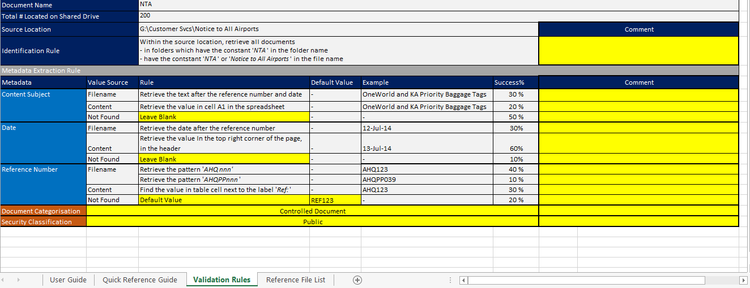

If needed, add comments to suggest how the rule could be improved
3

Review the metadata values in ‘Reference File List’ worksheet
1

