Information & Contacts
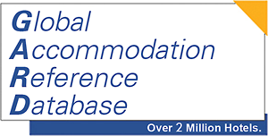

Listowner






DELTA CHECK Ltd.
Hotel Data & Intelligence

Email address: | info@DELTA-CHECK.com
Internet | www.DELTA-CHECK.com

International Sales
Email: | sales@DELTA-CHECK.de
Skype: | DELTA-CHECK
 |  |  | Click the pic for detailed country counts | Click the pic to see the movie
Free Samples
www.delta-check.com/wp-content/uploads/2015/01/DC_GARD_Samples_DC-de_asof-2015.xls

Ownership & License
All data & counts within this file owned by DELTA CHECK
They may solely be used by the licensed party and within the given license.
Any transfer of data to third parties is prohibited.
Please keep in mind:
Delivered data is "watermarked" in a way that allows to backtrack
violations to the violater.
Violations will be prosecuted.

Contacts


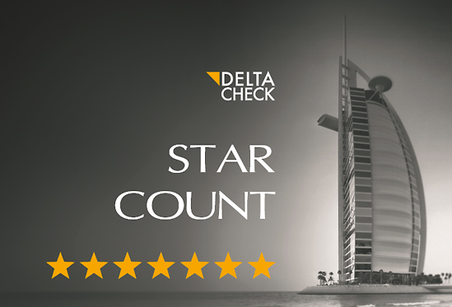
THE AMERICAS
AllMedia Inc.
1400 Preston Road #400
Plano, Texas 75093
Phone: +1-972-805-1659
Fax: +1-214-291-5431
lmcclendon@allmediainc.com |  | Laura McClendon
www.allmediainc.com

D-A-CH
d2m - direct marketing merz
Schramberger Str. 13
78628 Rottweil
GERMANY
Phone: +49-741-1756918
Mobile: +49-160-4427579 |  | Stephan Merz
s.merz@d-2m.de
www.d-2m.de
 |  |  |  | DOWNLOAD HERE

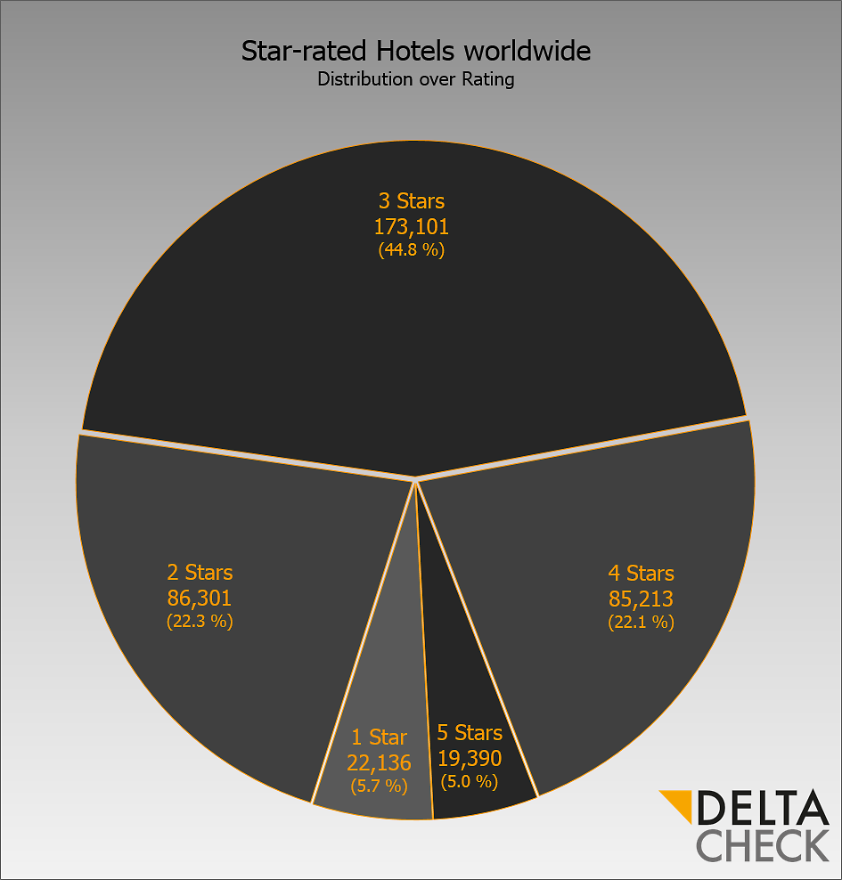
BENELUX
BoldData
Nachtwachtlaan 20-24, unit 5.14
1058 EA Amsterdam |  |  | Click the pic to see the movie
NETHERLANDS

Phone: +31-20-7052360
Mobile: +31-6-26752618 |  | Daan Wolff
d.wolff@bolddata.nl
www.bolddata.nl

FRANCE
Euroleads - Cible Adresses
3 rue de l’Arrivée
75749 Paris Cedex 15
FRANCE
Phone: +33-1-43274751
Fax: +33-1-43227493
alelann@euroleads.fr |  | Arnaud Le Lann
www.euroleads.fr

UNITED KINGDOM & IRELAND
Intermedia Global Ltd.
17 Stephenson Court, Fraser Road
Bedford MK44 3WJ
UK
Phone: +44-1234-831000
Fax: +44-1234-838294 |  | Richard Collett | Click the pic to see the movie
richard.collett@intermedia-global.com
www.intermedia-global.com

ITALY
MLS
Via Gulli 40
20147 Milano
ITALY
Phone: +39-0388-9323062
Fax: +39-02-700551912 |  | Marco Merlo
mlslist@mlslist.it
www.mlslist.it

SPAIN & PORTUGAL
RCR List Broker
Calle Cantarrana 1, 1-blq. 2 - pta. 61
46137 Playa Pobla de Farnals (V)
SPAIN
Phone: +34-654-388708
Skype: cabanes.mlslist |  | Rosa Cabanes
cabanes@mlslist.it
www.list-broker.eu

POLAND
Data Scope
ul. Niedźwiedzia 29B
02-737 Warszawa
POLAND
Phone: +48-882-008789
arkadiusz.bialkowski@datascope.pl |  | Arkadiusz Białkowski
www.datascope.pl

MIDDLE EAST & AFRICA
DELTA CHECK Middle East
Manial
Cairo
EGYPT
Phone: +20-2-25310514
24/7 Hotline: +20-106-1731335
sales@DELTA-CHECK.com
 |  | Ahmed El-Masry
INTERNATIONAL SALES
Ahmed El-Masry
am@DELTA-CHECK.com
Skype: DELTA-CHECK

GLOBAL SALES
jks@DELTA-CHECK.com
Skype: johannes.svoboda

Corporate Headquarters
Phone: +44-20-81238140
WF1 2HB Wakefield
West Yorkshire
UK

References





































by

