Prometheus
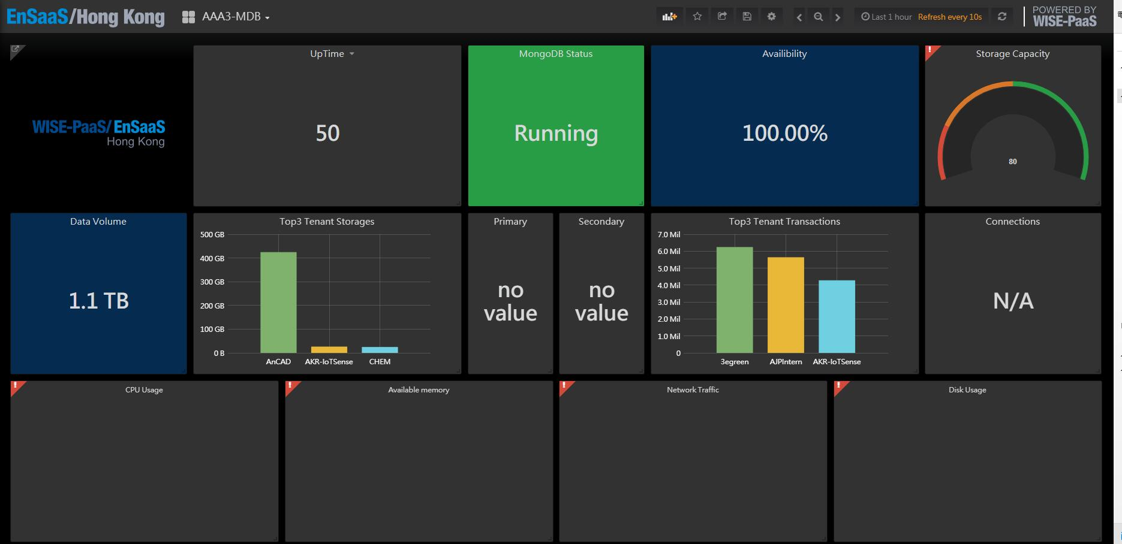
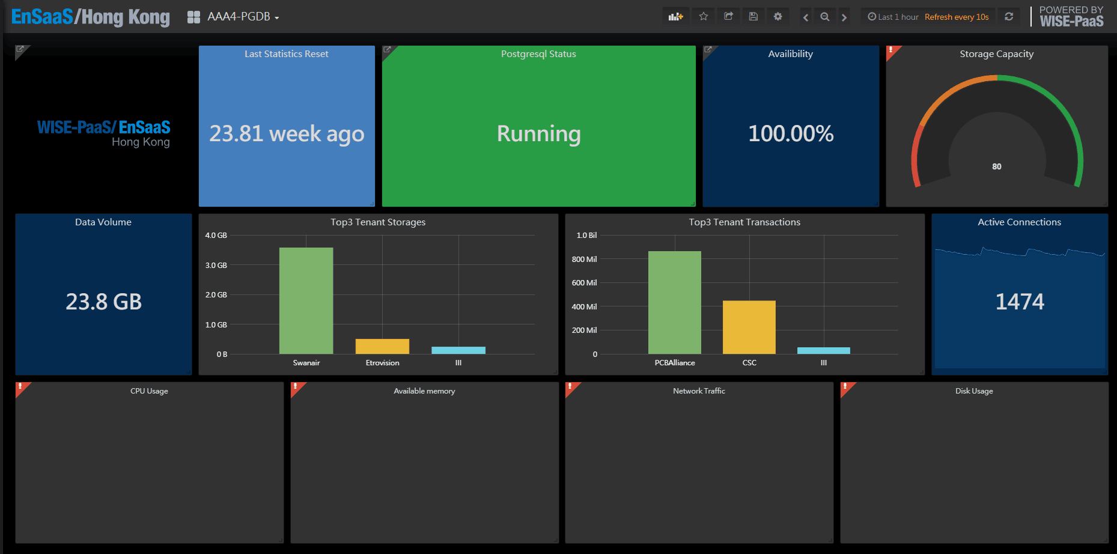
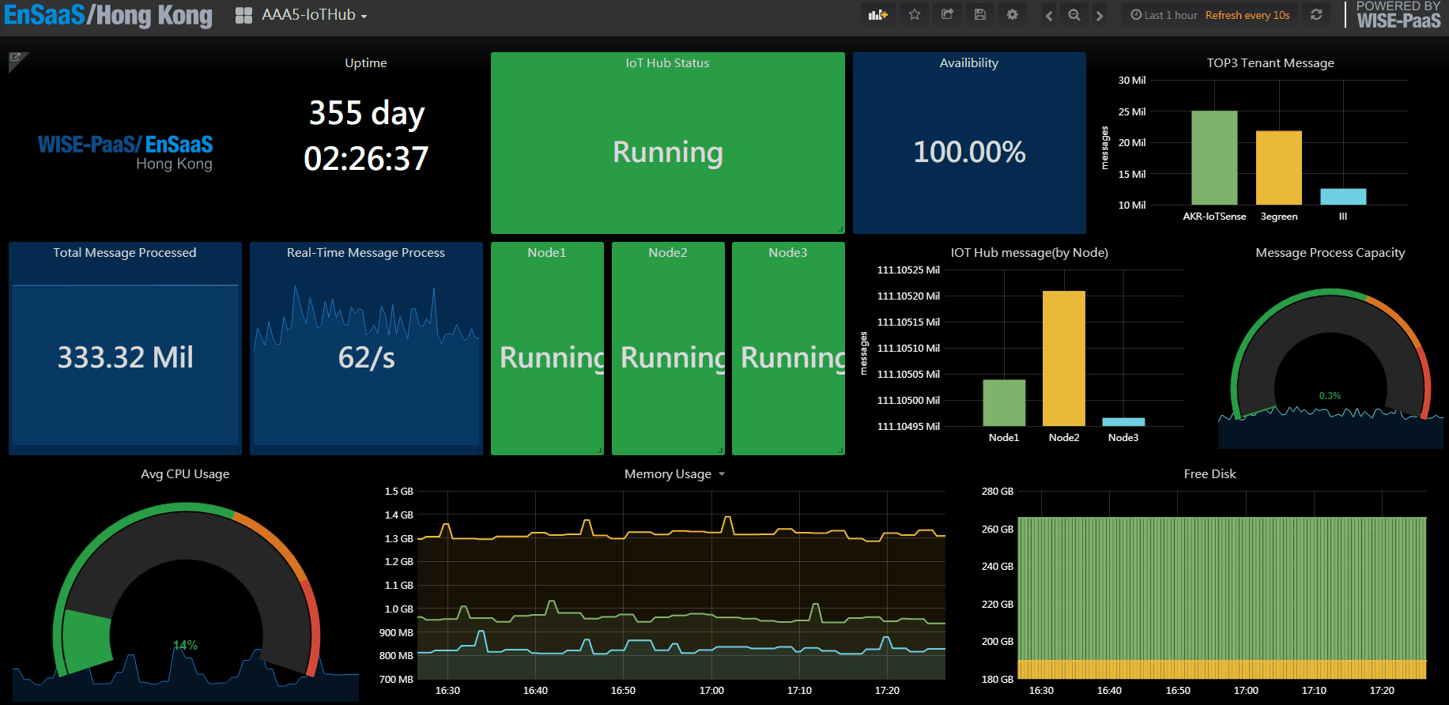
Metrics
mongo
postgresql
rabbitmq
Specs for each components
Static/Dynamic alerting rules
Alerting receivers

