Sheet1
No. | Title | Link | Price | Image | Image2
1 | 【For updating shipping info】 | https://fanhouse.waca.ec/en/product/detail/1700732 | $1 ~ 1,260 | https://wacaimg1.waca.ec/uploads/shops/3388/products/5a/5ac3ca48efff1e4afbe36b89635662ef.jpg
2 | 【Order reship】 | https://fanhouse.waca.ec/en/product/detail/745030 | $1 ~ 110 | https://wacaimg1.waca.ec/uploads/shops/3388/products/d6/d6e383308ee1c1190a874a55d62877dc.jpg
3 | 《喜歡大快朵頤的你》 ／SLAM DUNK RuHana Comic BY：妹子（OiMO） | https://fanhouse.waca.ec/en/product/detail/1775678 | $230 | https://wacaimg1.waca.ec/uploads/shops/3388/products/6f/6fb83165c565e5c48269915702968b58.jpg




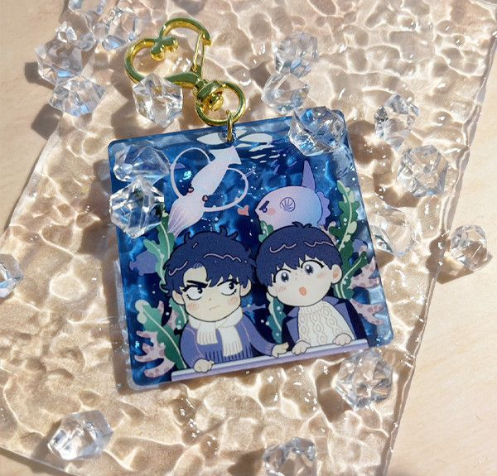
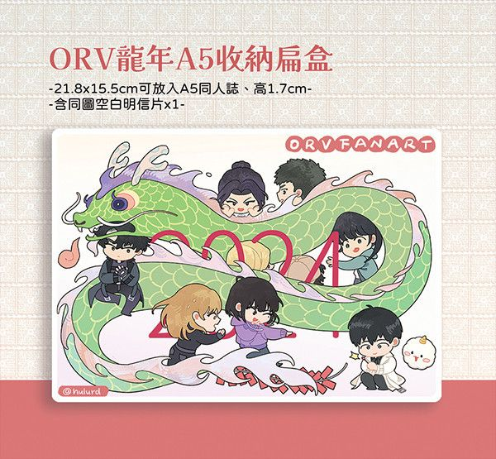



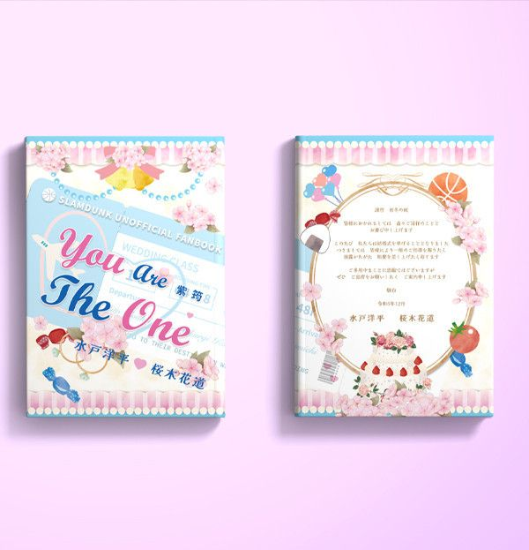

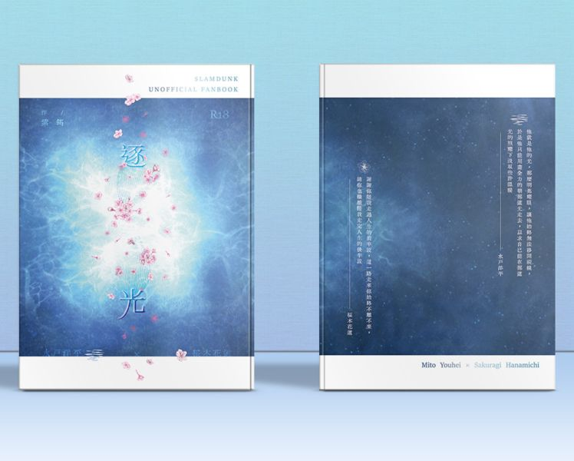
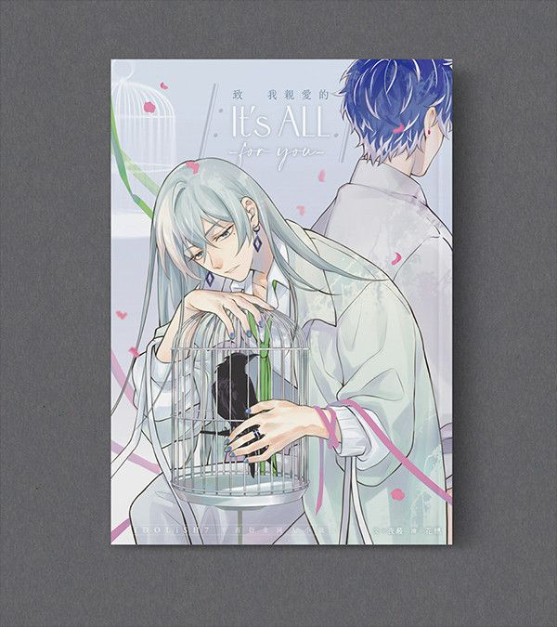
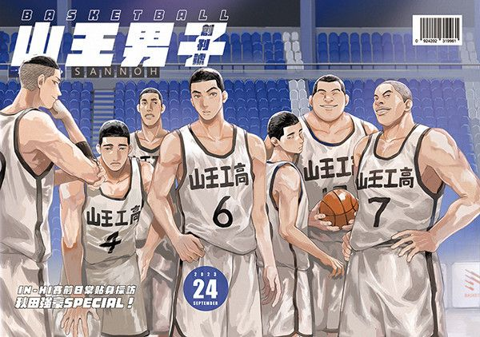
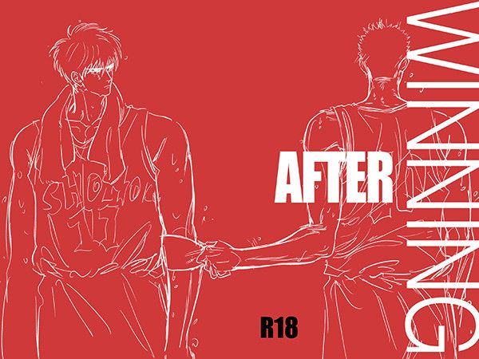

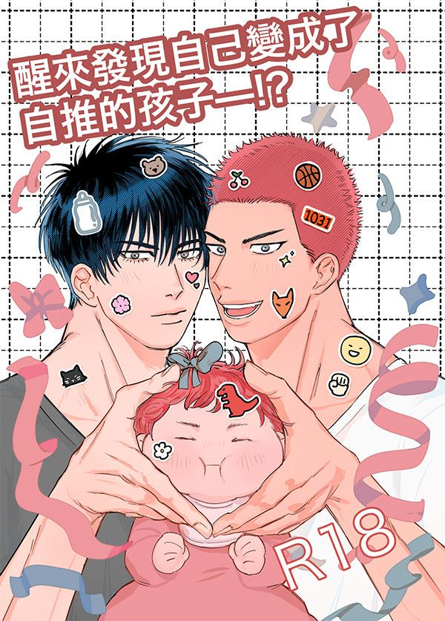

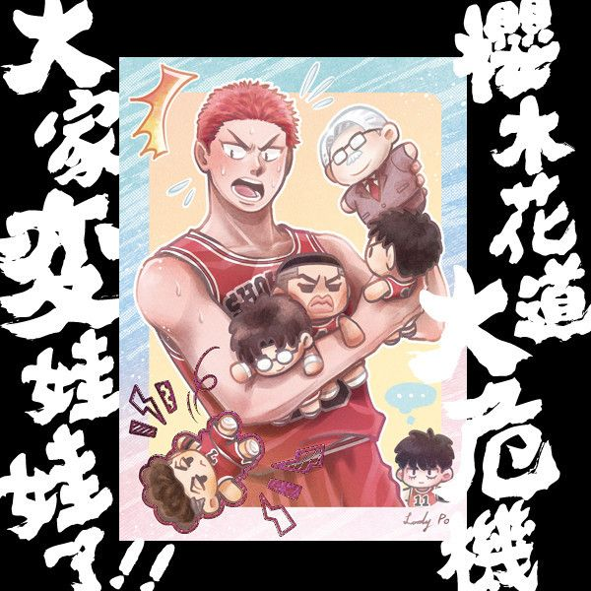
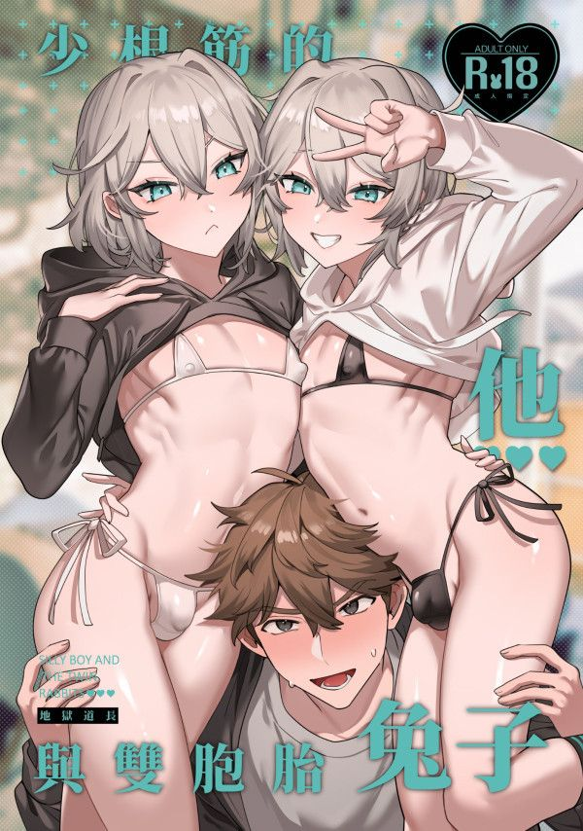
4 | 【PRE-SALE】《仙道今天渣了嗎？》 ／SLAM DUNK Senru Novel BY：HonmeiChoko | https://fanhouse.waca.ec/en/product/detail/1775647 | $340 | https://wacaimg1.waca.ec/uploads/shops/3388/products/f9/f9683146ece7dd269bfea62f9314e914.jpg
5 | 【PRE-SALE】Joongdok's Aquarium Date Acrylic Charms ／Omniscient Reader's Viewpoint Joongdok Goods BY：Hulu呼嚕（剪紙舍） | https://fanhouse.waca.ec/en/product/detail/1775621 | $120 | https://wacaimg1.waca.ec/uploads/shops/3388/products/d5/d5d4e6d9ad80ccc7210048e9230474f2.jpg
6 | 【PRE-SALE】Year of the Dragon PP Box ／Omniscient Reader's Viewpoint Goods BY：Hulu呼嚕（剪紙舍） | https://fanhouse.waca.ec/en/product/detail/1775583 | $210 | https://wacaimg1.waca.ec/uploads/shops/3388/products/2b/2b238394cd780ff1c27b43d221210b94.jpg
7 | 【PRE-SALE】《願能在你的身旁安睡》 ／SLAM DUNK Sawakita Eiji/Rukawa Kaede Novel BY：壹依 | https://fanhouse.waca.ec/en/product/detail/1775552 | $300 | https://wacaimg1.waca.ec/uploads/shops/3388/products/8e/8e307e5a772e9fe6d878a8998376fd6d.jpg
8 | 【PRE-SALE】《無懼》 ／SLAM DUNK RuHana Novel BY：穩玟 | https://fanhouse.waca.ec/en/product/detail/1775486 | $330 | https://wacaimg1.waca.ec/uploads/shops/3388/products/c0/c00bc0fc4cd46c5fa96280976b4724aa.jpg
9 | 【PRE-SALE】《我的老公是外星人》 ／SLAM DUNK Sawakita/Fukatsu Novel BY：穩玟 | https://fanhouse.waca.ec/en/product/detail/1775474 | $280 | https://wacaimg1.waca.ec/uploads/shops/3388/products/fa/fae8ecd0ab5eaf3fb0663f52c4ddc581.jpg
10 | 《You Are The One》 ／SLAM DUNK YouHana Novel BY：紫筠 | https://fanhouse.waca.ec/en/product/detail/1775447 | $340 | https://wacaimg1.waca.ec/uploads/shops/3388/products/de/def32dcb6932cb2a8f0ee0dae1a91180.jpg
11 | 《どくせんよく》 ／SLAM DUNK HanaYou Novel BY：紫筠 | https://fanhouse.waca.ec/en/product/detail/1650621 | $60 | https://wacaimg1.waca.ec/uploads/shops/3388/products/69/69b0c2c04811b6e79ec0185522a2c0b0.jpg
12 | 《逐光》 ／SLAM DUNK YouHana Novel BY：紫筠 | https://fanhouse.waca.ec/en/product/detail/1650620 | $260 | https://wacaimg1.waca.ec/uploads/shops/3388/products/01/01bf36e8bac1d93b2c598b26c2ab8dcf.jpg
13 | 【PRE-SALE】《致我親愛的 It's ALL -for you-》 ／IDOLiSH7 Yuki/Momo Novel BY：夜蒑（Butterfly Effect） | https://fanhouse.waca.ec/en/product/detail/1775362 | $400 | https://wacaimg1.waca.ec/uploads/shops/3388/products/9a/9aee0539060d12ac654e04a62f64e04f.jpg
14 | 《山王男子BASKETBALL創刊號》 ／SLAM DUNK Illustration Artbook+Comic BY：嘎可／CHsuan／遜／光叁／檀桔／雷龍／王揮戒／helohelo／黒江兆／菱角Hishi／講手／米乓／企鵝 ／みお子／餅若丸／ぷーぱ／町田／まび | https://fanhouse.waca.ec/en/product/detail/1663778 | $300 ~ 350 | https://wacaimg1.waca.ec/uploads/shops/3388/products/1c/1c3d9d587160ce79df0cf445b0e37584.jpg
15 | 《After Winning》 ／SLAM DUNK RuHana Comic BY：老殘 | https://fanhouse.waca.ec/en/product/detail/1671081 | $160 | https://wacaimg1.waca.ec/uploads/shops/3388/products/0a/0a349346a9e53ac8d872e2475c54c831.jpg
16 | 《以父之名》 ／Jujutsu Kaisen GojoIta Comic BY：詠雪（鎮靜劑+1） | https://fanhouse.waca.ec/en/product/detail/1724457 | $200 | https://wacaimg1.waca.ec/uploads/shops/3388/products/29/29c1b111e5291c121303d02096d70a19.jpg
17 | 《醒來發現自己變成了自推的孩子—！？》 ／SLAM DUNK RuHana Comic BY：妹子（OiMO） | https://fanhouse.waca.ec/en/product/detail/1741562 | $230 | https://wacaimg1.waca.ec/uploads/shops/3388/products/63/63efee84f7665d3194a6549b53606bb5.jpg
18 | Goosmav／Roosmav 3cm Acrylic Blocks ／Top Gun:Maverick Goosmav／Roosmav Goods BY：波小姐(LADY PO)（泡在大槍裡的吸貓太太） | https://fanhouse.waca.ec/en/product/detail/1772734 | $90 | https://wacaimg1.waca.ec/uploads/shops/3388/products/4a/4afdbaffd8a2934af06a3c211b94fca7.jpg
19 | 《櫻木花道大危機!!》Postcard ／SLAM DUNK Goods BY：波小姐(LADY PO)（我們果真是天才） | https://fanhouse.waca.ec/en/product/detail/1772728 | $40 | https://wacaimg1.waca.ec/uploads/shops/3388/products/36/361009bd6cfcc1fd7d71196ef24f9150.jpg
20 | 《少根筋的他與雙胞胎兔子》 ／Original Comic BY：地獄道長 | https://fanhouse.waca.ec/en/product/detail/1772263 | $300 | https://wacaimg1.waca.ec/uploads/shops/3388/products/3e/3e88ed3d2ea7f20cc79daa74bf6d4a33.jpg

