Sheet1
No. | Title | Link | Price | Image | Image2
1 | 《喜歡大快朵頤的你》 ／SLAM DUNK RuHana Comic BY：妹子（OiMO） | https://fanhouse.waca.ec/en/product/detail/1775678 | $230 | https://wacaimg1.waca.ec/uploads/shops/3388/products/6f/6fb83165c565e5c48269915702968b58.jpg | 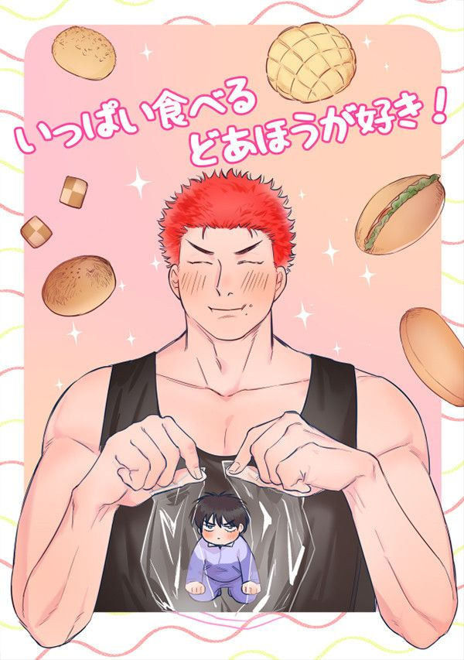
2 | 【PRE-SALE】《仙道今天渣了嗎？》 ／SLAM DUNK Senru Novel BY：HonmeiChoko | https://fanhouse.waca.ec/en/product/detail/1775647 | $340 | https://wacaimg1.waca.ec/uploads/shops/3388/products/f9/f9683146ece7dd269bfea62f9314e914.jpg | 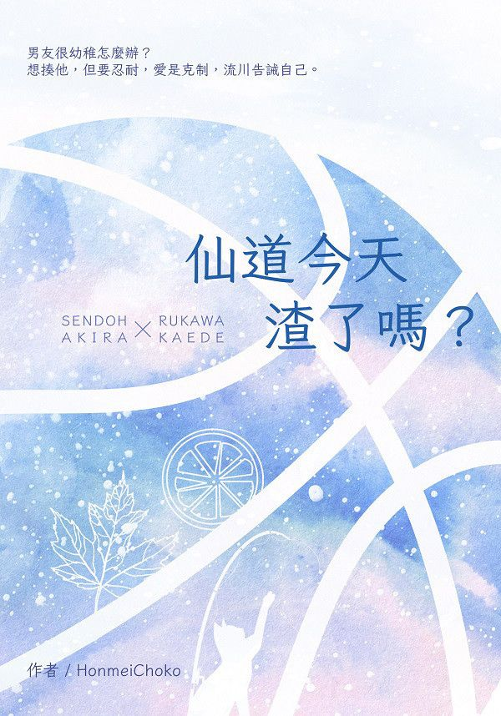
3 | 【PRE-SALE】Joongdok's Aquarium Date Acrylic Charms ／Omniscient Reader's Viewpoint Joongdok Goods BY：Hulu呼嚕（剪紙舍） | https://fanhouse.waca.ec/en/product/detail/1775621 | $120 | https://wacaimg1.waca.ec/uploads/shops/3388/products/d5/d5d4e6d9ad80ccc7210048e9230474f2.jpg | 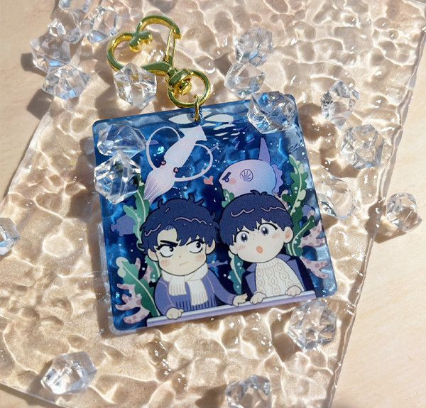
4 | 【PRE-SALE】Year of the Dragon PP Box ／Omniscient Reader's Viewpoint Goods BY：Hulu呼嚕（剪紙舍） | https://fanhouse.waca.ec/en/product/detail/1775583 | $210 | https://wacaimg1.waca.ec/uploads/shops/3388/products/2b/2b238394cd780ff1c27b43d221210b94.jpg | 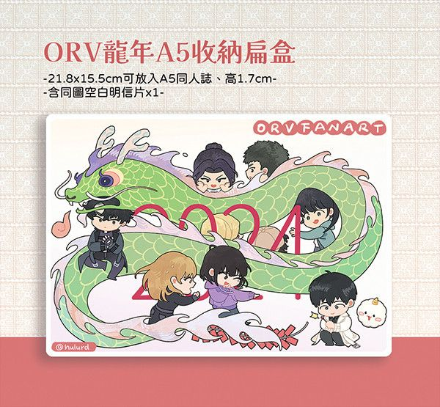
5 | 【PRE-SALE】《願能在你的身旁安睡》 ／SLAM DUNK Sawakita Eiji/Rukawa Kaede Novel BY：壹依 | https://fanhouse.waca.ec/en/product/detail/1775552 | $300 | https://wacaimg1.waca.ec/uploads/shops/3388/products/8e/8e307e5a772e9fe6d878a8998376fd6d.jpg | 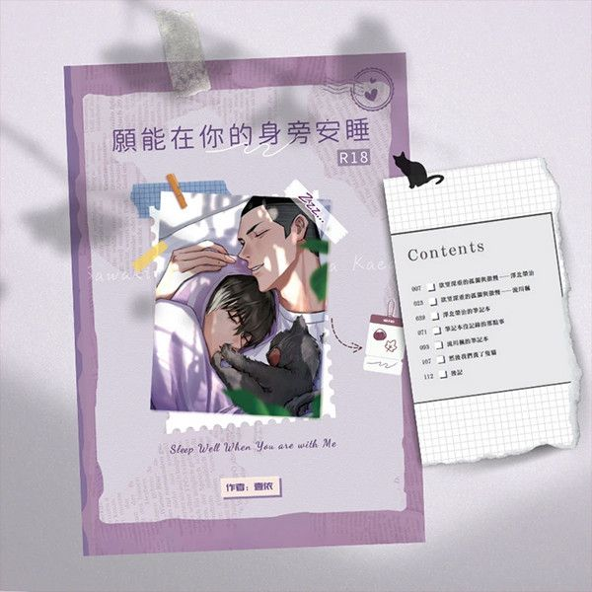
6 | 【PRE-SALE】《無懼》 ／SLAM DUNK RuHana Novel BY：穩玟 | https://fanhouse.waca.ec/en/product/detail/1775486 | $330 | https://wacaimg1.waca.ec/uploads/shops/3388/products/c0/c00bc0fc4cd46c5fa96280976b4724aa.jpg | 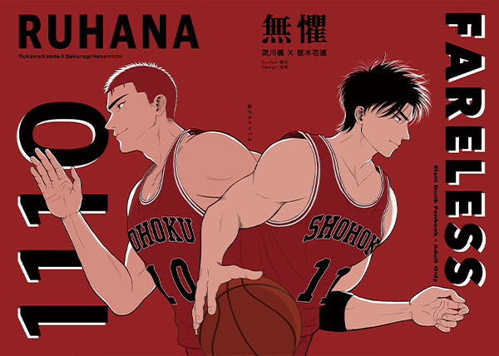
7 | 【PRE-SALE】《我的老公是外星人》 ／SLAM DUNK Sawakita/Fukatsu Novel BY：穩玟 | https://fanhouse.waca.ec/en/product/detail/1775474 | $280 | https://wacaimg1.waca.ec/uploads/shops/3388/products/fa/fae8ecd0ab5eaf3fb0663f52c4ddc581.jpg | 
8 | 《You Are The One》 ／SLAM DUNK YouHana Novel BY：紫筠 | https://fanhouse.waca.ec/en/product/detail/1775447 | $340 | https://wacaimg1.waca.ec/uploads/shops/3388/products/de/def32dcb6932cb2a8f0ee0dae1a91180.jpg | 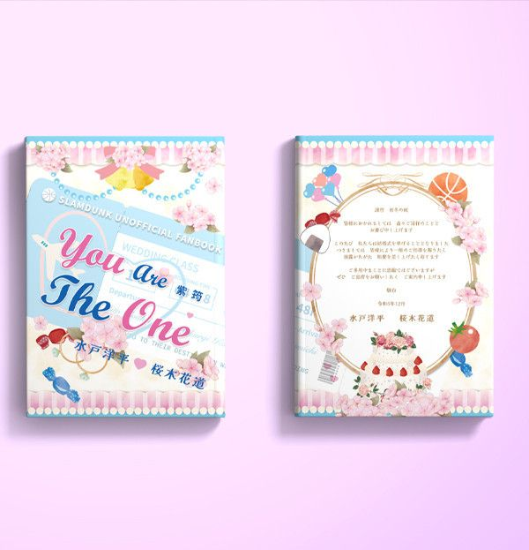
9 | 【PRE-SALE】《致我親愛的 It's ALL -for you-》 ／IDOLiSH7 Yuki/Momo Novel BY：夜蒑（Butterfly Effect） | https://fanhouse.waca.ec/en/product/detail/1775362 | $400 | https://wacaimg1.waca.ec/uploads/shops/3388/products/9a/9aee0539060d12ac654e04a62f64e04f.jpg | 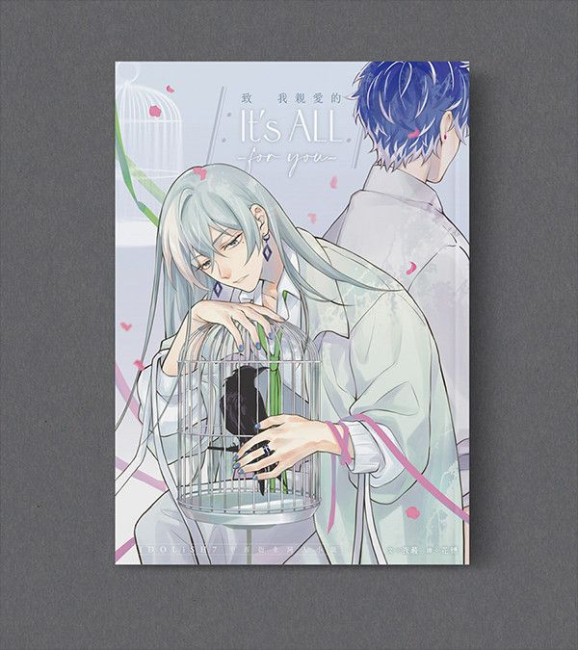
10 | Goosmav／Roosmav 3cm Acrylic Blocks ／Top Gun:Maverick Goosmav／Roosmav Goods BY：波小姐(LADY PO)（泡在大槍裡的吸貓太太） | https://fanhouse.waca.ec/en/product/detail/1772734 | $90 | https://wacaimg1.waca.ec/uploads/shops/3388/products/4a/4afdbaffd8a2934af06a3c211b94fca7.jpg | 
11 | 《櫻木花道大危機!!》Postcard ／SLAM DUNK Goods BY：波小姐(LADY PO)（我們果真是天才） | https://fanhouse.waca.ec/en/product/detail/1772728 | $40 | https://wacaimg1.waca.ec/uploads/shops/3388/products/36/361009bd6cfcc1fd7d71196ef24f9150.jpg | 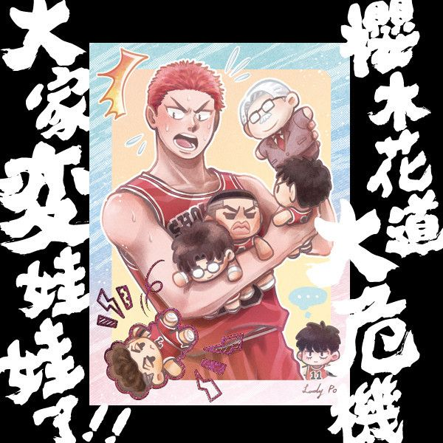
12 | 《少根筋的他與雙胞胎兔子》 ／Original Comic BY：地獄道長 | https://fanhouse.waca.ec/en/product/detail/1772263 | $300 | https://wacaimg1.waca.ec/uploads/shops/3388/products/3e/3e88ed3d2ea7f20cc79daa74bf6d4a33.jpg | 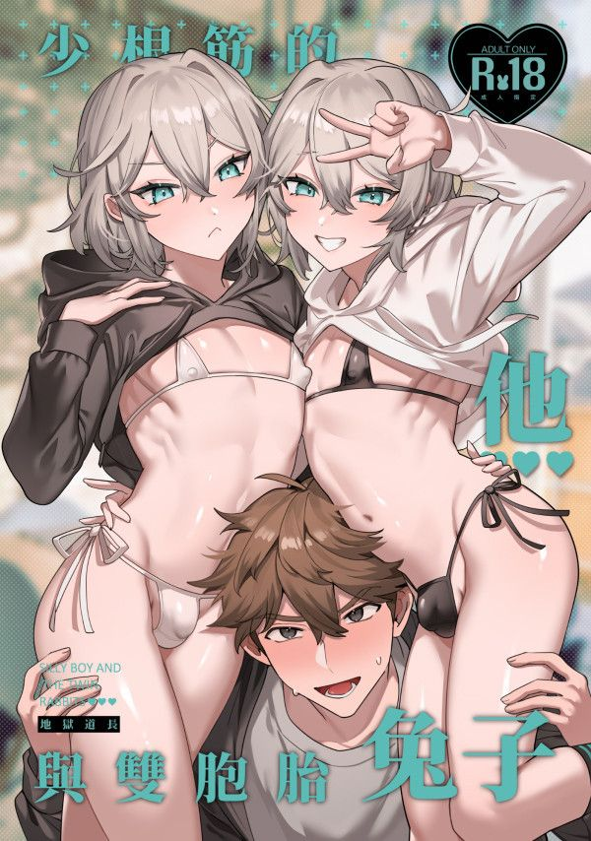
13 | 《耀眼的他與陰沉的兔子》 ／Original Comic BY：地獄道長 | https://fanhouse.waca.ec/en/product/detail/1772257 | $300 | https://wacaimg1.waca.ec/uploads/shops/3388/products/ae/ae2df0fbb84022cd04fe33fa4c82c521.jpg | 
14 | 【PRE-SALE】Lukejamie Acrylic Charm ／Street Fighter Luke Sullivan/Jamie Siu Goods BY：米乓 | https://fanhouse.waca.ec/en/product/detail/1771841 | $120 | https://wacaimg1.waca.ec/uploads/shops/3388/products/49/49ea6f0178f1b018ef979b9ff646810e.jpg | 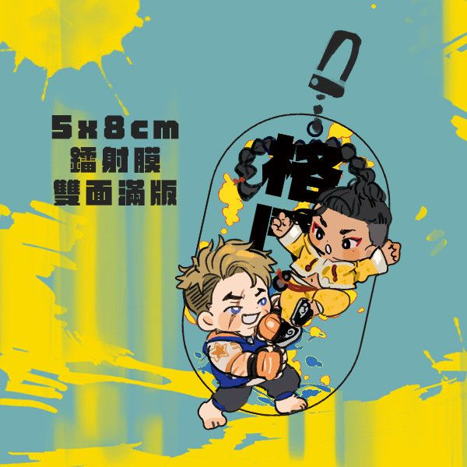
15 | 【PRE-SALE】LUKE & JAMIE Sticker ／Street Fighter Luke Sullivan/Jamie Siu Goods BY：米乓 | https://fanhouse.waca.ec/en/product/detail/1771821 | $120 | https://wacaimg1.waca.ec/uploads/shops/3388/products/8e/8eb032bcf0fb3bdc4584dba403e7647f.jpg | 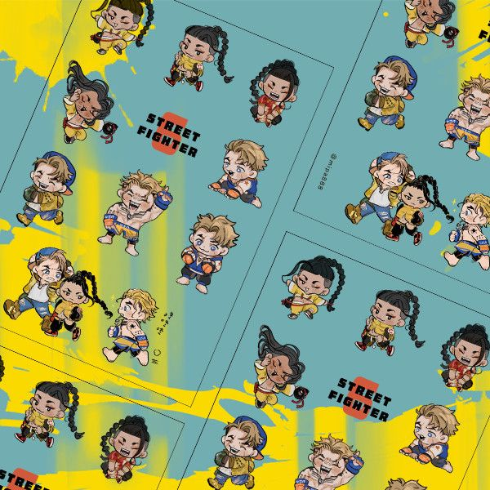
16 | 【PRE-SALE】LUKE & JAMIE Acrylic Stands Set ／Street Fighter Luke Sullivan/Jamie Siu Goods BY：米乓 | https://fanhouse.waca.ec/en/product/detail/1771809 | $200 | https://wacaimg1.waca.ec/uploads/shops/3388/products/10/1013371f90df83bb8569bb69428f5fb8.jpg | 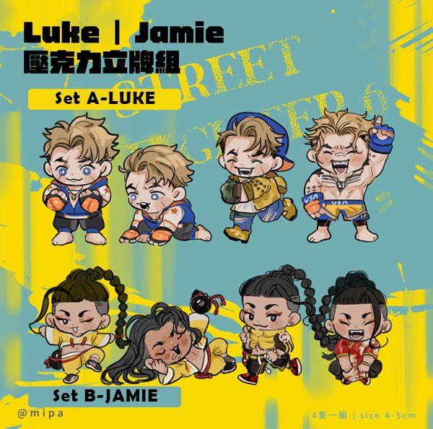
17 | 《HEY CHAT!》Posters & Cards Set ／Nijisanji-EN／VTuber Goods BY：跋倒（庠隱） | https://fanhouse.waca.ec/en/product/detail/1767650 | $120 ~ 280 | https://wacaimg1.waca.ec/uploads/shops/3388/products/3c/3c8f16163776b4d0aaa2e9dbb9f0b0d4.jpg | 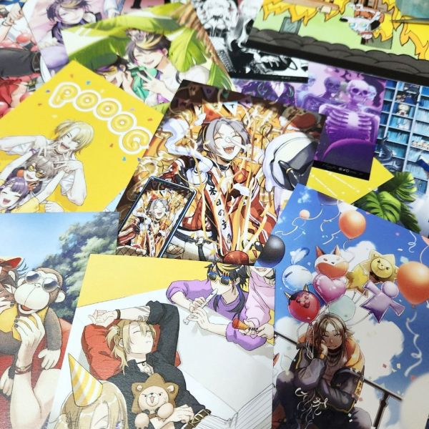
18 | 《HEY CHAT!》 ／Nijisanji-EN／VTuber Illustration Book BY：跋倒（庠隱） | https://fanhouse.waca.ec/en/product/detail/1767647 | $60 ~ 980 | https://wacaimg1.waca.ec/uploads/shops/3388/products/27/27a4b8ba6502f779b55d95bfc639be59.jpg | 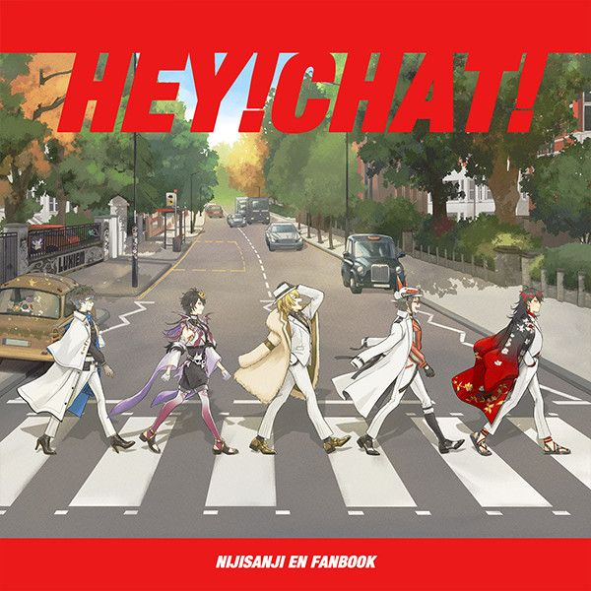
19 | 《Minista》Acrylic Blocks ／Nijisanji-EN／VTuber Goods BY：跋倒（庠隱） | https://fanhouse.waca.ec/en/product/detail/1767643 | $180 ~ 900 | https://wacaimg1.waca.ec/uploads/shops/3388/products/4d/4df969ffa03ee32eda382e51ea1eb192.jpg | 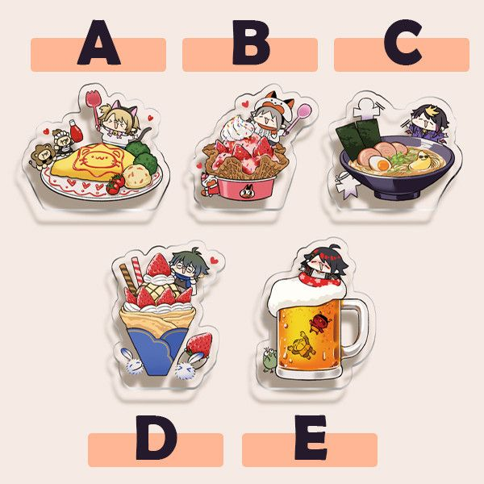
20 | 《Minista》Puffy Stickers ／Nijisanji-EN／VTuber Goods BY：跋倒（庠隱） | https://fanhouse.waca.ec/en/product/detail/1767641 | $140 | https://wacaimg1.waca.ec/uploads/shops/3388/products/87/872948d4468e99c4b427af25549589c1.jpg | 