Sheet1
No. | Title | Link | Price | Image
1 | 【PRE-SALE】《洋花在置物櫃裡幹嘛?!》 Acrylic Stand ／SLAM DUNK YouHana Goods BY：miau | https://fanhouse.waca.ec/en/product/detail/1779106 | $290 | 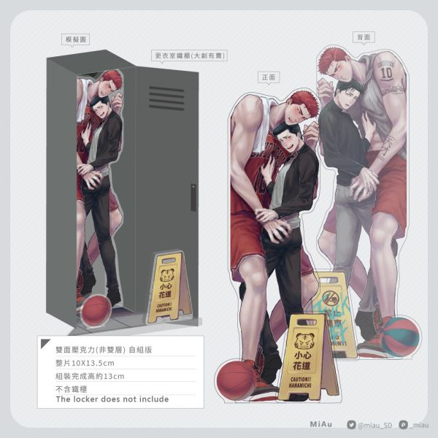
2 | 【PRE-SALE】《暗潮》 ／SLAM DUNK YouHana Comic BY：miau | https://fanhouse.waca.ec/en/product/detail/1779088 | $230 | 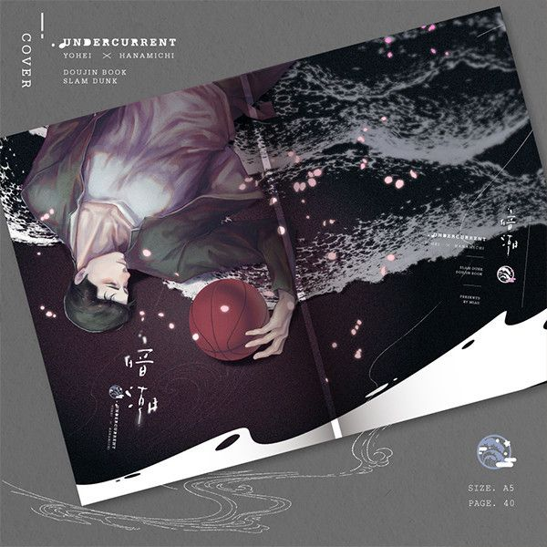
3 | 《喜歡大快朵頤的你》 ／SLAM DUNK RuHana Comic BY：妹子（OiMO） | https://fanhouse.waca.ec/en/product/detail/1775678 | $230 | 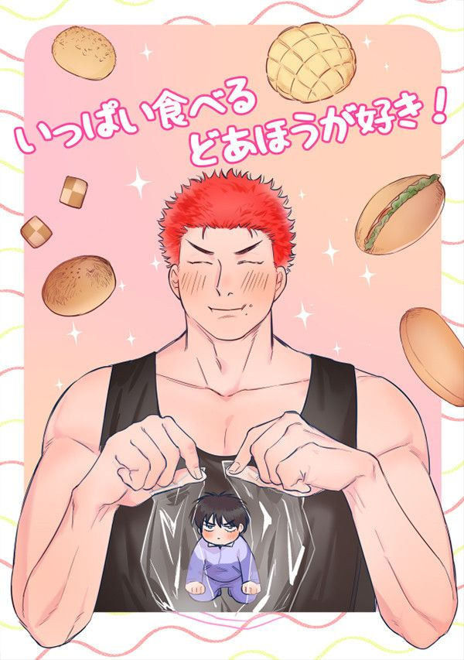
4 | 【PRE-SALE】《仙道今天渣了嗎？》 ／SLAM DUNK Senru Novel BY：HonmeiChoko | https://fanhouse.waca.ec/en/product/detail/1775647 | $340 | 
5 | 【PRE-SALE】Joongdok's Aquarium Date Acrylic Charms ／Omniscient Reader's Viewpoint Joongdok Goods BY：Hulu呼嚕（剪紙舍） | https://fanhouse.waca.ec/en/product/detail/1775621 | $120 | 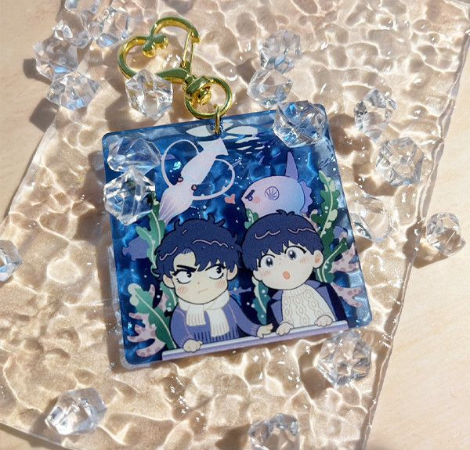
6 | 【PRE-SALE】Year of the Dragon PP Box ／Omniscient Reader's Viewpoint Goods BY：Hulu呼嚕（剪紙舍） | https://fanhouse.waca.ec/en/product/detail/1775583 | $210 | 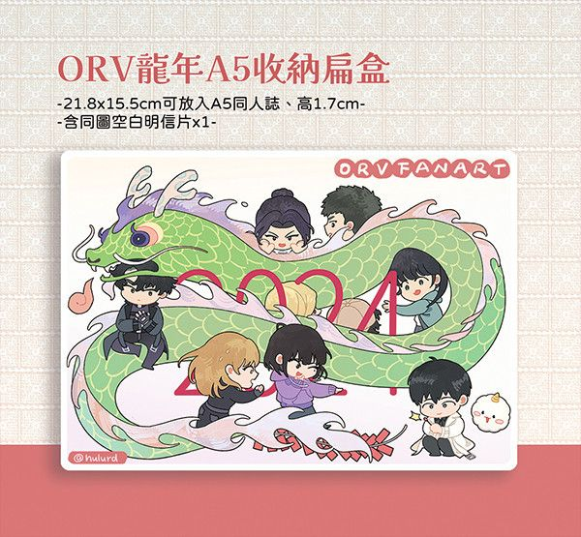
7 | 【PRE-SALE】《願能在你的身旁安睡》 ／SLAM DUNK Sawakita Eiji/Rukawa Kaede Novel BY：壹依 | https://fanhouse.waca.ec/en/product/detail/1775552 | $300 | 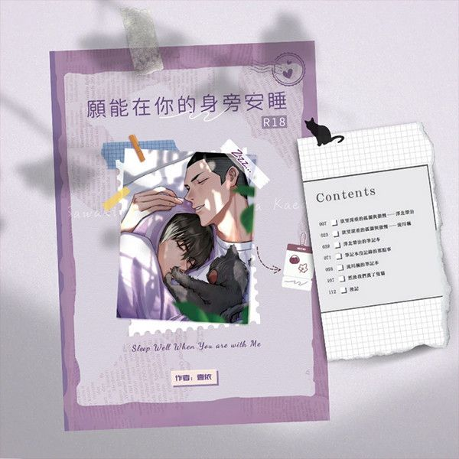
8 | 【PRE-SALE】《無懼》 ／SLAM DUNK RuHana Novel BY：穩玟 | https://fanhouse.waca.ec/en/product/detail/1775486 | $330 | 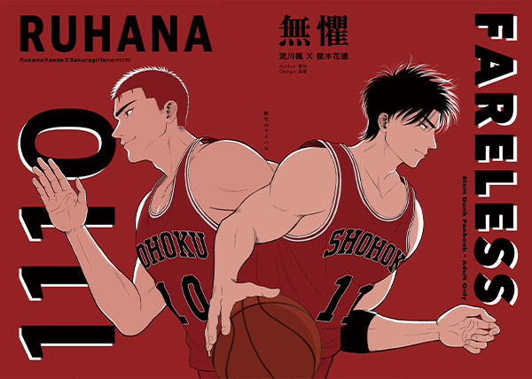
9 | 【PRE-SALE】《我的老公是外星人》 ／SLAM DUNK Sawakita/Fukatsu Novel BY：穩玟 | https://fanhouse.waca.ec/en/product/detail/1775474 | $280 | 
10 | 《You Are The One》 ／SLAM DUNK YouHana Novel BY：紫筠 | https://fanhouse.waca.ec/en/product/detail/1775447 | $340 | 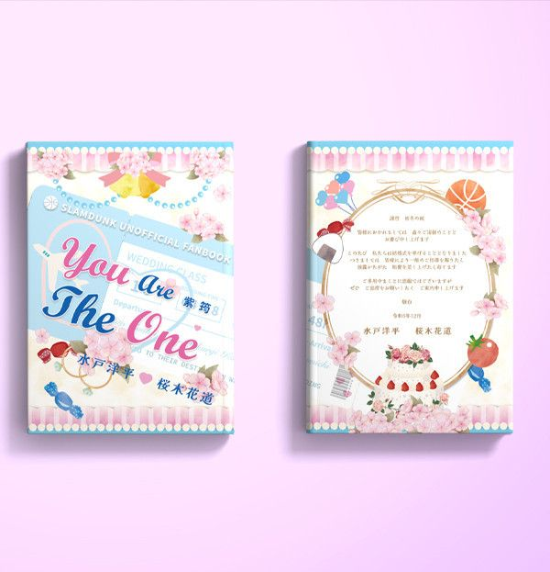
11 | 【PRE-SALE】《致我親愛的 It's ALL -for you-》 ／IDOLiSH7 Yuki/Momo Novel BY：夜蒑（Butterfly Effect） | https://fanhouse.waca.ec/en/product/detail/1775362 | $400 | 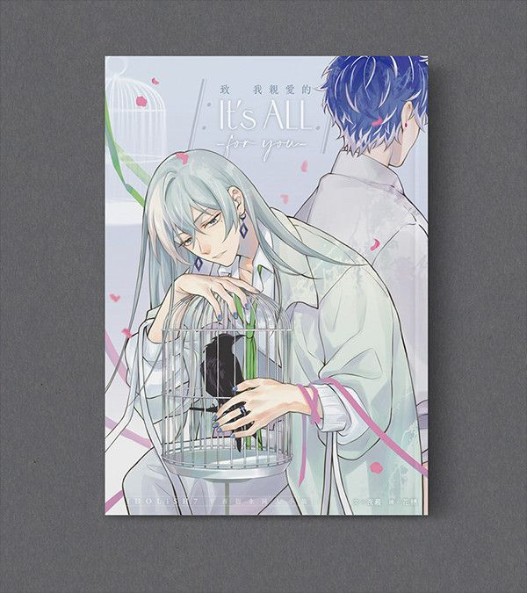
12 | Goosmav／Roosmav 3cm Acrylic Blocks ／Top Gun:Maverick Goosmav／Roosmav Goods BY：波小姐(LADY PO)（泡在大槍裡的吸貓太太） | https://fanhouse.waca.ec/en/product/detail/1772734 | $90 | 
13 | 《櫻木花道大危機!!》Postcard ／SLAM DUNK Goods BY：波小姐(LADY PO)（我們果真是天才） | https://fanhouse.waca.ec/en/product/detail/1772728 | $40 | 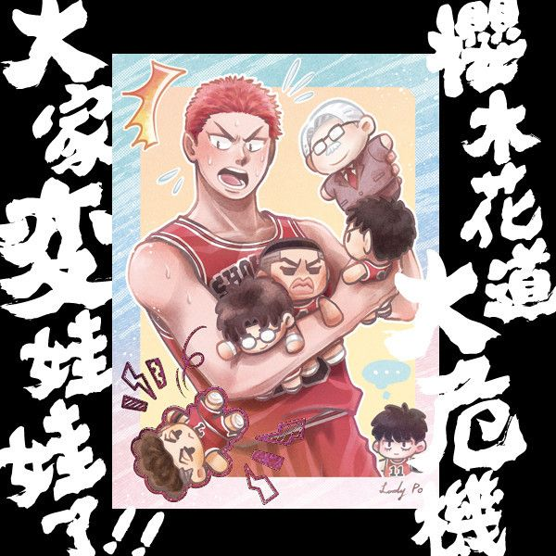
14 | 《少根筋的他與雙胞胎兔子》 ／Original Comic BY：地獄道長 | https://fanhouse.waca.ec/en/product/detail/1772263 | $300 | 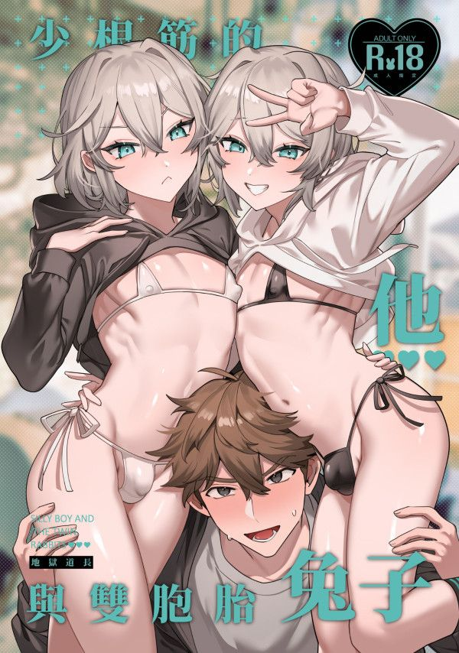
15 | 《耀眼的他與陰沉的兔子》 ／Original Comic BY：地獄道長 | https://fanhouse.waca.ec/en/product/detail/1772257 | $300 | 
16 | 【PRE-SALE】Lukejamie Acrylic Charm ／Street Fighter Luke Sullivan/Jamie Siu Goods BY：米乓 | https://fanhouse.waca.ec/en/product/detail/1771841 | $120 | 
17 | 【PRE-SALE】LUKE & JAMIE Sticker ／Street Fighter Luke Sullivan/Jamie Siu Goods BY：米乓 | https://fanhouse.waca.ec/en/product/detail/1771821 | $120 | 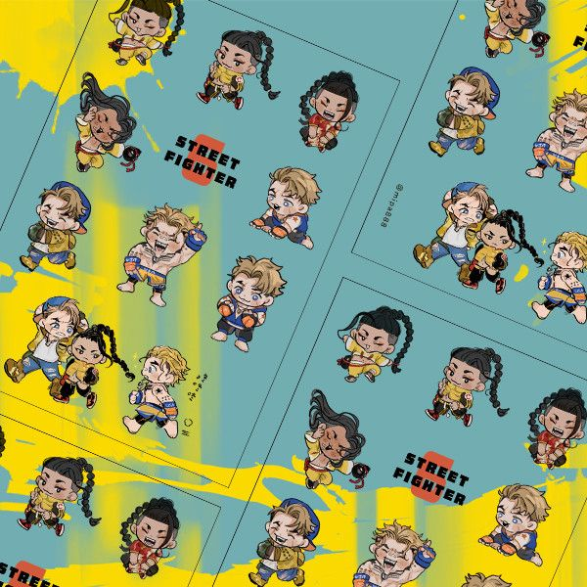
18 | 【PRE-SALE】LUKE & JAMIE Acrylic Stands Set ／Street Fighter Luke Sullivan/Jamie Siu Goods BY：米乓 | https://fanhouse.waca.ec/en/product/detail/1771809 | $200 | 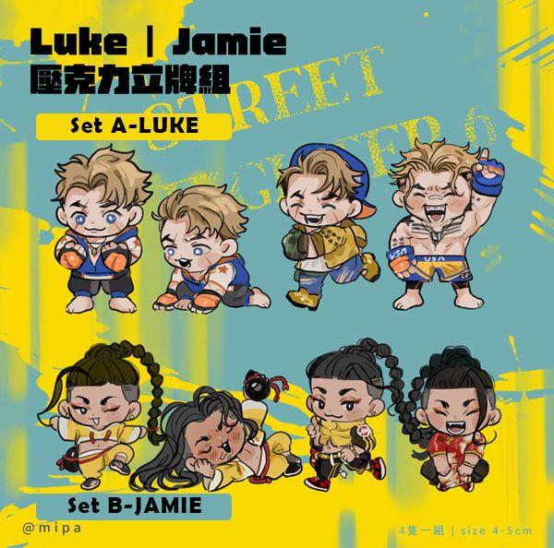
19 | 《HEY CHAT!》Posters & Cards Set ／Nijisanji-EN／VTuber Goods BY：跋倒（庠隱） | https://fanhouse.waca.ec/en/product/detail/1767650 | $120 ~ 280 | 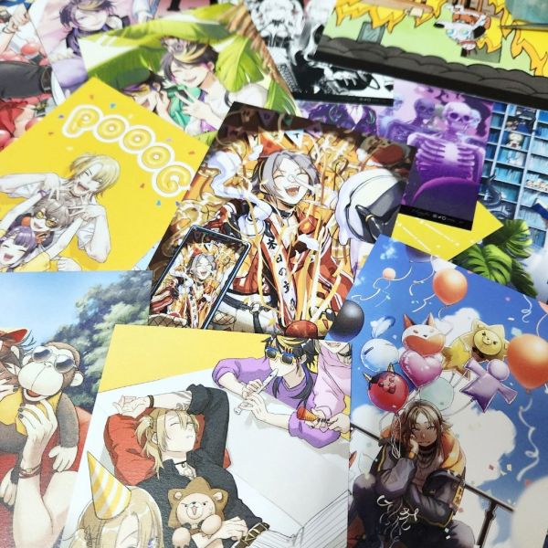
20 | 《HEY CHAT!》 ／Nijisanji-EN／VTuber Illustration Book BY：跋倒（庠隱） | https://fanhouse.waca.ec/en/product/detail/1767647 | $60 ~ 980 | 