H) Phylogenetic tree
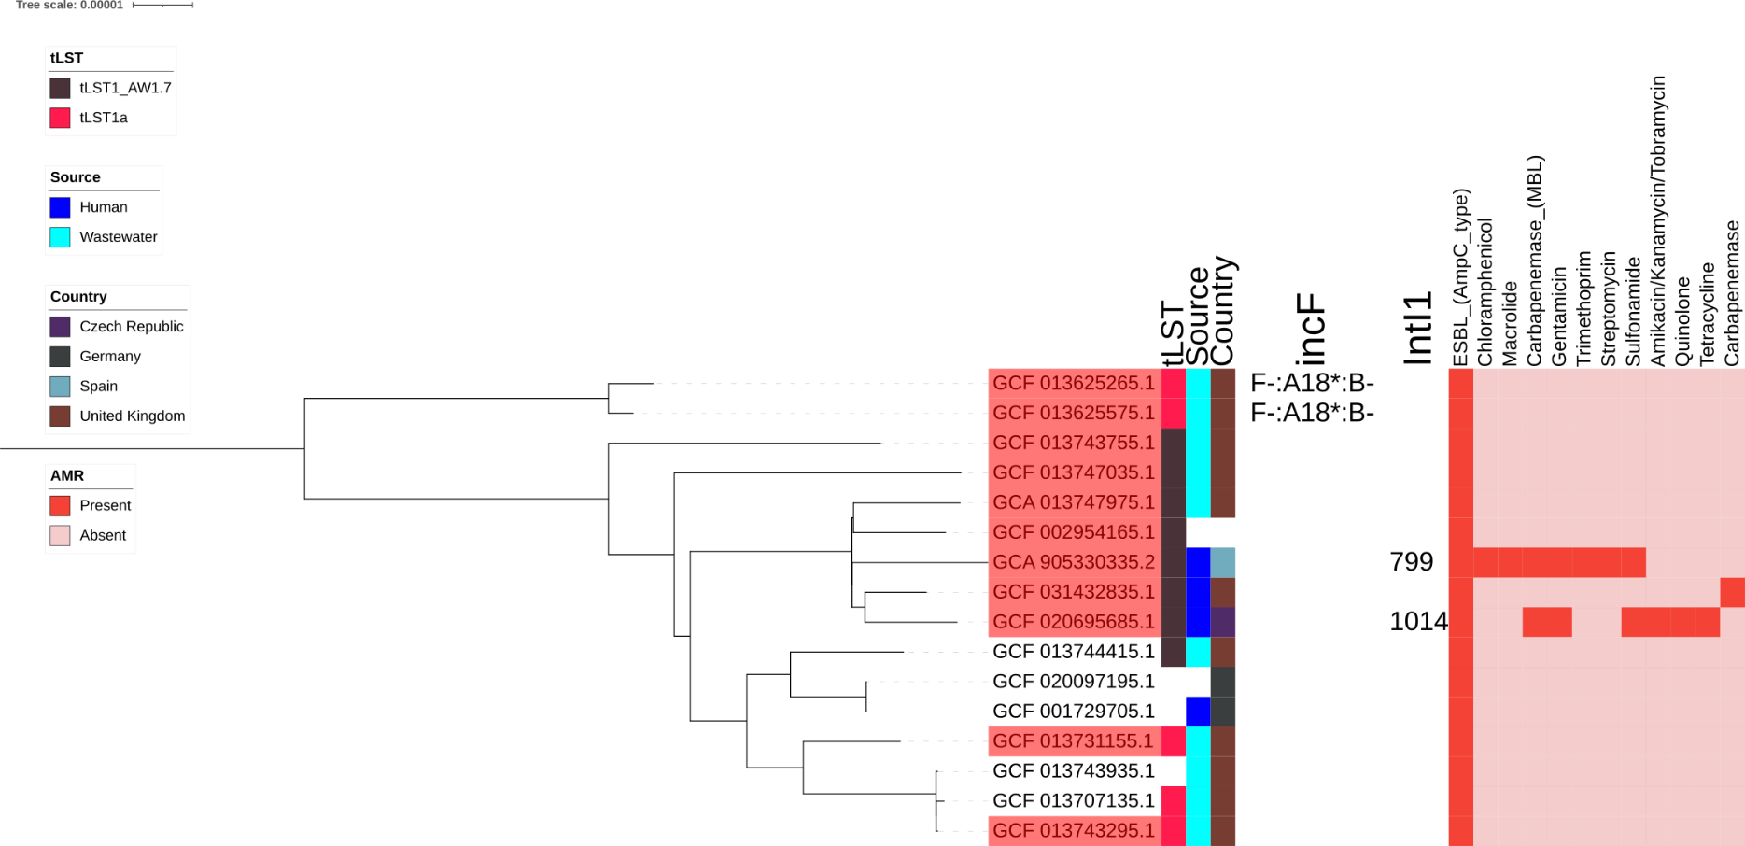

Midpoint rooted, core genome phylogenetic tree of E. hormaechei ST108. Highlighted in red leaf names are complete genomes from earlier part of study. Coloured strips present, tLST version, source and country of origin. Red heatmap represent antimicrobial resistance to groups of antibiotics.

