1. Requirements
Requirement No. | Requirements | Acceptance Criteria | Mockup Examples
R-1 | Allow users to enter a Study ID | • Field label: “Study ID (STUDYID)” • Free text field • Maximum 200 characters • Format variable value as character • Field should be independent from R-2 field
R-2 | Allow users to select a Study Type | • Field label: “Study Type Parameter (TSPARMCD)” • Dropdown Selections: o "Clinical (SSTDTC)" o "Nonclinical (STSTDTC)" • Format variable value as character
R-3 | Allow users to select a Study Start Date | • Field label: “Study Start Date (TSVAL)” • Include validation to format date and variable value as YYYY-MM-DD • Format variable value as character • R-3 and R-4 are mutually exclusive i.e. If R-3 is filled, then R-4 should be blank/disabled
R-4 | Allow users to select an Exception Code | • Field label: “Exception Code (TSVALNF)” • Free text field • Format variable value as character • R-4 and R-3 are mutually exclusive i.e. If R-4 is filled, then R-3 should be blank/disabled
R-5 | Allow users to view variable values | • StudyID Variable Value is what the user entered in the Study ID Field (R-1) • TSPARMCD Variable Value is what the user selected in the Study Type Field, SSTDTC or STSTDTC (R-2) • TSVAL Variable Value is what the user selected in the Study Start Date Field (R-3) • TSVALNF Variable Value is what the user selected in the Exception Code Field (R-4) • Variable values are visually associated with their variable names and field labels • Variable values are formatted as they will appear in the XPT file | Mockup included in worksheet 3 with a "View" tab which would allow viewing of user inputs (as currently included in version 1.0 of the tool)
R-6 | Allow users to download and generate an XPT file containing the four variables entered into the fields | • Button labeled: “Download” • Nonfunctional requirements for generated XPT files included in worksheet 2
R-7 | Generated XPT file is titled, "ts.xpt" | N/A
R-8 | Generated XPT file is in SAS Transport Format Version 5 | N/A | N/A
R-9 | Generated XPT file contains one dataset with the SAS name, "TS" | N/A
R-10 | Generated XPT file contains four variables in one row of information: STUDYID, TSPARMCD, TSVAL, TSVALNF | • StudyID Variable Value is what the user entered in the Study ID Field (R-1) • TSPARMCD Variable Value is what the user selected in the Study Type Field, SSTDTC or STSTDTC (R-2) • TSVAL Variable Value is what the user selected in the Study Start Date Field in the format of YYYY-MM-YY (R-3) • TSVALNF Variable Value is what the user entered in the Exception Code Field (R-4)
R-11 | Generated XPT file contains all variable values formatted as characters | N/A | 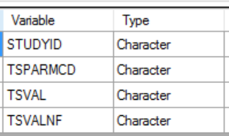

2. Defects v1.0
Defects No. | Defects | Screenshots
D-1 | The TSPARMCD value for "Clinical" should be SSTDTC, instead of SSTCTC. | 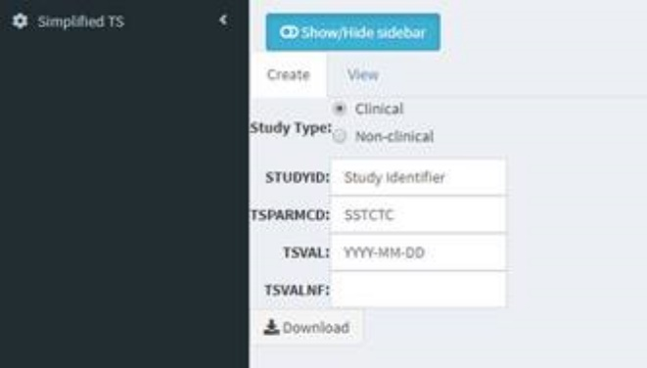
D-2 | All variables should be formated as character, not numeric. | 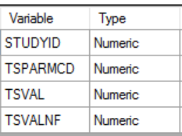
D-3 | Study ID should remain whether switching between options of Clinical and Non-clinical. | N/A
D-4 | Only one dataset per XPT file, and the dataset name should be “ts”.
D-5 | Actual values should be in the dataset, not default values.

3. Mockup
Create
View
Study ID (STUDYID)

Study Type Parameter (TSPARMCD)

Study Start Date (TSVAL)
YYYY-MM-DD

Exception Code (TSVALNF)

