Datasheet
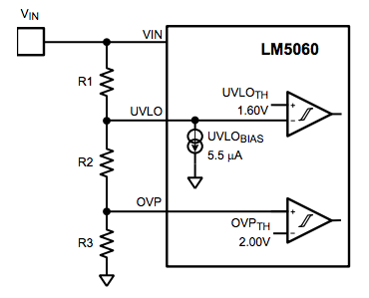
Datasheet Parameters
UVLO-IBIAS (µA) | 5.5 | Datasheet parameter, do not change
UVLO-TH(V) | 1.6 | Calculated result, do not change
OVP-TH(V) | 2 | knobs to change
OVPHYS-TH(V) | 1.76

Solve & Design
VINMIN(V) | 8.6
VINMAX(V) | 28.7
R1(kΩ) | 69
R2(kΩ) | 10.63
R3(kΩ) | 6.05

Pick & Evaluate |  | Procedure to design
R1(kΩ) | 66.5 | 1- Use the Solve & Design secion to
R2(kΩ) | 14 | evaluate R1,R2,R3 based on VIN spec
R3(kΩ) | 6.04 | 2- Use the Pick & Evaluate section to
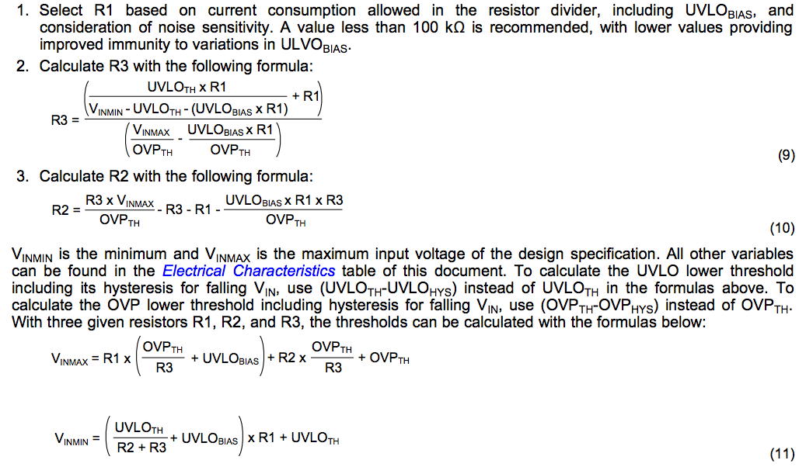
 |  | dial in actual resistor values and
VINMIN(V) | 7.28 | evaluate VIN specs

VINMAX-TURNOFF(V) | 29.02
VINMAX-RECOVER(V) | 25.58

Archive_wrong
Problem Solution |  |  |  | Component Selection
 | thresh | Vin |  |  | thresh | Vin
UVLO | 1.6 | 7 | Datasheet parameter, do not change | UVLO | 1.6 | 7.03
OVP | 2 | 29 | Calculated result, do not change | OVP | 2 | 29.15
 |  |  | knobs to change
R1+R2+R3 | 87.6 |  |  | R1+R2+R3 | 88.04
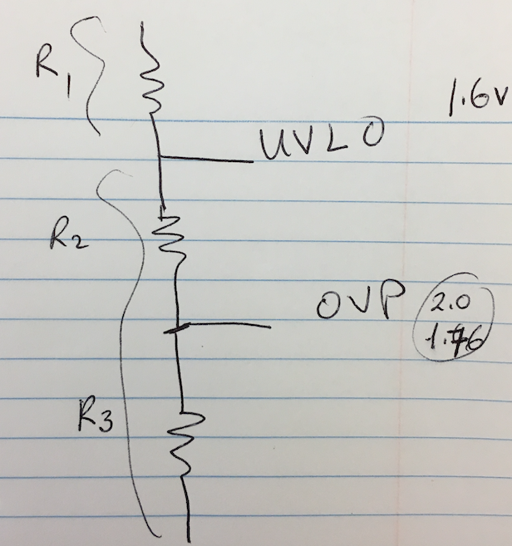
R1 | 67.577 |  |  | R1 | 68
R2 | 13.981 |  |  | R2 | 14
R3 | 6.041 |  |  | R3 | 6.04

OVP OFF | 29 |  |  | OVP OFF | 29.15
OVP ON | 25.52 |  |  | OVP ON | 25.65

