Sheet1
Problem Solution |  |  |  | Component Selection
 | thresh | Vin |  |  | thresh | Vin
UVLO | 1.6 | 7 | Datasheet parameter, do not change | UVLO | 1.6 | 7.03
OVP | 2 | 29 | Calculated result, do not change | OVP | 2 | 29.15
 |  |  | knobs to change
R1+R2+R3 | 87.6 |  |  | R1+R2+R3 | 88.04
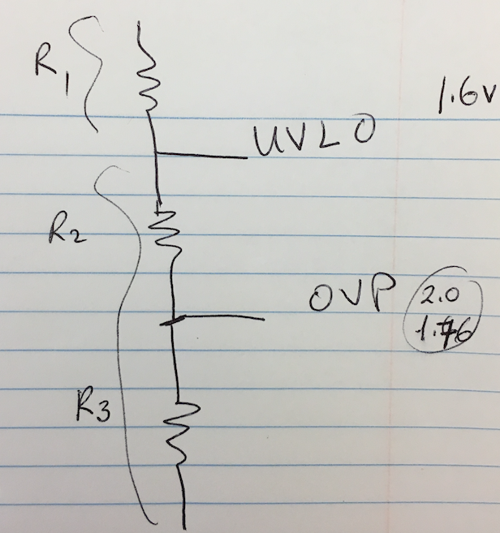
R1 | 67.577 |  |  | R1 | 68
R2 | 13.981 |  |  | R2 | 14
R3 | 6.041 |  |  | R3 | 6.04

OVP OFF | 29 |  |  | OVP OFF | 29.15
OVP ON | 25.52 |  |  | OVP ON | 25.65

