main
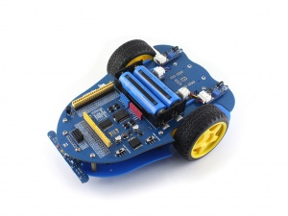
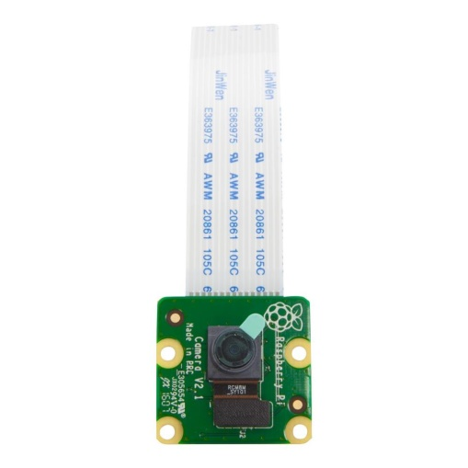

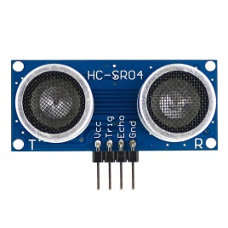
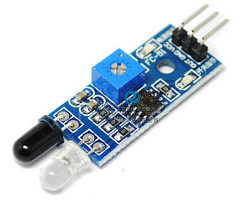
Sparky dog
Detail : The dog robot who is a security guard for you. Main function is to monitor everything around your home when you go out.
version : 00.01 (draft)
WIFI - Transmit command and data over wifi network.
- Prepare primary function for movement
- For 'YELLOW' block is implementing. For 'RED' is not yet.

 | Sparky (Alpha bot) |  | Android
Command
 | Arduino | Rasp berry PI

