Cách Làm
Task | Cụ thể | Khái niệm DB | Cách làm
Thống kê tình hình cấp key DRM | 1 ngày có bao nhiêu lượt cấp key xem bản quyền | 1 ngày có bao nhiêu lượt user có xem nội dung bản quyền | Count distinct những user có xem nội dung của những item nằm trong bảng A

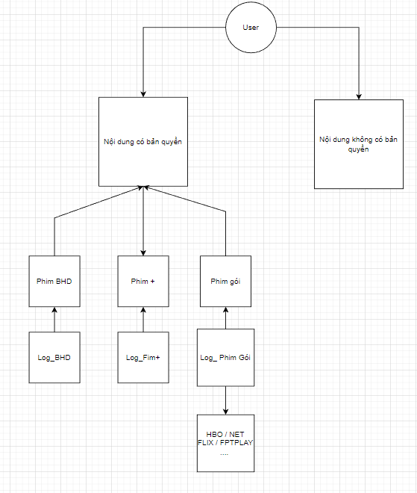

Bước 1 | Thống kê tình hình xem các nội dung trong log
Bước 2 | Map các nội dung lại để lấy ra con số tổng
Bước 3 | Thống kê con số tổng theo ngày

Input - Output
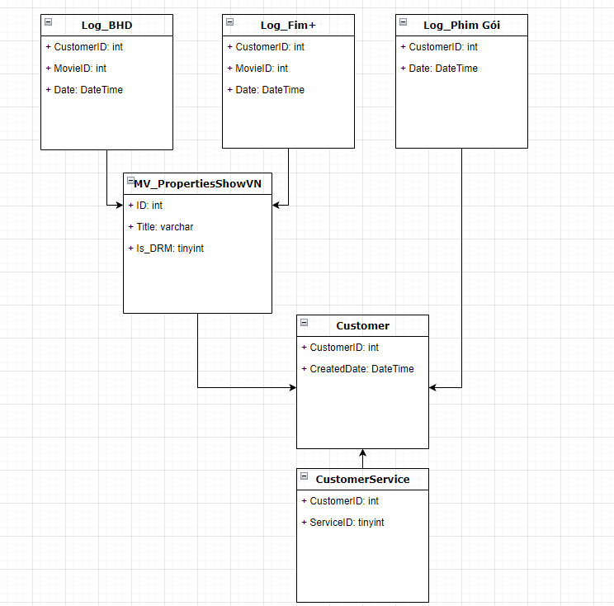
Khái niệm | Table trong db
LogBHD | Log_BHD_MovieID
Log_Fim+ | Log_FimPlus_MovieID | Entity Relationship Diagram
Log_Phim Gói | Log_Get_DRM_List
Nội dung có bản quyền trông như thế nào | MV_PropertiesShowVN | Data flow
User | Customer
 | CustomerService

