Sheet1
3700 | 40 | ADC12 | Voltage | Dist mm
3350 | 45
3110 | 50
2820 | 55 |  | Output poly
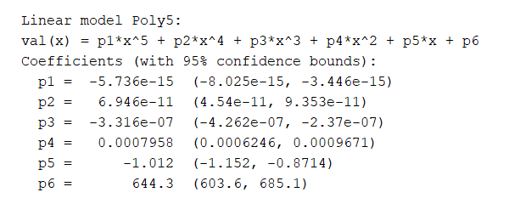
2560 | 60
2370 | 65
2205 | 70
2105 | 75
1680 | 95
1600 | 100
1330 | 120
1150 | 140
1000 | 160
895 | 180
785 | 200
700 | 230
655 | 240
635 | 250
600 | 260
575 | 270
525 | 300

