Sheet1
ATMore |  |  | ATMore |  | ATMore

Phone |  |  | Password |  | Active Code

Next |  |  | Next |  | Next

 |  |  | Forget password |  | Resend active code
Facebook |  | Google
 | Login Form |  |  | Login Form |  | Sign up form

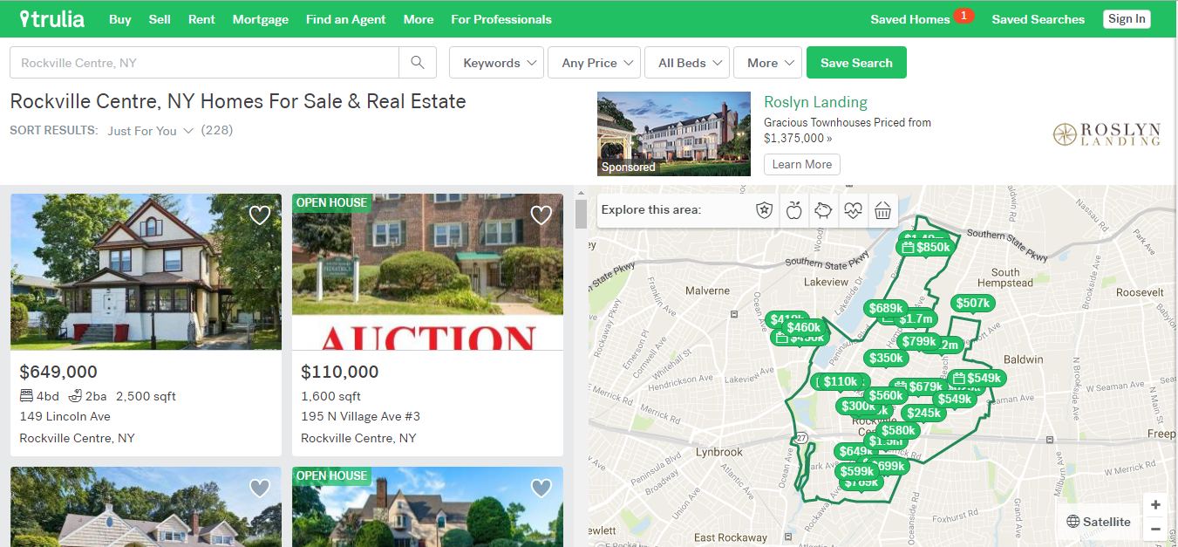
 |  |  | When sign up or login success
ATMore

Avatar

Phone
Password
Sex
Birthdate
x | Term condition

Sign Up
Sign Up Form

 | ATMore

Avartar
Phone
Password
Sex
BirthDate

Update
 | Profile

